DP83TC815 Pin Wise Checklist
DP83TC815 Schematic Checklist
Click Me

Domain | Pin Name |  | Pin Number | Recommended Connection | Pictures | Yes/No | Questions (if any)
Power | VDDIO |  | 34 22 | Supply voltage: 1.8 V, 2.5 V, or 3.3 V Recommended ferrite bead: BLM18KG601SH1D | 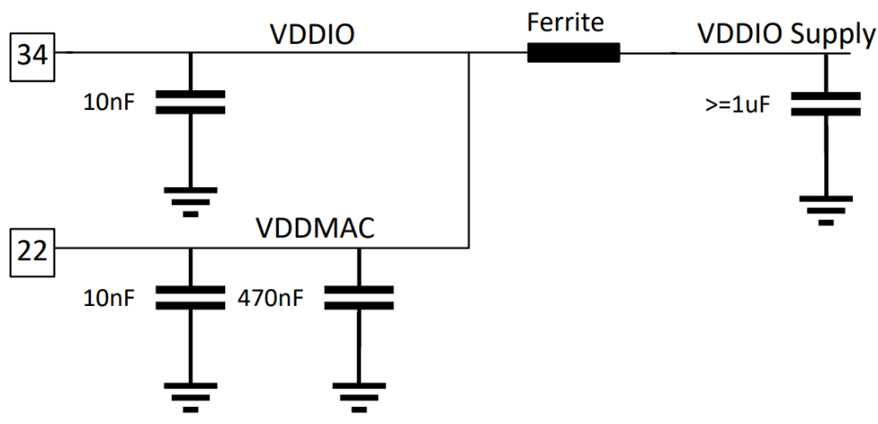
 | VDD1P0 | Supply Mode: | 21 9 | Connect pin 9 (LDO_OUT) to pin 21 (VDD1P0)
 |  | Single Supply
 | VDDA |  | 11 | Supply voltage: 3.3 V Recommended ferrite bead: BLM18KG601SH1D
 | VSLEEP | Sleep mode used? | 7 | Supply voltage: 3.3 V
 |  | Yes

Medium Dependent Interface (MDI) | TRD_M |  | 13 | Recommended Components: 1. CMC Choke: AE2002, DLW43MH201XK2L, DLW32MH201XK2, ACT1210L-201 2. DC Blocking Capacitors: 0.1uF, 1% 3. Common Mode (CM) Termination Resistors: 1kΩ, 1%, size 0805 or larger 4. MDI Coupling Capacitor: 4.7nF 5. ESD Shunt: 100kΩ, 5%, size 0805 or larger | 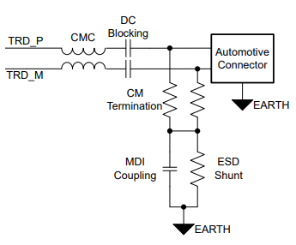
 | TRD_P |  | 12
 | GND |  | Ground Pad | Leave option to isolate connector ground from board ground (for EMC concerns) Populate two 0.25W, 1206 or larger, 0Ω isolation resistors and leave placeholders for two isolation capacitors | 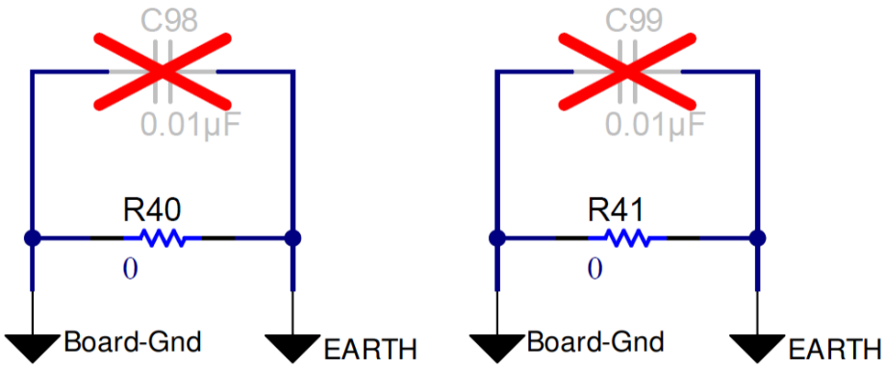

Clock (25MHz XTAL) | XI |  | 5 | Contact crystal vendor to tune capacitance values and ensure crystal circuit meets the specifications shown in table to the right. Populate 100 ohm series resistor on XI path.
 | XO |  | 4 | Populate XO series resistor as minimum value required for crystal wattage specification

Reset and Interrupt | RESET_N |  | 3 | Active-LOW reset. Assert LOW for at least 1 μs for reset, which reinitializes all internal registers to default values and resamples bootstrap configuration. | 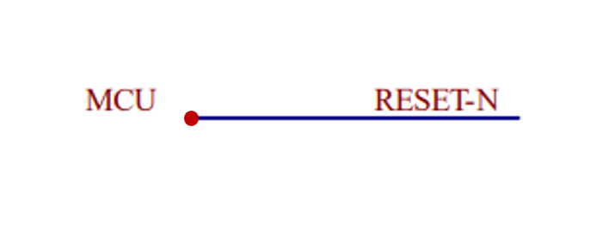
 | INT_N |  | 2 | Active-LOW output, which will be asserted LOW when an interrupt condition occurs. Connect to processor if interrupts are used, leave floating if unused

Sleep/Wake pins | WAKE |  | 8 | 3.3V pulse on WAKE pin wakes up the PHY from sleep state. External 10kohm pull down should be used and WAKE pin connected to CPU/MCU. If sleep mode of phy is not used, this pin should be connected to VSLEEP | 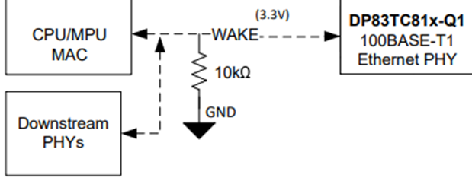
 | INH |  | 10 | Open Drain output, asserted HIGH when the PHY is in operational mode. This pin is released by the PHY when in sleep state and pulled low via external 10kΩ resistor. Connect INH to enable pin of voltage regulator/PMIC which enables VDDIO/VDD1P0/VDDA supplies. If sleep mode is used, INH must have a pull-down of 10kΩ. If sleep mode is not used, this pin can be left floating | 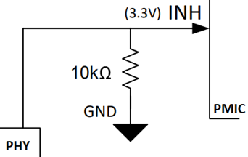

Serial Management Interface | MDC |  | 1 | Connect to Host driving the SMI clock for PHY register programming. Maximum of 20Mhz. This pin should NOT have an external pullup resistor. Ensure setup and hold requirements given to the right are met
 | MDIO |  | 36 | This pin requires a pullup resistor of 2.2kΩ to VDDIO | 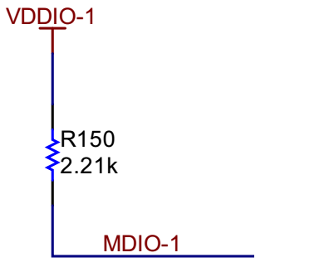

SGMII Mode | TX_CLK |  | 28 | Do Not Connect
 | TX_EN/TXCTRL |  | 29 | Do Not Connect
 | TX_D3 |  | 30 | Do Not Connect
 | TX_D2 |  | 31 | Do Not Connect
 | TX_D1 |  | 32 | Transmit Data (TX_P)
 | TX_D0 |  | 33 | Transmit Data (TX_M)
 | TX_ER (Optional) |  | 6 | Do Not Connect
 | RX_CLK |  | 27 | Do Not Connect
 | RX_D0 |  | 26 | Do Not Connect
 | RX_D1 |  | 25 | Do Not Connect
 | RX_D2 |  | 24 | Receive Data (RX_P)
 | RX_D3 |  | 23 | Receive Data (RX_M)
 | RX_DV/CRS_DV/RX_CTRL |  | 15 | Do Not Connect
 | RX_ER |  | 14 | Do Not Connect

LED/GPIO | LED_0 / GPIO_0 |  | 35 | Link status LED. Also used as a strap pin. Required strapping circuit shwn to the right | 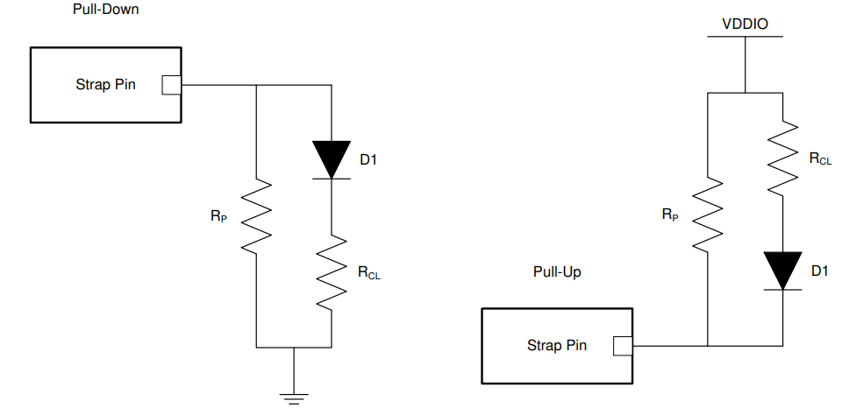
 | LED_1 / GPIO_1 |  | 6 | Link status and blink for TX/RX activity LED. Also used as a strap pin. Required strapping circuit shown to the right
 | CLKOUT/GPIO_2 |  | 16 | Buffered replication of 25Mhz XI clock. If not used, clock output can be turned off by writing register 0x453 = 0x0003

Straps | Strap Tool

Other | DNC |  | 17 | Do Not Connect (leave floating)

Strap Tool
Hardware Configuration |  | Bootstrap Pin | Bootstrap Pin Number | Bootstrap Mode | Suggested Pull-Up (RH) | Suggested Pull-down (RL)
MAC Interface | SGMII (4-wire) | RX_D0 | 26 | Mode 1 | OPEN | OPEN
 |  | RX_D1 | 25 | Mode 1 | OPEN | OPEN
 |  | RX_D2 | 24 | Mode 1 | OPEN | OPEN
M/S Configuration | Slave | LED_0 | 35 | Mode 1 | OPEN | OPEN
Note: Resistors with 1% tolerance are required for 2.5V VDDIO operations for PHY Address straps, otherwise use 10% tolerance.
Operational Mode | Autonomous | LED_1 | 6 | Mode 1 | OPEN | OPEN
CLKOUT_PIN | CLKOUT=Pin16 | RX_D3 | 23 | Mode 1 | OPEN | OPEN
MACsec | Enabled | GPIO_4 | 19 | Mode 1 | OPEN | OPEN
TC-10 | Enabled | RX_CLK | 27 | Mode 1 | OPEN | OPEN
PHY Address (0x0-0xF) | 0x5 | RX_CTRL | 15 | Mode 3 | 4.5kΩ | OPEN
 |  | RX_ER | 14 | Mode 1 | OPEN | OPEN
VDDIO | 3.3V

Use the dropdowns to select the desired Strap Configurations
 |  |  |  | Expected Reg 0x45D Value in Hex |  | 4003 or 0003

Layout Checklist
DP83TC815 Layout Checklist

Domain |  | Item | Picture | Yes/No | Questions
TRDP/TRDM | 1 | Are connector ground and board ground connected well with 0ohms placed on all sides? Refer to R110, R11 and R70 positions in the picture (recommended) | 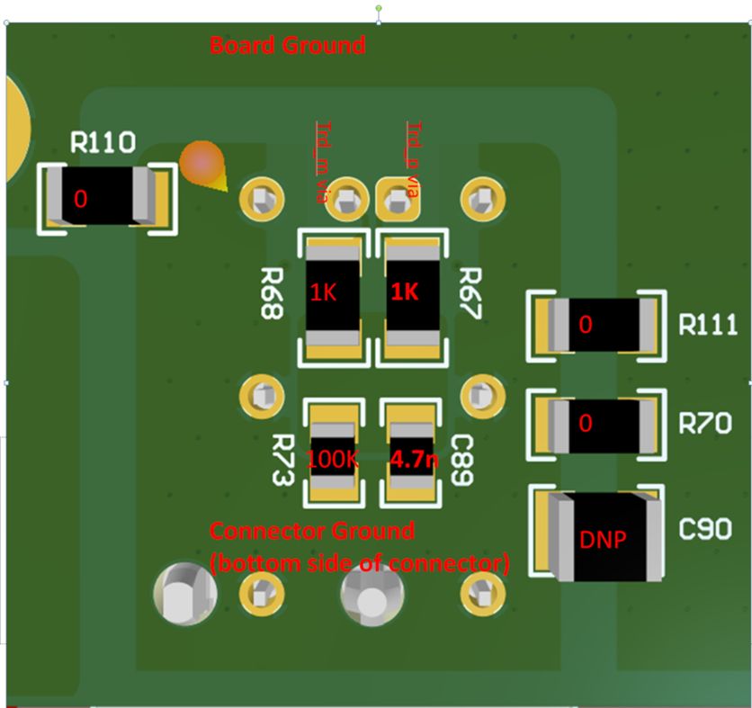
 | 2 | Are common mode terminations placed symmetrically and on the connector ground? Refer to R68,R67,R73,C89 positions in the picture (recommended)
 | 3 | Is there continuous ground under trdp and trdm traces (recommended)?
 | 4 | Is there void under the components used on trdp and trdm traces? If all layer void is not possible then atleast 2nd layer should be cleared off the ground.
 | 5 | If ESDs are used, are they 2 terminal packages (recommended)?
 | 6 | Is the impedance of trdp/trdm pair = differential 100ohms +/-5%?
 | 7 | Are trdp/trdm traces matched with +/-10mil accuracy?
 | 8 | CMC, AC coupling caps and common mode termination components close to the connector (recommended)?
 | 9 | Is the same layer ground plane symmetrically placed around trdp and trdm traces (till connector)?

Power | 10 | Are 10nF,100nF supply decaps placed on the same layer as the PHY and closed to PHY?
 | 11 | Is the smallest capacitor placed closest to the PHY?
 | 12 | For supply network spread across multiple layers, are there minimum of 4 vias connecting one layer to another?
 | 13 | Is the position of ferrite bead for each power pin combination close to PHY and is good to provide strong connection to both the pins?
 | 14 | Is there a ground plane reference for every power plane (recommended for EMC)?
 | 15 | Even if sleep mode is not used, is Vsleep routed as power (recommended)?

Crystal | 16 | Is crystal placed closest possible to PHY (making XI and XO route the shortest possible) (recommended)? | 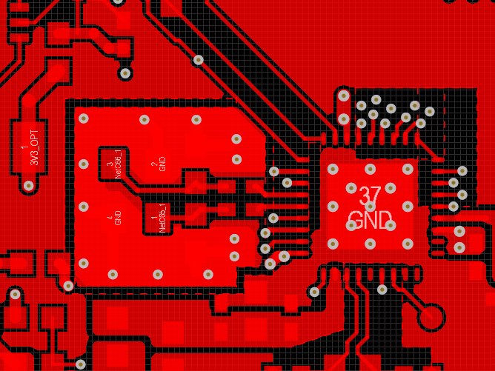
 | 17 | Are caps connected to xi and xo placed in same orientation (recommended)?
 | 18 | Are caps connected to xi and xo connected well to the top ground and that ground strongly connected to the board ground on bottom layer through continous vias (recommended)?
 | 19 | Are switching signals like led and mdc routed away from XI route ?

RGMII | 20 | Are Rgmii traces burried (recommended for EMC)? Vias should be close to PHY/MAC transmitter.
 | 21 | Is Rgmii routing lower than 5 inches (recommended)?
 | 22 | Is Rgmii data and clock skew less than 200ps?
 | 23 | Are Rgmii traces routed with 50ohms impedance control?
 | 24 | At Rgmii receiver pins of PHY, 1ns (20%-80%) rise/fall time met?
 | 25 | Are their test points close to the MAC and PHY RGMII receiver pins?

SGMII | 26 | Are sgmii tx and rx signals routed with 100ohms +/5 % differential impedance control (recommended)?
 | 27 | Is mismatch in p and m signal of differential pair less than 5 mils (recommended)?
 | 28 | AC-coupling caps on Sgmii signal lines placed close to transmitter side (recommended)?

General | 29 | trace length mismatch : serpentine should be done at mismatch end
 | 30 | high speed signals should be routed over a solid ground and not across a plane split or void
 | 31 | distance from void > trace width x 1.5
 | 32 | place stich capacitors iff traces are crossing two different planes
 | 33 | place gnd stiching vias close to the signal transition vias symmetrically ( < 200 mils away)
 | 34 | keep out distance from other switching signal : keep out distance > 5w (width of the trace)
 | 35 | no probe or test points on any high-speed diff signal
 | 36 | no traces near crystals, clock gens, mounting holes, magnetic devices or ics
 | 37 | maintain constant trace width to avoid impedance mismatches
 | 38 | maximize differential pair to pair spacing > 30mils (after package breakout and before connector)
 | 39 | Package break-out must occur within 250mils from the package
 | 40 | Keep via stubs short < 15mils
 | 41 | Avoid vias on the high speed signals and use them only near SoCs
 | 42 | SMDs on high speed traces : 0402 or smaller. Place them symmetrically
 | 43 | SMDS on high speed traces : should have void under them
 | 44 | 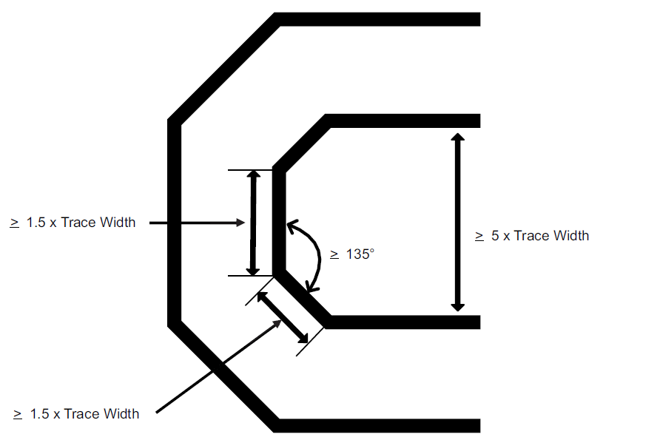 Signal bending rules

