DRV7308 Thermal Calculator
 |  |  | For any support needs, please post your question on e2e.ti.com
 |  |  | DRV7308 product page and ordering
Note: Revision 1.0.0.
DRV7308 Power Loss Calculator |  |  | Results
Directions - Fill in all yellow boxes with known motor system parameters for the DRV7308 |  |  | Parameter | Value | Unit
Electrical Parameters | Value | Unit | Power Losses
DC Input Voltage [VM]. Enter a value from 100V to 450V | 310 | V | Total Conduction Losses | 0.9 | W
Motor Phase RMS Current. Enter a value from 0A to 2.828A. See figure 1. | 0.86 | A | Switching Losses, excluding parasitic PCB capacitance losses | 0.52 | W
PWM Modulation | 3-Phase FOC |  | Switching losses due to 150pF parasitic PCB output capacitance | 0.35 | W
PWM Frequency [fpwm]. Enter a value up to 60kHz | 16 | kHz | Total switching losses | 0.86 | W
Switching Slew Rate (SR) | 10 | V/ns | Other Losses | 0.14 | W
MCU PWM Input Deadtime | 200 | ns | Estimated Total Losses | 1.91 | W
Thermal Parameters | Value | Unit | Estimated device temperature
Ambient Temperature. Enter a value from -40C to 125C | 40 | °C | Estimated Junction Temperature | 88.6 | °C | Consider reducing PCB theta JA to reduce device temperature and power loss
Optional: Max desired device junction temperature (Tj). | 120 | °C | Estimated Case Temperature | 81.0 | °C
Typical or Worst case analysis | Selection |  | Estimated max PCB theta JA to keep TJ at or below 120°C
Typical or Worst case analysis | Nominal Estimated Power Dissipation |  | Max estimated allowable PCB Theta JA to keep Tj at or below 120°C | 39.3 | °C/W

PCB Specification | Value | Unit
PCB parasitic output capacitance on OUTx per phase. Include phase to phase and phase to GND capacitance. Motor capacitance should be considered as well. | 150 | pF
Manually enter PCB Theta JA? Or estimate based on PCB parameters? | Estimate based on PCB parameters
PCB Layers | 2 | # | Figure 1
Top/Bottom Layers Cu Thickness (if PCB more than 2 layers, internal layers assume 1 oz Cu thickness) | 1 | oz
PCB copper area for device heat dissipation (See figure 2 for assumed copper area distribution) | 32 | cm²
Estimated PCB Theta JA based on PCB layers, Cu Thickness, and PCB Area | 25.5 | °C/W
PCB Theta JA | 42 | °C/W
NOTE: DRV7308 thermal calculator assumes synchronous modulation switching
Disclaimer: All information in this file and in any related correspondence is provided “AS IS” and is subject to TI’s Important Notice (http://www.ti.com/corp/docs/legal/important-notice.html). DRV7308 is in preproduction phase, and the data are ADVANCE INFORMATION and subject to change without notice.

Figure 2 |  | Figure 3
Assumed copper area distribution is 50% PGND, 16.6% OUTA, 16.6% OUTB, and 16.6% OUTC. OUTx pours are assumed to be on all layers. PGND pour is assumed to be on bottom layer and 1 inner layer (for 4 layer PCB)

PCB Theta-JA vs Copper Area
 | 2 layer, 1oz copper | 4 layer, 1oz copper | 2 layer, 2oz copper | 4 layer, 2oz copper | 2 layer, 3oz copper | 4 layer, 3oz copper
8 | 37.4 | 33.3 | 34.1 | 31.8 | 32.8 | 31.1
32 | 25.5 | 19.5 | 20.3 | 17.5 | 18.3 | 16.5
64 | 23.1 | 16.2 | 17.2 | 14 | 14.8 | 12.8
100 | 22.4 | 14.9 | 16.1 | 12.5 | 13.5 | 11.3
128 | 22.1 | 14.4 | 15.6 | 12 | 13 | 10.7
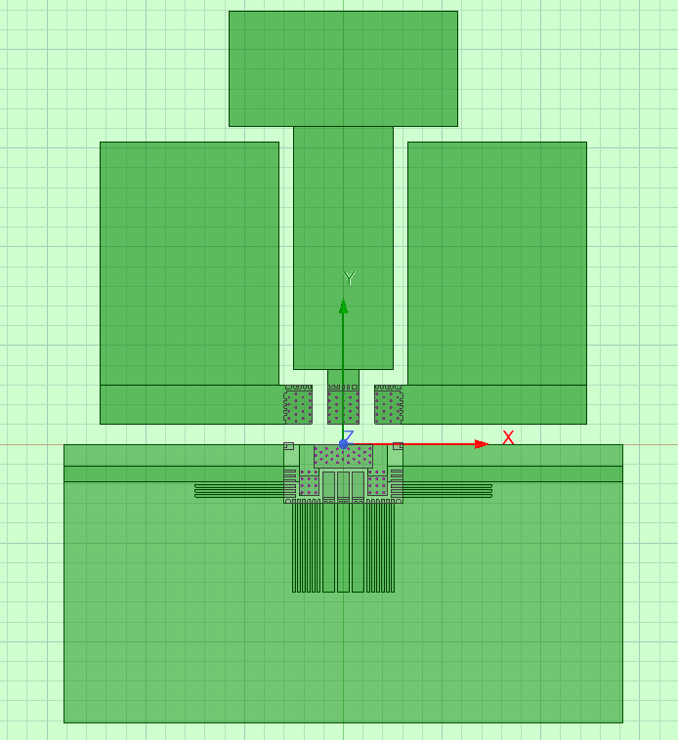

OUTB copper pour (16.6%)

OUTA copper pour (16.6%)
OUTC copper pour (16.6%)

PGND copper pour (50%)

