Schematic
Typical Application Schematic

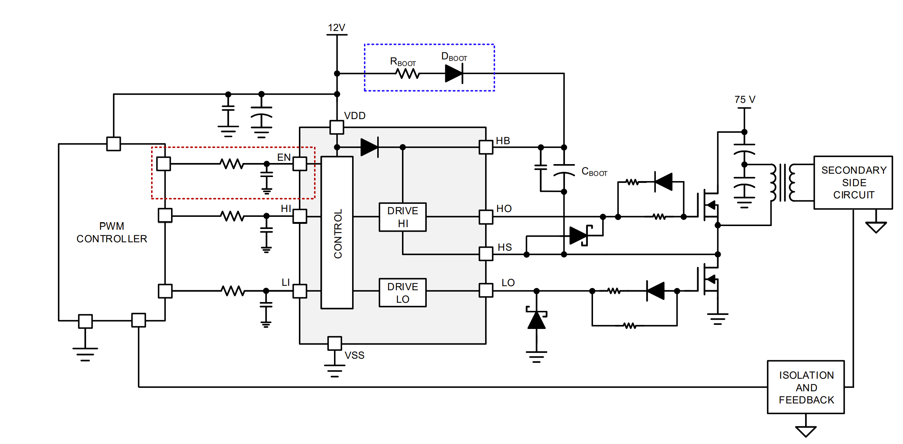
Not Included In All Systems: EN
OPTIONAL: External Diode

