FullPwr Calcs 1xCurrent
DAC39RF10 EVM, Output Frontend Circuit
 |  |  |  |  | DAC39RF10 Datasheet
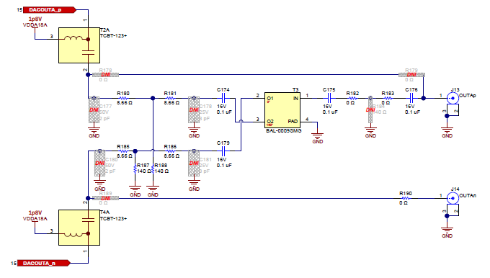
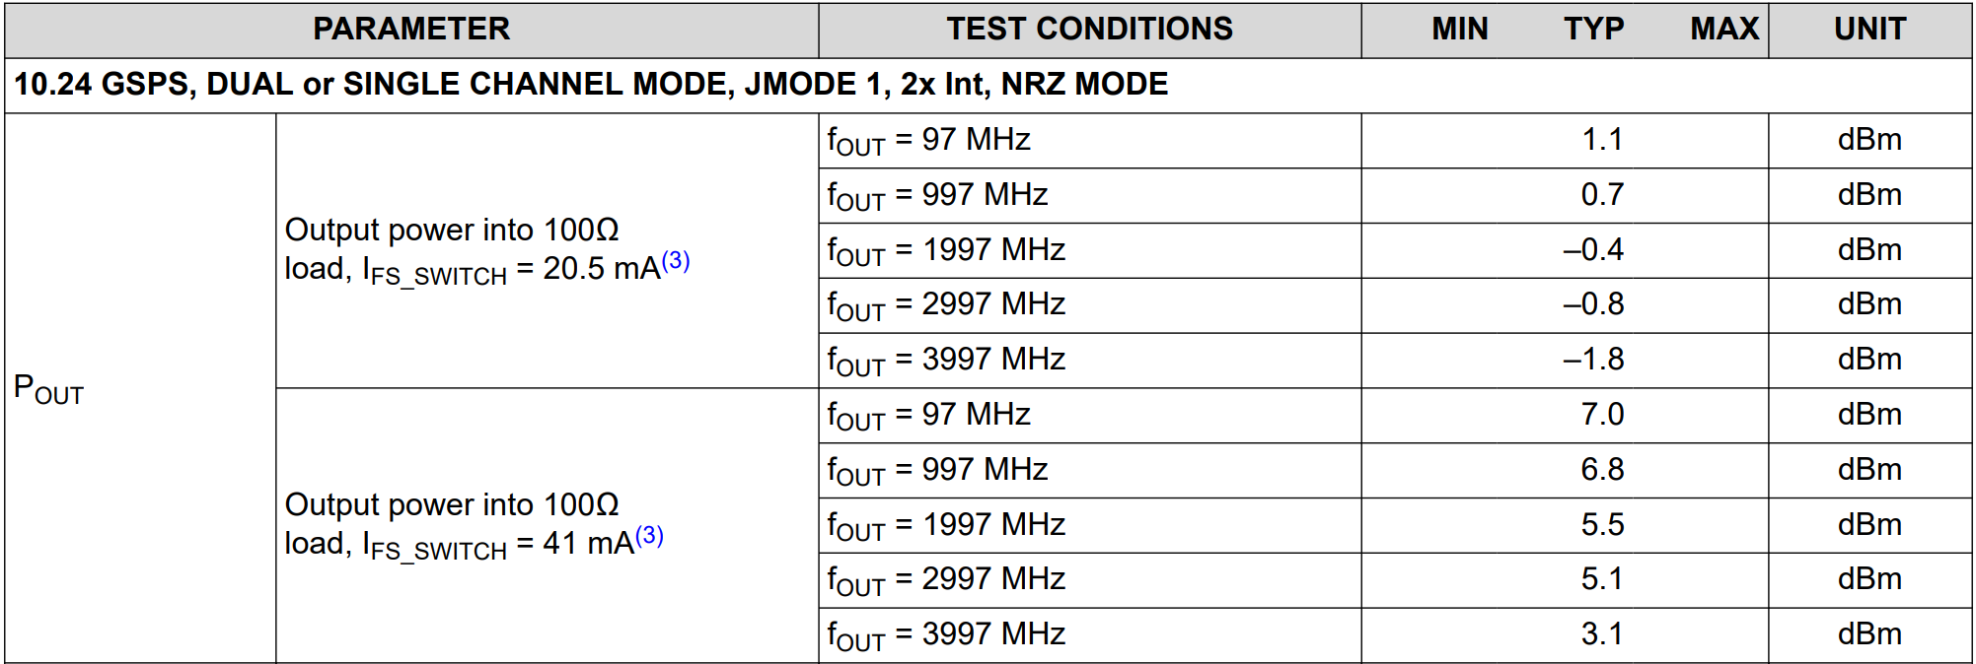

 | Color Code Key |  | NOTE: Ibias is not figured into these calculations
 | User Input |  | Fullscale, 1xCurrent = 20.05mA
 | Result |  | Fullscale, 2xCurrent = 40.1mA

How much power is output after the balun, given a differential Vp-p voltage at the DAC output.
Analyse just one half of the circuit, eg, the top half. The 100Ω load of the ADC becomes a single 50Ω load which can be considered to be grounded. Radc = 50ohm
Vb = 0.4*(Radc + 8.6 / Radc)
Va = Vb ((Radc + 8.6 || 140) + 8.6 / (Radc + 8.6 || 140))
Calculate Output Power x1 Current Mode | 100MHz |  | DAC39RF10 | DAC
IFS, Current output fullscale, 50ohm reference | 2.00E-02 | A | Output Set to -0.1dBFS
SE DAC Output Vp-p | 0.50 | Vp-p
SE Vp-p at input to 8.7Ω resistor | 0.44 | Vp-p
SE Vp-p at balun input | 0.37 | Vp-p
DIFF Vp-p at Output Balun | 0.73 | Vp-p
DIFF Vrms at balun input | 0.26 | Vrms
DIFF Power at balun input | 0.67 | mW
DIFF Power at balun input | -1.74 | dBm
BiasT Loss & Series Capacitor Loss | -0.04 | dBm | BiasT PN: TCBT-123+ | https://www.minicircuits.com/pdfs/TCBT-123+.pdf
DIFF-SE Balun Loss, Measured@1GHz | -4.04 | dB | Balun PN: BAL-0009 SDS21, Insertion Loss on next tab | https://markimicrowave.com/assets/1d1dc45a-b62a-40b9-88b3-5471074e1ee7/BAL-0009SMG-SURFACE%20MOUNT%20BROADBAND%20BALUN%20.pdf
SE Power at balun output | -5.82 | dBm |  | BAL 1:2 Impedance Ratio
SE Power at balun output | 0.26 | mW
SE Voltage at balun output | 0.32 | Vp-p

Calculate Vdac for Given Input Power
 |  |  | Now do the calculation the other way round….in Reverse as a check
SE Power at balun output, EVM | -5.82 | dBm
DIFF-SE Balun Loss, Measured@1GHz | -4.04 | dB | BiasT PN: TCBT-123+ | (typical number used here)
BiasT Loss & Series Capacitor Loss | -0.04 | dBm | Balun PN: BAL-0009 SDS21, Insertion Loss on next tab | (typical number used here)
DIFF Power at balun input | -1.7 | dBm
DIFF Power at balun input | 0.67 | mW
DIFF Vrms at balun input | 0.26 | Vrms
DIFF Vp-p at input Balun | 0.73 | Vp-p
SE Vp-p at balun input | 0.37 | Vp-p
SE Vp-p at output to 8.7Ω resistor | 0.44 | Vp-p
SE Required Vp-p | 0.52 | Vp-p
Difference | 0.32 | dB | Differences in rounding errors
IFS, Current output fullscale, 50ohm reference | 2.07E-02 | A

NOTE: Measured on 1 EVM, both CHA & CHB outputs as a check
Measured on EVM as follows: biasT - 3dB resistive attn pad - 2:1 balun - cable loss adjusted | x2 current (40mA) | -0.179 | dBm @ 100MHz | Measured on EVM as follows: biasT - 3dB resistive attn pad - 2:1 balun - cable loss adjusted | x1 current (20mA) | -6.199 | dBm @ 100MHz
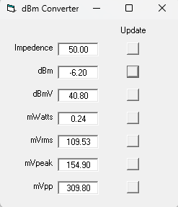
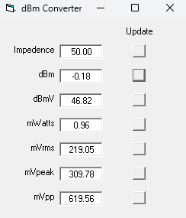

FullPwr Calcs 2xCurrent
DAC39RF10 EVM, Output Frontend Circuit
 |  |  |  |  | DAC39RF10 Datasheet

 | Color Code Key |  | NOTE: Ibias is not figured into these calculations
 | User Input |  | Fullscale, 1xCurrent = 20.05mA
 | Result |  | Fullscale, 2xCurrent = 40.1mA

How much power is output after the balun, given a differential Vp-p voltage at the DAC output.
Analyse just one half of the circuit, eg, the top half. The 100Ω load of the ADC becomes a single 50Ω load which can be considered to be grounded. Radc = 50ohm
Vb = 0.4*(Radc + 8.6 / Radc)
Va = Vb ((Radc + 8.6 || 140) + 8.6 / (Radc + 8.6 || 140))
Calculate Output Power x2 Current Mode | 100MHz |  | DAC39RF10 | DAC
IFS, Current output fullscale, 50ohm reference | 3.99E-02 | A | Output Set to -0.1dBFS
SE DAC Output Vp-p | 1.00 | Vp-p
SE Vp-p at input to 8.7Ω resistor | 0.88 | Vp-p
SE Vp-p at balun input | 0.73 | Vp-p
DIFF Vp-p at Output Balun | 1.46 | Vp-p
DIFF Vrms at balun input | 0.52 | Vrms
DIFF Power at balun input | 2.66 | mW
DIFF Power at balun input | 4.26 | dBm
BiasT Loss & Series Capacitor Loss | -0.04 | dBm | BiasT PN: TCBT-123+ | https://www.minicircuits.com/pdfs/TCBT-123+.pdf
DIFF-SE Balun Loss, Measured@1GHz | -4.04 | dB | Balun PN: BAL-0009 SDS21, Insertion Loss on next tab | https://markimicrowave.com/assets/1d1dc45a-b62a-40b9-88b3-5471074e1ee7/BAL-0009SMG-SURFACE%20MOUNT%20BROADBAND%20BALUN%20.pdf
SE Power at balun output | 0.18 | dBm |  | BAL 1:2 Impedance Ratio
SE Power at balun output | 1.04 | mW
SE Voltage at balun output | 0.65 | Vp-p

Calculate Vdac for Given Input Power
 |  |  | Now do the calculation the other way round….in Reverse as a check
SE Power at balun output, EVM | 0.18 | dBm
DIFF-SE Balun Loss, Measured@1GHz | -4.04 | dB | BiasT PN: TCBT-123+ | (typical number used here)
BiasT Loss & Series Capacitor Loss | -0.04 | dBm | Balun PN: BAL-0009 SDS21, Insertion Loss on next tab | (typical number used here)
DIFF Power at balun input | 4.3 | dBm
DIFF Power at balun input | 2.66 | mW
DIFF Vrms at balun input | 0.52 | Vrms
DIFF Vp-p at input Balun | 1.46 | Vp-p
SE Vp-p at balun input | 0.73 | Vp-p
SE Vp-p at output to 8.7Ω resistor | 0.88 | Vp-p
SE Required Vp-p | 1.03 | Vp-p
Difference | 0.32 | dB | Differences in rounding errors
IFS, Current output fullscale, 50ohm reference | 4.14E-02 | A

NOTE: Measured on 1 EVM, both CHA & CHB outputs as a check
Measured on EVM as follows: biasT - 3dB resistive attn pad - 2:1 balun - cable loss adjusted | x2 current (40mA) | -0.179 | dBm @ 100MHz | Measured on EVM as follows: biasT - 3dB resistive attn pad - 2:1 balun - cable loss adjusted | x1 current (20mA) | -6.199 | dBm @ 100MHz

BAL-0009SMG
Marki Microwave Balun BAL-0009SMG
Freq(Hz) | Sds21(DB) | SE to DIFF measurement…
10000000 | -3.9882996 | Loss of Balun is ~4dBm
10047618.659 | -4.0230746
10095464.071 | -3.921977
10000000 | -3.9882996
10047618.659 | -4.0230746
10095464.071 | -3.921977
10143537.316 | -3.9316304
10191839.48 | -4.0684447
10240371.653 | -4.0227995
10289134.929 | -4.2238216
10338130.409 | -4.0485873
10387359.2 | -4.0291877
10436822.411 | -3.9937325
10486521.159 | -3.8345149
10536456.566 | -3.9428844
10586629.759 | -3.9860539
10637041.87 | -3.8869796
10687694.036 | -4.1137123
10738587.401 | -3.9329524
10789723.114 | -3.9008162
10841102.328 | -3.8609488
10892726.203 | -3.8445547
10944595.904 | -4.0669518
10996712.602 | -3.9361856
11049077.472 | -3.9877002
11101691.697 | -4.145556
11154556.463 | -3.8584445
11207672.965 | -3.8741941
11261042.4 | -4.0543981
11314665.973 | -4.0120034
11368544.895 | -4.0067401
11422680.381 | -4.0446477
11477073.652 | -4.0064001
11531725.938 | -3.9833992
11586638.47 | -3.9930916
11641812.488 | -3.9903724
11697249.237 | -3.9128487
11752949.969 | -3.9247899
11808915.94 | -3.9652236
11865148.414 | -3.9250815
11921648.659 | -4.0241609
11978417.95 | -3.8161731
12035457.57 | -3.9054415
12092768.804 | -3.9012058
12150352.947 | -3.8717544
12208211.298 | -3.9450359
12266345.163 | -3.7817421
12324755.853 | -3.8786469
12383444.687 | -4.0032625
12442412.989 | -4.0591016
12501662.091 | -3.9213049
12561193.329 | -4.0432367
12621008.046 | -4.0138445
...
10143537.316 | -3.9316304
10191839.48 | -4.0684447
10240371.653 | -4.0227995
10289134.929 | -4.2238216
10338130.409 | -4.0485873
10387359.2 | -4.0291877
10436822.411 | -3.9937325
10486521.159 | -3.8345149
10536456.566 | -3.9428844
10586629.759 | -3.9860539
10637041.87 | -3.8869796
10687694.036 | -4.1137123
10738587.401 | -3.9329524
10789723.114 | -3.9008162
10841102.328 | -3.8609488
10892726.203 | -3.8445547
10944595.904 | -4.0669518
10996712.602 | -3.9361856
11049077.472 | -3.9877002
11101691.697 | -4.145556
11154556.463 | -3.8584445
11207672.965 | -3.8741941
11261042.4 | -4.0543981
11314665.973 | -4.0120034
11368544.895 | -4.0067401
11422680.381 | -4.0446477
11477073.652 | -4.0064001
11531725.938 | -3.9833992
11586638.47 | -3.9930916
11641812.488 | -3.9903724
11697249.237 | -3.9128487
11752949.969 | -3.9247899
11808915.94 | -3.9652236
11865148.414 | -3.9250815
11921648.659 | -4.0241609
11978417.95 | -3.8161731
12035457.57 | -3.9054415
12092768.804 | -3.9012058
12150352.947 | -3.8717544
12208211.298 | -3.9450359
12266345.163 | -3.7817421
12324755.853 | -3.8786469
12383444.687 | -4.0032625
12442412.989 | -4.0591016
12501662.091 | -3.9213049
12561193.329 | -4.0432367
12621008.046 | -4.0138445
12681107.594 | -3.9795129
12741493.327 | -3.8469775
12802166.609 | -3.8632672
12863128.809 | -3.920522
12924381.303 | -3.8924758
12985925.473 | -3.9954569
13047762.708 | -3.875551
13109894.404 | -3.9516897
13172321.962 | -4.0166383
13235046.793 | -4.0130787
13298070.31 | -3.8602624
13361393.937 | -3.9592679
13425019.103 | -3.9521348
13488947.243 | -3.8740075
13553179.8 | -3.9474964
13617718.224 | -3.8665421
13682563.972 | -3.9624341
13747718.506 | -3.8778176
13813183.297 | -3.8897164
13878959.823 | -3.9698715
13945049.568 | -4.0672417
14011454.023 | -3.8656521
14078174.688 | -3.9203343
14145213.067 | -3.8969879
14212570.674 | -3.9398656
14280249.029 | -3.952894
14348249.66 | -4.0074549
14416574.1 | -3.9705245
14485223.892 | -3.9091723
14554200.585 | -3.893312
14623505.736 | -4.0582581
14693140.908 | -4.017767
14763107.674 | -4.0627971
14833407.613 | -3.9908621
14904042.31 | -3.9172108
14975013.36 | -4.084692
15046322.365 | -4.0319371
15117970.934 | -4.0193009
15189960.683 | -3.9518175
15262293.238 | -3.8928611
15334970.231 | -3.9419315
15407993.303 | -3.9919741
15481364.1 | -3.8328881
15555084.279 | -3.9657452
15629155.504 | -3.8785081
15703579.446 | -3.9492013
15778357.784 | -3.8404133
15853492.208 | -3.8846047
15928984.411 | -4.0197411
16004836.098 | -3.9543917
16081048.98 | -3.9149404
16157624.778 | -3.8211324
16234565.22 | -4.006494
16311872.042 | -4.0029039
16389546.988 | -3.9295554
16467591.813 | -3.9416823
16546008.276 | -3.9073591
16624798.148 | -3.8824823
16703963.206 | -3.8932114
16783505.238 | -3.8967159
16863426.039 | -3.9447796
16943727.412 | -3.8852105
17024411.169 | -3.8497298
17105479.131 | -3.9550073
17186933.128 | -3.9082904
17268774.998 | -3.8347416
17351006.588 | -3.9214449
17433629.754 | -3.9766319
17516646.36 | -3.8324225
17600058.28 | -4.0317049
17683867.397 | -3.8972166
17768075.601 | -3.9402683
17852684.794 | -3.8928876
17937696.884 | -3.9812067
18023113.79 | -3.8994546
18108937.441 | -3.9327154
18195169.771 | -3.8659279
18281812.729 | -3.9686944
18368868.269 | -3.9094994
18456338.356 | -3.9623003
18544224.963 | -3.926837
18632530.075 | -3.9164779
18721255.683 | -3.9432108
18810403.792 | -3.9479015
18899976.411 | -3.9119103
18989975.564 | -3.919225
19080403.28 | -3.8829873
19171261.601 | -3.9490461
19262552.577 | -3.8970516
19354278.268 | -3.9081037
19446440.745 | -3.8915951
19539042.087 | -3.9122334
19632084.385 | -3.9386659
19725569.737 | -3.9965234
19819500.254 | -3.8804259
19913878.055 | -3.957922
20008705.271 | -3.9109654
20103984.042 | -3.9273317
20199716.517 | -3.9080889
20295904.857 | -3.9129455
20392551.234 | -3.8754141
20489657.827 | -3.8388293
20587226.829 | -3.8895919
20685260.442 | -3.9991925
20783760.877 | -3.9564531
20882730.359 | -3.9058957
20982171.119 | -4.0193572
21082085.403 | -3.8776126
21182475.466 | -3.8589187
21283343.573 | -3.9910138
21384692 | -3.8897941
21486523.035 | -3.8797553
21588838.975 | -3.9459465
21691642.13 | -3.9389639
21794934.82 | -3.8802092
21898719.376 | -3.9526711
22002998.14 | -3.9435587
22107773.466 | -3.877135
22213047.717 | -3.9470804
22318823.271 | -3.933686
22425102.513 | -3.9488873
22531887.843 | -3.8892581
22639181.671 | -3.9129758
22746986.417 | -3.9231908
22855304.515 | -3.9119918
22964138.409 | -3.9454343
23073490.556 | -3.9269028
23183363.423 | -3.9095778
23293759.489 | -3.9295509
23404681.247 | -3.9363859
23516131.2 | -4.0052414
23628111.862 | -3.9797649
23740625.761 | -3.9258018
23853675.436 | -3.9468257
23967263.439 | -3.9726424
24081392.332 | -3.8959866
24196064.692 | -3.9359248
24311283.107 | -3.9633067
24427050.175 | -3.9239891
24543368.512 | -3.8983624
24660240.74 | -3.9539223
24777669.499 | -3.9793532
24895657.437 | -3.8942363
25014207.218 | -3.9208388
25133321.517 | -3.968358
25253003.023 | -3.9737027
25373254.436 | -3.8834579
25494078.47 | -3.9864242
25615477.852 | -3.8979156
25737455.321 | -3.8974104
25860013.631 | -3.929455
25983155.547 | -3.9321177
26106883.848 | -3.8961697
26231201.327 | -3.9189239
26356110.789 | -3.9310098
26481615.053 | -3.9764876
26607716.951 | -3.9224815
26734419.33 | -3.958199
...

3dB Attn Pad Derivation
...
http://www.idc-online.com/technical_references/pdfs/electrical_engineering/Attenuators.pdf

