Differential AC coupled Calc
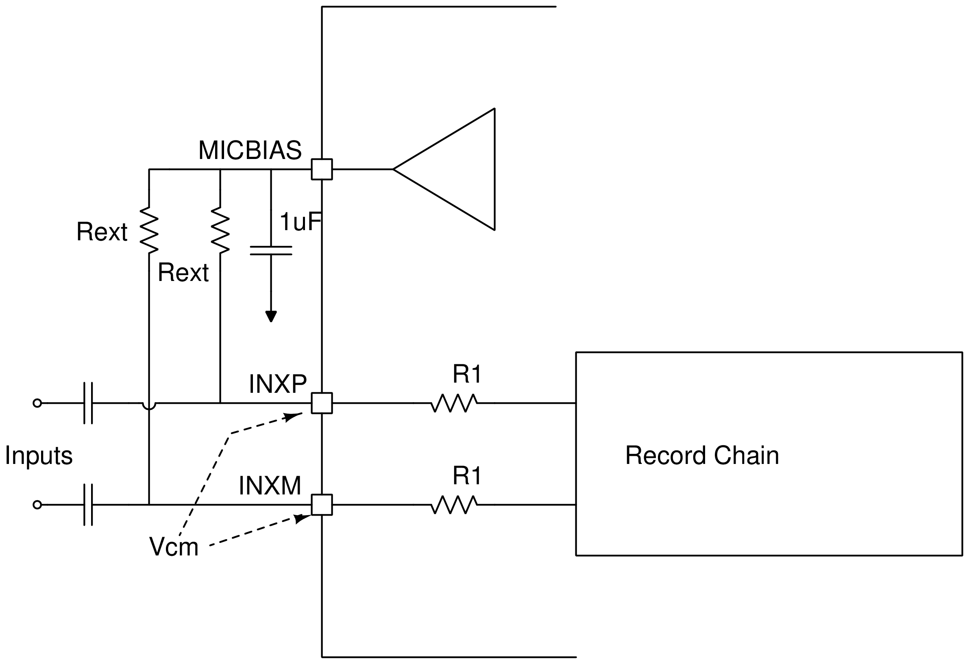
Parameter | Value

Max Differential input (Vrms) | 10
Programmed MICBIAS voltage (V) | 8

Max Rext allowed (Ohms) | 2399.4

Use this section to compute the max Rext allowed for a given differential input voltage and programmed MICBIAS value

Parameter | Value

Rext standard value chosen (Ohms) | 2375

Looking in effective input impedance (Ohms) | 2184.3
Vcm (in V) | 7.5

Use this section to compute the Vcm voltage that can be observed at INxx and the effective looking in impedance for a chosen Rext value (Please note that the chosen Rext with tolerance should always be lower than the max Rext value specified earlier)

Note: Cells in blue are input, Cells in orange are output

Important Notice and Disclaimer
