Design
TPS7H1101A COMPONENT CALCULATOR v1.2 (RELEASED 4/11/2023)
PARAMETER | VALUE | UNIT | EQUATION USED | COMMENTS
Initial Inputs
VIN(min) | 3 | V |  | Datasheet Link: https://www.ti.com/lit/gpn/TPS7H1101A-SP
VIN(max) | 3.6 | V
VOUT | 1.8 | V |  | Nominal Vout
IOUT(nom) | 0.7 | A |  | Nominal operational load.
IOUT(max) | 1 | A |  | Worst case operational load
VOUT : Feedback Network
RBOTTOM | 10 | kΩ |  | Suggested 10 kΩ
$$R_{TOP}=\frac{V_{OUT}−V_{FB}}{V_{FB}}×R_{BOTTOM}$$
RTOP(calc) | 19.75 | kΩ |  | Calculated value based on RBOTTOM
RTOP(suggested 1%) | 19.60 | kΩ |  | Suggested resistor from standard 1% values(See ReadMe tab for more information)
RTOP(suggested 0.1%) | 19.60 | kΩ |  | Suggested resistor from standard 0.1% values
RTOP | 19.8 | kΩ |  | See RBOTTOM(calc) for suggestion
$$V_{OUT}=V_{FB}×\frac{R_{TOP}+R_{BOTTOM}}{R_{BOTTOM}}$$
VOUT(actual) | 1.803 | V |  | Calculated VOUT based on chosen RTOP, RBOTTOM
VOUT % error | 0.16% |  |  | % error from desired VOUT (does not include resistor tolerancing)
Current Limit (PCL) Calculate RPCL
Foldback or constant current limiting? | Foldback |  |  | Foldback current limits current to ~1/2 Ilim
ILIM | 1.6 | A |  | ILIM must be greater than IOUT(max)
RPCL(calc) | 17.46 | kΩ
RPCL(calc 1%) | 17.40 | kΩ |  | Suggested resistor from standard 1% values
RPCL(calc 0.1%) | 17.40 | kΩ |  | Suggested resistor from standard 0.1% values
RPCL | 18 | kΩ |  | Enter desired RPCL resistor value
$$I_{LIM}=CSR×\frac{V_{FB}}{R_{PCL}}+Ioffset$$
ILIM (calc min) | 1.55 | A |  | ILIM must be greater than IOUT(max)
ILIM (calc nom) | 1.79 | A |  | Recommended Ilim nom should be greater than 500mA.
ILIM (calc max) | 2.23 | A |  | CSR range : ( min 45000, typical 52000, max 65000)
$$I_{LIM_FoldBack}=\frac{I_{LIM}}{2}$$
ILIM_FoldBack (calc min) | 0.78 | A |  | ILIM_FoldBack should be greater than nominal Iout startup load.
ILIM_FoldBack (calc nom) | 0.89 | A
ILIM_FoldBack (calc max) | 1.11 | A
Current Sense (CS) Calculate RCS
Use CS pin for current sensing? | Yes |  |  | If not using for current sense, see note.
Desired minimum Vcs at ILIM | 0.6 | V |  | Must be greater than 0.544V if Foldack desired
 |  |  |  | Min of 0.3 V without Foldback
RCS(calc min) | 44.081 | kΩ |  | Range of RCS values to achieve desired VCS. Use as seed for Rcs calculations.
RCS(calc nom) | 60.935 | kΩ
RCS(calc max) | 83.076 | kΩ
RCS | 59 | kΩ |  | Select RCS to insure foldback mode or > 0.3V Note: VCS with ILIM Constraint
Vcs IOUT(max) (calc min) | 1.69 | V |  | VCS IOUT(max) values represents the usable voltage range for an external ADC to sense the VCS pin during normal system loads up to designed IOUT.

$$V_{CS}=V_{IN}−\left(\frac{Load}{CSR}+5uA\right){×R}_{CS}$$
Vcs IOUT(max) (calc nom) | 1.87 | V
Vcs IOUT(max) (calc max) | 2.09 | V
Vcs ILIM trigger (calc min) | 0.96 | V
Vcs ILIM trigger (calc nom) | 0.66 | V |  | Nominal VCS ILIM trigger should be greater than 0.544 with margin for Foldback
Vcs ILIM trigger (calc max) | 0.08 | V |  | Use Caution, worst case ILIM could trigger constant current mode vs Foldback
VCS during Foldback limiting (nom) | 1.83 | V |  | Nominal VCS when current limit active. (Foldback only)
Calculate Soft Start (tSS)
$$T_{SS}=\frac{C_{SS}{×V}_{REF}}{I_{SS}}$$
CSS | 47 | nF |  | ISS = 2.5µA
TSS | 11.37 | ms
Compensation See Datasheet for additional compensation information.
COUT | 220 | µF
COUTESR | 45 | mΩ
$$F_{P_COUT}=\frac{1}{2\text{π} {× C}_{OUT}{× R}_{LOAD} }$$
CCOMP | 10 | nF |  | 10 nF recommended for CCOMP (not used in any calculations)
FP_COUT | 402 | Hz |  | Frequency of COUT pole
$$F_{Z_COUT}=\frac{1}{2\text{π} {× C}_{OUT}{× C}_{OUTESR} }$$
FZ_COUT | 16076 | Hz |  | Frequency of COUT zero

$$C_{X}=\frac{1}{2\text{π} {× R}_{BOTTOM}{× F}_{Z_COUT} }$$
CX | 99 | pF |  | Value of Cx to create pole to cancel FZ_COUT if desired

Summary
VIN(MAX) | 3.6 | V | RCS | 59 | kΩ | Selected current sense resistor
VIN(MIN) | 3 | V | VCS at IOUT max (calc min) | 1.69 | V | Min VCS for current sensing with provided IOUT load
VOUT | 1.8 | V | VCS at IOUT max (calc nom) | 1.87 | V | Nominal VCS for current sensing with provided IOUT load
IOUT(max) | 1 | A | VCS at IOUT max (calc max) | 2.09 | V | Max VCS for current sensing with provided IOUT load
RBOTTOM | 10.000 | kΩ | VCS at ILIM (calc min) | 0.96 | V | Min VCS when device triggers current limit.
RTOP | 19.800 | kΩ | VCS at ILIM (calc nom) | 0.66 | V | Nom VCS when device triggers current limit.
VOUT(actual) | 1.803 | V | VCS at ILIM (calc max) | 0.08 | V | Max VCS when device triggers current limit.
VOUT % error (without resistor tolerance) | 0.16% |  | RPCL | 18.00 | kΩ | Selected current limit resistor
Dropout headroom (Vi -Vo) | 1.20 | V | ILIM (calc min) | 1.55 | A | Min ILIM current threshold
Current Limit Mode | Foldback |  | ILIM (calc nom) | 1.79 | A | Nominal ILIM current threshold
Soft Start (Tss) time | 11.37 | ms | ILIM (calc max) | 2.23 | A | Max ILIM current threshold
Max system power dissipation(VIN(max) -VOUT)*IOUTMAX | 1.8 | W | VCS during Foldback limiting (nom) | 1.83 | V | Nominal VCS when current limit active. (Foldback only)
Foldback max power dissipation(VIN(max) -VOUT)*ILIMAX/2 | 2.00 | W | ILIM_FoldBack (Calc min) | 0.78 | A | ILIM_FoldBack should be greater than nominal Iout startup load
Brickwall max power dissipation(VIN(max) -VOUT)*ILIMAX | 4.01 | W

Schematic
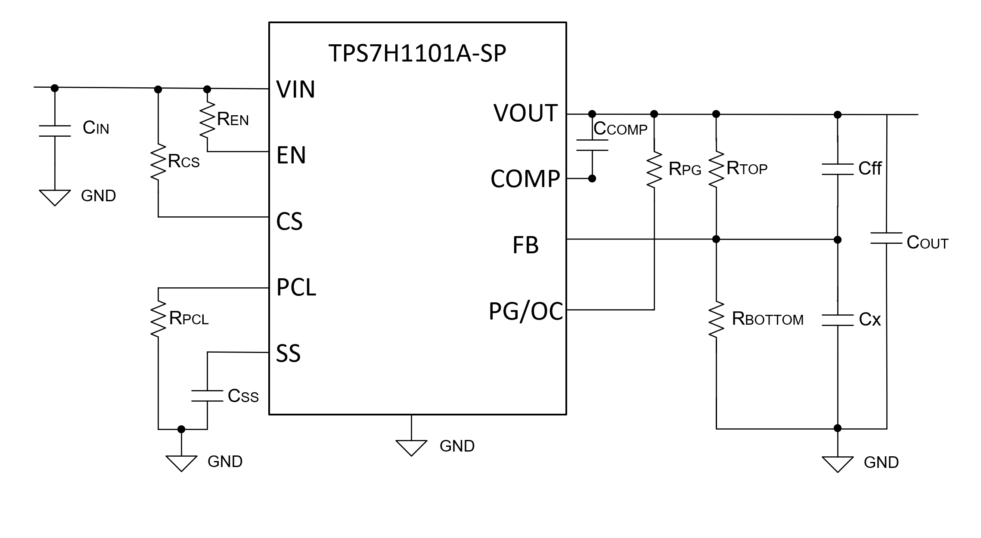

1.8029V

59kΩ
19.8kΩ
220µF

18kΩ
10kΩ

47nF

