Table of Contents
Isolated Amplifier Voltage Sensing Calculator: Table of Contents

Worksheets | Description

Help | Documentation and supporting links

Directions | Definitions and descriptions of calculator parameters and results

Voltage Sensing Calculator | Calculates a series of error values using an isolation amplifier for a voltage sense circuit in various configurations

Device Comparison | Compares the datasheet specifications of isolation amplifiers that can be used for voltage sensing

License | Information about this tool

Document Description
This document provides estimates of the errors associated with using isolation amplifier devices in a voltage sensing configuration.

Help
How to use this tool...

For any futher assistance on this tool, please post your question in the following forum - E2E Precision Data Converters Forum |  |  |  |  |  |  |  |  |  | Table of Contents

 | Getting Started with this tool?

 | 1. Please see this document that helps explain voltage sensing with low input impedance devices and the importance of R3': |  |  |  |  |  |  | https://www.ti.com/lit/sbaa350

 | 2. Reference the product datasheet, found at the URLs below, for information about the particular device.

 |  | Device | Sensing Application | ± Input voltage range | Isolation Rating | Integrated DC/DC | Automotive | 14mm Package | Datasheet:
 |  | AMC0311D | Voltage | 0-2V | Reinforced |  |  |  | http://www.ti.com/lit/gpn/AMC0311D
 |  | AMC0311D-Q1 | Voltage | 0-2V | Reinforced |  | YES |  | http://www.ti.com/lit/gpn/AMC0311D-Q1
 |  | AMC0311R-Q1 (Vref = 3.3V) | Voltage | 0-2.25V | Reinforced |  | YES |  | http://www.ti.com/lit/gpn/AMC0311R-Q1
 |  | AMC0311R-Q1 (Vref = 5V) | Voltage | 0-2.25V | Reinforced |  | YES |  | http://www.ti.com/lit/gpn/AMC0311R-Q1
 |  | AMC0311S | Voltage | 0-2.25V | Reinforced |  |  |  | http://www.ti.com/lit/gpn/AMC0311S
 |  | AMC0311S-Q1 | Voltage | 0-2.25V | Reinforced |  | YES |  | http://www.ti.com/lit/gpn/AMC0311S-Q1
 |  | AMC1202 | Current | ± 50mV | Basic |  |  |  | http://www.ti.com/lit/gpn/AMC1202
 |  | AMC1211-Q1 | Voltage | 0 - 2V | Basic |  | YES |  | http://www.ti.com/lit/gpn/AMC1211-q1
 |  | AMC1300/B: | Current | ± 250mV | Reinforced |  |  |  | http://www.ti.com/lit/gpn/AMC1300
 |  | AMC1300B-Q1: | Current | ± 250mV | Reinforced |  | YES |  | http://www.ti.com/lit/gpn/AMC1300B-Q1
 |  | AMC1301/S: | Current | ± 250mV | Reinforced |  |  |  | http://www.ti.com/lit/gpn/AMC1301
 |  | AMC1301-Q1: | Current | ± 250mV | Reinforced |  | YES |  | http://www.ti.com/lit/gpn/AMC1301-Q1
 |  | AMC1302: | Current | ± 50mV | Reinforced |  |  |  | http://www.ti.com/lit/gpn/AMC1302
 |  | AMC1302-Q1: | Current | ± 50mV | Reinforced |  | YES |  | http://www.ti.com/lit/gpn/AMC1302-Q1
 |  | AMC1311/B: | Voltage | 0 - 2V | Reinforced |  |  |  | http://www.ti.com/lit/gpn/AMC1311
 |  | AMC1311/B-Q1: | Voltage | 0 - 2V | Reinforced |  | YES |  | http://www.ti.com/lit/gpn/AMC1311-Q1
 |  | AMC1350 | Voltage | ± 5V | Reinforced |  |  |  | http://www.ti.com/lit/gpn/AMC1350
 |  | AMC1351 | Voltage | 0 - 5V | Reinforced |  |  |  | http://www.ti.com/lit/gpn/AMC1351
 |  | AMC1400: | Current | ± 250mV | Reinforced |  |  | YES | http://www.ti.com/lit/gpn/AMC1400
 |  | AMC1411: | Voltage | 0 - 2V | Reinforced |  |  | YES | http://www.ti.com/lit/gpn/AMC1411
 |  | AMC3301: | Current | ± 250mV | Reinforced | YES |  |  | http://www.ti.com/lit/gpn/AMC3301
 |  | AMC3301-Q1: | Current | ± 250mV | Reinforced | YES | YES |  | http://www.ti.com/lit/gpn/AMC3301-Q1
 |  | AMC3302: | Current | ± 50mV | Reinforced | YES |  |  | http://www.ti.com/lit/gpn/AMC3302
 |  | AMC3302-Q1: | Current | ± 50mV | Reinforced | YES | YES |  | http://www.ti.com/lit/gpn/AMC3302-Q1
 |  | AMC3330: | Voltage | ± 1V | Reinforced | YES |  |  | http://www.ti.com/lit/gpn/AMC3330
 |  | AMC3330-Q1: | Voltage | ± 1V | Reinforced | YES | YES |  | http://www.ti.com/lit/gpn/AMC3330-Q1
 |  | ISO224A/B: | Voltage | ± 12V | Reinforced |  |  |  | http://www.ti.com/lit/gpn/ISO224

 | 3. Go to the Table of Contents for tool descriptions and links to specific worksheets.
 |  | Link: |  | Table of Contents

 | 4.Use the "Legend" on each worksheet for guidance. The required inputs and calculated results typically follow the convention below:

 |  | Input = | #
 |  | Intermediary Result = | #
 |  | Final Result = | #
 |  | Warning = | #
 |  | Error = | #

 | 5. Go to the Directions tab for descriptions of each cell in the Voltage Sensing Calculator
 |  |  | Link: | Directions

Directions
Isolated Amplifier Voltage Sensing Calculator: Directions

 | Voltage Sensing Calculator directions and results explanations. |  |  | Table of Contents

1) | User Inputs |  | 3) | Specifications
 | Select Configuration | Output options |  | Gain Error | Difference between ideal voltage and actual voltage output |  | Data Sheet typical and maximum values listed & translated to mV
 | Select Device | AMC devices
 | Peak High Voltage | Maximum voltage system will detect |  | Gain Drift | How gain error changes over temperature
 | R1/R2 Resistance | Voltage divider value (R = V/I; V=max. input, I=max. current) |  | Offset Error | Difference between ideal offset to actual offset
 | Applied Full-Scale Voltage, R3 | Voltage across shunt resistor |  | Offset Drift | How offset error changes over temperature
 | RC Filter Resistance, RF | Resistor value of input filter (typ. 10 Ω) |  | INL | Integral Non Linearity - deviation of the actual transfer function with respect to ideal transfer function
 | RC Filter Resistance, CF | Capacitor value of input filter (typ 10 nF)
 | Ambient Temperature Minimum | Minimum temperature of environment
 | Ambient Temperature Maximum | Maximum temperature of environment |  | INL Drift | How INL error changes over temperature
 |  |  |  | Mixed Error | Offset error & Offset drift multiplied by non-ideal gain
2) | User Inputs Results
 | Ideal R3 Resistance | Calculated shunt resistor value | 4) | Error Results - Error of device with user inputs
 | Ideal R3' Resistance | Calculated R3' value |  | Total Error | Final Result! Error of device & user inputs only |  | Error calculated cutput preferred typical and maximum values, listed as a percentage of full-scale range & translated to mV
 | R3 Standard 1% Resistor | Closest 1% rated resistor value to ideal resistance
 | R3' Standard 1% Resistor | Closest 1% rated resistor value to ideal resistance |  | Total Error after offset calibration | Error if calibrate offset
 | RC Filter Cutoff Frequency | Cutoff filter value from input filter
 | Power Dissipation Across Voltage Divider | Power dissipated across resistor divider at room temperature |  | Total Error after offset and 2-point gain calibration | Error if calibrate offset twice

 | Maximum +FS Differential Input Voltage | Maximum full scale differential input voltage in respect to input current
 |  |  |  | Total Error after offset and 2-point gain cal over temperature | Error if calibrate offset twice over temperaure (should have best results)
 | Minimum +FS Differential Input Voltage | Minimum full scale differential input voltage in respect to input current

 | Maximum Differential Voltage over Temperature | Maximum full scale differential input voltage in respect to input current and room temperature

 | Minimum Differential Voltage over Temperature | Minimum full scale differential input voltage in respect to input current and room temperature

 | Resistor Divider Current (uA) | Current across resistor divider

 | Differential to single-ended conversion directions and results explanations.

1) | User Inputs |  | 4) | Worst Case Differential to Single-Ended Error PPM - Error from Op Amp user inputs
 | Reference Input Offset Voltage | Calculated input offset as per drawn circuit due to OPA offset, offset drift, Rf/Rg tolerance, Rf/Rg drift, assuming 5V supply and 2.5V common-mode output |  | Gain |  | Gain of Op Amp feedback resistors
 |  |  |  | Output of AMC |  | Positive full-scale output of AMC in mV [Input of Op Amp]
 |  |  |  | Output of Op Amp |  | Expected output of Op Amp based on previous two values
 | Reference Offset Voltage Drift | How reference input offset voltage changes over temperature |  | Gain Error |  | Difference between ideal voltage and actual voltage output of Op Amp

 | OPA Input Offset | Voltage required between two input terminals of selected op amp to have 0V output (from OPA data sheet) |  | Gain Drift |  | How gain error changes over temperature of Op Amp
 |  |  |  | Offset Error |  | Difference between ideal offset to actual offset of Op Amp
 | OPA Offset Drift | How OPA input offset changes over temperature (from OPA data sheet) |  | Offset Drift |  | How offset error changes over temperature of Op Amp

 | OPA Rf/Rg Tolerance | Tolerance of op amp resistors selected | 5) | Total Worst Case PPM Solutions - Section 1 + 2 + 3; root-sum-square
 | OPA Rf/Rg Drift | How OPA Rf/Rg tolerance changes over temperature |  | Reference Specifications table above for definitions.
 | Rf | Feedback resistor value (recommended value in device data sheet)
 | Rg | Non inverting ground resistor value (recommended value in device data sheet) | 6) | Differential to Single-Ended Conversion Error Results
 |  |  |  | Reference Error Results table above for definitions
2) | AMC Error PPM - Error from device over full-scale output in parts per million |  |  | Device (1) + Shunt Resistor (2) + Op Amp (3) error results in typical/worst-case values:
 | Reference Specifications table above for definitions. |  |  | Total Error PPM | Root-sum-square error in PPM
 |  |  |  | Error %FSR | Total Error percentage of full scale range
3) | Worst Case Resistor Divider Error PPM - Resistor divider error in parts per million |  |  | mV Error | Error in mV of Op Amp
 | Resistor Divider Tolderance | Tolerance of resistors from resistor divider |  | mV Error @Input | Error in mV at input of device
 | Resistor Divider Drift | Drift of resistors from resistor divider |  | A Error @Input | Error in A at input of device
 | Sense Resistor Tolerance | Tolerance of shunt resistor translated to PPM
 | Sense Resistor Drift | How shunt resistor tolerance changes over temperature in PPM

Voltage Sensing Calculator
Isolated Amplifier Voltage Sensing Calculator
 |  |  |  |  |  |  |  |  |  |  |  | Table of Contents

selectConfig |  |  |  |  | User Inputs
 |  |  |  |  | Input Configuration |  |  |  | [Select Configuration]
 |  |  |  |  | Select Device |  |  |  | [Select Device]
 |  |  |  |  | Peak High Voltage |  |  |  | 1000 V
 |  |  |  |  | R1 Resistance |  |  |  | 12,500,000 Ω
 |  |  |  |  | R2 Resistance |  |  |  | 0 Ω
 |  |  |  |  | Applied Full-Scale Voltage, R3 |  |  |  | 1,000 mV
 |  |  |  |  | RC Filter Resistance, RF |  |  |  | 10 Ω
 |  |  |  |  | RC Filter Resistance, CF |  |  |  | 10.00 nF
 |  |  |  |  | Ambient Temperature Min |  |  |  | -40 °C
 |  |  |  |  | Ambient Temperature Max |  |  |  | 125 °C
 |  |  |  |  | Ideal R3 Resistance
 |  |  |  |  | Ideal R3' Resistance
 |  |  |  |  | R3 Standard 1% Resistor |  |  |  |  |  |  | Final Error Results
 |  |  |  |  | R3' Standard 1% Resistor |  |  |  |  |  |  | Typical Error (%FSR)
 |  |  |  |  | RC Filter Cutoff Frequency |  |  |  |  |  |  | Typical Error (mV)
 |  |  |  |  | Power Dissipation Across Voltage Divider |  |  |  |  |  |  | Worst-Case Error (%FSR)
Legend |  |  |  |  | Maximum +FS Differential Input Voltage |  |  |  |  |  |  | Worst-Case Error (mV)
Input = | # |  |  |  | Minimum +FS Differential Input Voltage
Intermediary Result = | # |  |  |  | Maximum Differential Voltage over Temperature
Final Result = | # |  |  |  | Minimum Differential Voltage over Temperature
Warning = | # |  |  |  | Resistor Divider Current (uA)
Error = | #

[Select Device] Error Calculation Across Temperature (-40°C to + 125°C) |  |  |  |  |  |  |  |  |  |  |  | Comments
±Input Voltage Range by Datasheet Specification = |  |  |  |  | Ideal +FS Input |  | Usable +FS Input |  | Ideal +FS Output

Specifications |  |  | Typical Spec |  | Maximum Spec |  | Typical Error (mV) |  | Maximum Error (mV)
Gain Error
Gain Drift |  |  |  |  |  |  |  |  |  |  |  | Temperature Drift from -40°C to 125°C calculated using box method as described in device datasheet
Offset Error
Offset Drift |  |  |  |  |  |  |  |  |  |  |  | Temperature Drift from -40°C to 125°C calculated using box method as described in device datasheet
INL
INL Drift |  |  |  |  |  |  |  |  |  |  |  | Worst-Case Drift from -40°C to 125°C, Worst Case = 3 * Typical if no max in datasheet
Mixed Error |  |  | N/A |  | N/A |  |  |  |  |  |  | Offset error & Offset drift multiplied by non-ideal gain
Gain Error Rin Variation |  |  |  |  |  |  |  |  |  |  |  | Error due to variation in Rin; +/-15% assumed if not specified
Gain Error Rin Variation Drift |  |  |  |  |  |  |  |  |  |  |  | AMC Rin drift specified at 10ppm/C
Input Bias Current Error |  |  | N/A |  | N/A |  |  |  |  |  |  | Input bias current multiplied by sense resistor. Variation of input bias current and external resistor temperature drift is not accounted for.
Error Results |  |  | Typical Error (mV) |  | Typical Error (%FSR) |  | Maximum Error (mV) |  | Maximum Error (mV) |  | Worst-Case Error (mV) |  | Worst-Case Error (%FSR)
Total Error |  |  |  |  |  |  |  |  |  |  |  |  |  | All error terms are output referred.
Total Error after offset cal |  |  |  |  |  |  |  |  |  |  |  |  |  | Typical and Maximum Errors use root-sum-square (RSS)
Total Error after offset and 2-point gain calibration |  |  |  |  |  |  |  |  |  |  |  |  |  | Worst-Case Error does not use RSS
Total Error after offset and 2-point gain cal over temperature

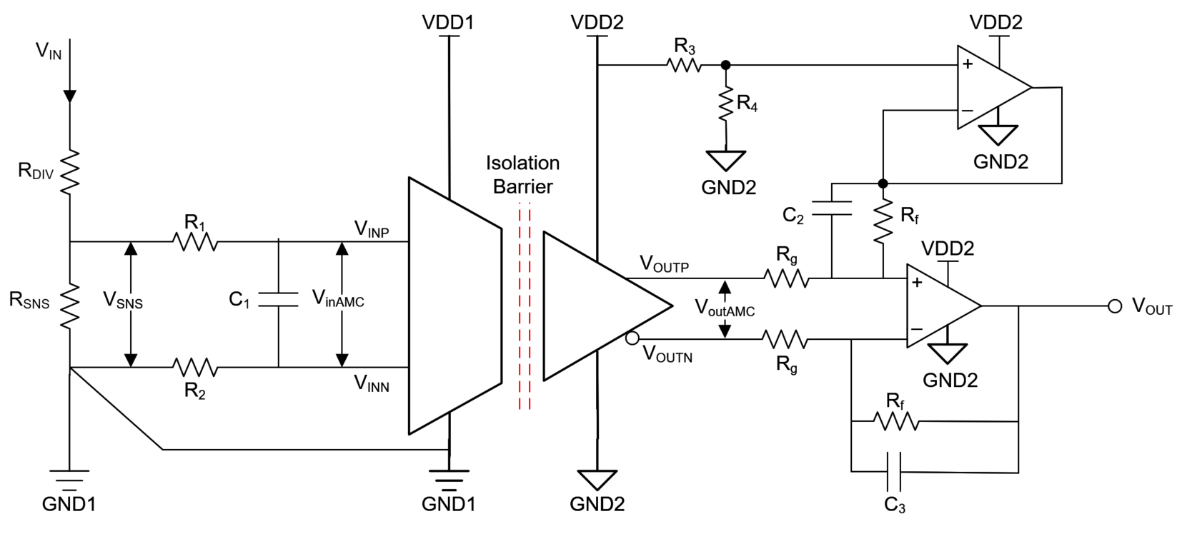
 |  |  |  |  |  |  |  | User Inputs for Dif. To SE Conversion |  |  |  | Final Error Results
 |  |  |  |  |  |  |  | Reference Input Offset Voltage |  |  |  | Typical Total Error (PPM)
 |  |  |  |  |  |  |  | Reference Offset Voltage Drift |  |  |  | Typical Total Error (%FSR)
 |  |  |  |  |  |  |  | OPA Input Offset |  | 0.40 mV |  | Typical Total Error (mV)
 |  |  |  |  |  |  |  | OPA Offset Drift |  | 0.60 µV/°C |  | Maximum Total Error (PPM)
 |  |  |  |  |  |  |  | OPA Rf/Rg Tolerance |  | 0.1 % |  | Worst-Case Total Error (%FSR)
 |  |  |  |  |  |  |  | OPA Rf/Rg Drift |  | 50.0 ppm/°C |  | Worst-Case Total Error (mV)
 |  |  |  |  |  |  |  | Rf |  | 4.1 kΩ
 |  |  |  |  |  |  |  | Rg |  | 3.3 kΩ

Resistor Divider + Isolated Amplifier + Differential to Single-ended Conversion Error Calculation Across Temperature (-40°C to + 125°C)

1 |  | 2 |  | 3 |  |  |  | 1+2+3 (RSS)
AMC Error PPM |  | Worst Case Resistor Divider Error PPM |  | Worst Case Differential to Single-Ended Error PPM |  |  |  | Total Worst Case PPM
Gain Error |  | Resistor Divider Tolerance | 0.0 % | Gain |  |  |  | Gain Error
Gain Drift |  | Resistor Divider Drift | 0.0 ppm/°C | Output of AMC |  |  |  | Gain Drift
Offset Error |  | Sense Resistor Tolerance | 0.0 % | Output of OPAMP |  |  |  | Offset Error
Offset Drift |  | Sense Resistor Drift | 0.0 ppm/°C | Gain Error |  |  |  | Offset Drift
INL |  | Gain Error |  | Gain Drift |  |  |  | INL
INL Drift |  | Gain Drift |  | Offset Error |  |  |  | INL Drift
Mixed Error + GE+T_Rin + Ib |  |  |  | Offset Drift |  |  |  | Mixed Error
Resistor Divider (1) + AMC (2) + Diff to SE Conversion (3) |  |  | Total Error PPM | Error %FSR |  | mV Error |  | mV Error @Input |  | V Error @Input
Typical Total Error
Typical Total Error after offset calibration
Typical Total Error after offset and 2-point gain calibration
Maximum Total Error
Maximum Total Error after offset calibration
Maximum Total Error after offset and 2-point gain calibration
Worst-Case Total Error
Worst-Case Total Error after offset calibration
Worst-Case Total Error after offset and 2-point gain calibration

Device Comparison
Device Comparison

 | Note: if no maximum specification is given in the datasheet, the maximum value is estimated at 3x the typical value. If no typical is given, the typical value is estimated at 1/3x the maximum. |  |  |  |  |  |  |  |  |  |  |  |  |  | Table of Contents
Part | Input Type | Output Type | Gain Error Typ | Gain Error Max | Gain Drift Typ | Gain Drift Max | Offset Error Typ | Offset Error Max | Offset Drift Typ | Offset Drift Max | INL Typ | INL Max | INL Drift Typ | INL Drift Max | ±Input Voltage Range | ±Output Voltage Range | Temp Min | Temp Max | Input Resistor (R4) | Single-Ended Input Resistance | Differential Input Resistance | Gain | Bias Current
AMC0100R (Vref = 3.3V) | Differential | Ratiometric | 0.04% | 0.25% | 5 ppm/°C | 35 ppm/°C | 0.010 mV | 0.200 mV | 0.25 µV/°C | 3.00 µV/°C | 0.01% | 0.40% | 1 ppm/°C | 3 ppm/°C | 250 mV | 3 V | -40 °C | 125 °C |  | 27,500 Ω | 27,500 Ω | 13.20 | 0 µA
AMC0100R (Vref = 5V) | Differential | Ratiometric | 0.04% | 0.25% | 5 ppm/°C | 35 ppm/°C | 0.010 mV | 0.200 mV | 0.25 µV/°C | 3.00 µV/°C | 0.01% | 0.40% | 1 ppm/°C | 3 ppm/°C | 250 mV | 5 V | -40 °C | 125 °C |  | 27,500 Ω | 27,500 Ω | 20.00 | 0 µA
AMC0200D | Differential | Differential | 0.04% | 0.25% | 5 ppm/°C | 35 ppm/°C | 0.010 mV | 0.200 mV | 0.25 µV/°C | 2.00 µV/°C | 0.01% | 0.04% | 1 ppm/°C | 3 ppm/°C | 250 mV | 2 V | -40 °C | 125 °C |  | 27,500 Ω | 27,500 Ω | 8.20 | 0 µA
AMC0200D-Q1 | Differential | Differential | 0.04% | 0.25% | 5 ppm/°C | 35 ppm/°C | 0.010 mV | 0.200 mV | 0.25 µV/°C | 2.00 µV/°C | 0.01% | 0.04% | 1 ppm/°C | 3 ppm/°C | 250 mV | 2 mV | -40 °C | 125 °C |  | 27,500 Ω | 27,500 Ω | 8.20 | 0 µA
AMC0200R (Vref = 3.3V) | Differential | Ratiometric | 0.04% | 0.25% | 5 ppm/°C | 35 ppm/°C | 0.010 mV | 0.200 mV | 0.25 µV/°C | 3.00 µV/°C | 0.01% | 0.40% | 1 ppm/°C | 3 ppm/°C | 250 mV | 3 mV | -40 °C | 125 °C |  | 27,500 Ω | 27,500 Ω | 13.20 | 0 µA
AMC0200R (Vref = 5V) | Differential | Ratiometric | 0.04% | 0.25% | 5 ppm/°C | 35 ppm/°C | 0.010 mV | 0.200 mV | 0.25 µV/°C | 3.00 µV/°C | 0.01% | 0.40% | 1 ppm/°C | 3 ppm/°C | 250 mV | 5 V | -40 °C | 125 °C |  | 27,500 Ω | 27,500 Ω | 20.00 | 0 µA
AMC0200R-Q1 (Vref = 3.3V) | Differential | Ratiometric | 0.04% | 0.25% | 5 ppm/°C | 35 ppm/°C | 0.010 mV | 0.200 mV | 0.25 µV/°C | 3.00 µV/°C | 0.01% | 0.40% | 1 ppm/°C | 3 ppm/°C | 250 mV | 3 V | -40 °C | 125 °C |  | 27,500 Ω | 27,500 Ω | 13.20 | 0 µA
AMC0200R-Q1 (Vref = 5V) | Differential | Ratiometric | 0.04% | 0.25% | 5 ppm/°C | 35 ppm/°C | 0.010 mV | 0.200 mV | 0.25 µV/°C | 3.00 µV/°C | 0.01% | 0.40% | 1 ppm/°C | 3 ppm/°C | 250 mV | 5 V | -40 °C | 125 °C |  | 27,500 Ω | 27,500 Ω | 20.00 | 0 µA
AMC0202D | Differential | Differential | 0.04% | 0.20% | 5 ppm/°C | 45 ppm/°C | 0.004 mV | 0.050 mV | 0.10 µV/°C | 0.90 µV/°C | 0.01% | 0.04% | 1 ppm/°C | 3 ppm/°C | 50 mV | 2 V | -40 °C | 125 °C |  | 6,300 Ω | 6,300 Ω | 41.00 | 0 µA
AMC0202D-Q1 | Differential | Differential | 0.04% | 0.20% | 5 ppm/°C | 45 ppm/°C | 0.004 mV | 0.050 mV | 0.10 µV/°C | 0.90 µV/°C | 0.01% | 0.04% | 1 ppm/°C | 3 ppm/°C | 50 mV | 2 V | -40 °C | 125 °C |  | 6,300 Ω | 6,300 Ω | 41.00 | 0 µA
AMC0202R (Vref = 3.3V) | Differential | Ratiometric | 0.04% | 0.20% | 5 ppm/°C | 45 ppm/°C | 0.004 mV | 0.050 mV | 0.15 µV/°C | 1.00 µV/°C | 0.01% | 0.04% | 1 ppm/°C | 3 ppm/°C | 50 mV | 3 V | -40 °C | 125 °C |  | 6,300 Ω | 6,300 Ω | 66.00 | 0 µA
AMC0202R (Vref = 5V) | Differential | Ratiometric | 0.04% | 0.20% | 5 ppm/°C | 45 ppm/°C | 0.004 mV | 0.050 mV | 0.15 µV/°C | 1.00 µV/°C | 0.01% | 0.04% | 1 ppm/°C | 3 ppm/°C | 50 mV | 5 V | -40 °C | 125 °C |  | 6,300 Ω | 6,300 Ω | 100.00 | 0 µA
AMC0202R-Q1 (Vref = 3.3V) | Differential | Ratiometric | 0.04% | 0.20% | 5 ppm/°C | 45 ppm/°C | 0.004 mV | 0.050 mV | 0.15 µV/°C | 1.00 µV/°C | 0.01% | 0.04% | 1 ppm/°C | 3 ppm/°C | 50 mV | 3 V | -40 °C | 125 °C |  | 6,300 Ω | 6,300 Ω | 66.00 | 0 µA
AMC0202R-Q1 (Vref = 5V) | Differential | Ratiometric | 0.04% | 0.20% | 5 ppm/°C | 45 ppm/°C | 0.004 mV | 0.050 mV | 0.15 µV/°C | 1.00 µV/°C | 0.01% | 0.04% | 1 ppm/°C | 3 ppm/°C | 50 mV | 5 V | -40 °C | 125 °C |  | 6,300 Ω | 6,300 Ω | 100.00 | 0 µA
AMC0211D | Single-Ended | Differential | 0.04% | 0.25% | 5 ppm/°C | 50 ppm/°C | 0.100 mV | 0.800 mV | 1.00 µV/°C | 10.00 µV/°C | 0.002% | 0.035% | 1 ppm/°C | 3 ppm/°C | 2,000 mV | 2 V | -40 °C | 125 °C |  | 2,400,000,000 Ω | 2,400,000,000 Ω | 1.00 | 0.003 µA
AMC0211D-Q1 | Single-Ended | Differential | 0.04% | 0.25% | 5 ppm/°C | 50 ppm/°C | 0.100 mV | 0.800 mV | 1.00 µV/°C | 10.00 µV/°C | 0.002% | 0.035% | 1 ppm/°C | 3 ppm/°C | 2,000 mV | 2 V | -40 °C | 125 °C |  | 2,400,000,000 Ω | 2,400,000,000 Ω | 1.00 | 0.003 µA
AMC0211R-Q1 (Vref = 3.3V) | Single-Ended | Ratiometric | 0.04% | 0.25% | 5 ppm/°C | 40 ppm/°C | 0.150 mV | 1.500 mV | 3.00 µV/°C | 30.00 µV/°C | 0.002% | 0.08% | 1 ppm/°C | 3 ppm/°C | 2,250 mV | 3 V | -40 °C | 125 °C |  | 2,400,000,000 Ω | 2,400,000,000 Ω | 1.29 | 0.003 µA
AMC0211R-Q1 (Vref = 5V) | Single-Ended | Ratiometric | 0.04% | 0.25% | 5 ppm/°C | 40 ppm/°C | 0.150 mV | 1.500 mV | 3.00 µV/°C | 30.00 µV/°C | 0.002% | 0.08% | 1 ppm/°C | 3 ppm/°C | 2,250 mV | 5 V | -40 °C | 125 °C |  | 2,400,000,000 Ω | 2,400,000,000 Ω | 2.50 | 0.003 µA
AMC0211S | Single-Ended | Single-Ended | 0.04% | 0.25% | 5 ppm/°C | 50 ppm/°C | 0.150 mV | 1.000 mV | 3.00 µV/°C | 30.00 µV/°C | 0.002% | 0.08% | 1 ppm/°C | 3 ppm/°C | 2,250 mV | 2 V | -40 °C | 125 °C |  | 2,400,000,000 Ω | 2,400,000,000 Ω | 1.00 | 0.003 µA
AMC0211S-Q1 | Single-Ended | Single-Ended | 0.04% | 0.25% | 5 ppm/°C | 50 ppm/°C | 0.150 mV | 1.000 mV | 3.00 µV/°C | 30.00 µV/°C | 0.002% | 0.08% | 1 ppm/°C | 3 ppm/°C | 2,250 mV | 2 V | -40 °C | 125 °C |  | 2,400,000,000 Ω | 2,400,000,000 Ω | 1.00 | 0.003 µA
AMC0230D | Differential | Differential | 0.04% | 0.25% | 5 ppm/°C | 40 ppm/°C | 0.100 mV | 0.800 mV | 1.00 µV/°C | 10.00 µV/°C | 0.01% | 0.03% | 1 ppm/°C | 3 ppm/°C | 1,000 mV | 2 V | -40 °C | 125 °C |  | 2,400,000,000 Ω | 2,400,000,000 Ω | 2.00 | 0 µA
AMC0230D-Q1 | Differential | Differential | 0.04% | 0.25% | 5 ppm/°C | 40 ppm/°C | 0.100 mV | 0.800 mV | 1.00 µV/°C | 10.00 µV/°C | 0.01% | 0.03% | 1 ppm/°C | 3 ppm/°C | 1,000 mV | 2 V | -40 °C | 125 °C |  | 2,400,000,000 Ω | 2,400,000,000 Ω | 2.00 | 0 µA
AMC0230R (Vref = 3.3V) | Differential | Ratiometric | 0.04% | 0.25% | 5 ppm/°C | 40 ppm/°C | 0.010 mV | 1.500 mV | 2.00 µV/°C | 20.00 µV/°C | 0.01% | 0.03% | 1 ppm/°C | 3 ppm/°C | 1,000 mV | 3 V | -40 °C | 125 °C |  | 2,400,000,000 Ω | 2,400,000,000 Ω | 3.30 | 0 µA
AMC0230R (Vref = 5V) | Differential | Ratiometric | 0.04% | 0.25% | 5 ppm/°C | 40 ppm/°C | 0.010 mV | 1.500 mV | 2.00 µV/°C | 20.00 µV/°C | 0.01% | 0.03% | 1 ppm/°C | 3 ppm/°C | 1,000 mV | 5 V | -40 °C | 125 °C |  | 2,400,000,000 Ω | 2,400,000,000 Ω | 5.00 | 0 µA
AMC0230R-Q1 (Vref = 3.3V) | Differential | Ratiometric | 0.04% | 0.25% | 5 ppm/°C | 40 ppm/°C | 0.010 mV | 1.500 mV | 2.00 µV/°C | 20.00 µV/°C | 0.01% | 0.03% | 1 ppm/°C | 3 ppm/°C | 1,000 mV | 3 V | -40 °C | 125 °C |  | 2,400,000,000 Ω | 2,400,000,000 Ω | 3.30 | 0 µA
AMC0230R-Q1 (Vref = 5V) | Differential | Ratiometric | 0.04% | 0.25% | 5 ppm/°C | 40 ppm/°C | 0.010 mV | 1.500 mV | 2.00 µV/°C | 20.00 µV/°C | 0.01% | 0.03% | 1 ppm/°C | 3 ppm/°C | 1,000 mV | 5 V | -40 °C | 125 °C |  | 2,400,000,000 Ω | 2,400,000,000 Ω | 5.00 | 0 µA
AMC0230S | Differential | Single-Ended | 0.04% | 0.25% | 5 ppm/°C | 45 ppm/°C | 0.100 mV | 1.200 mV | 2.00 µV/°C | 20.00 µV/°C | 0.01% | 0.03% | 1 ppm/°C | 3 ppm/°C | 1,000 mV | 2 V | -40 °C | 125 °C |  | 2,400,000,000 Ω | 2,400,000,000 Ω | 2.00 | 0 µA
AMC0230S-Q1 | Differential | Single-Ended | 0.04% | 0.25% | 5 ppm/°C | 45 ppm/°C | 0.100 mV | 1.200 mV | 2.00 µV/°C | 20.00 µV/°C | 0.01% | 0.03% | 1 ppm/°C | 3 ppm/°C | 1,000 mV | 2 V | -40 °C | 125 °C |  | 2,400,000,000 Ω | 2,400,000,000 Ω | 2.00 | 0 µA
AMC0300D | Differential | Differential | 0.04% | 0.25% | 5 ppm/°C | 35 ppm/°C | 0.010 mV | 0.200 mV | 0.25 µV/°C | 2.00 µV/°C | 0.01% | 0.04% | 1 ppm/°C | 3 ppm/°C | 250 mV | 2 V | -40 °C | 125 °C |  | 27,500 Ω | 27,500 Ω | 8.20 | 0 µA
AMC0300D-Q1 | Differential | Differential | 0.04% | 0.25% | 5 ppm/°C | 35 ppm/°C | 0.010 mV | 0.200 mV | 0.25 µV/°C | 2.00 µV/°C | 0.01% | 0.04% | 1 ppm/°C | 3 ppm/°C | 250 mV | 2 V | -40 °C | 125 °C |  | 27,500 Ω | 27,500 Ω | 8.20 | 0 µA
AMC0300R (Vref = 3.3V) | Differential | Ratiometric | 0.04% | 0.25% | 5 ppm/°C | 35 ppm/°C | 0.010 mV | 0.200 mV | 0.25 µV/°C | 3.00 µV/°C | 0.01% | 0.40% | 1 ppm/°C | 3 ppm/°C | 250 mV | 3 V | -40 °C | 125 °C |  | 27,500 Ω | 27,500 Ω | 13.20 | 0 µA
AMC0300R (Vref = 5V) | Differential | Ratiometric | 0.04% | 0.25% | 5 ppm/°C | 35 ppm/°C | 0.010 mV | 0.200 mV | 0.25 µV/°C | 3.00 µV/°C | 0.01% | 0.40% | 1 ppm/°C | 3 ppm/°C | 250 mV | 5 V | -40 °C | 125 °C |  | 27,500 Ω | 27,500 Ω | 20.00 | 0 µA
AMC0300R-Q1 (Vref = 3.3V) | Differential | Ratiometric | 0.04% | 0.25% | 5 ppm/°C | 35 ppm/°C | 0.010 mV | 0.200 mV | 0.25 µV/°C | 3.00 µV/°C | 0.01% | 0.40% | 1 ppm/°C | 3 ppm/°C | 250 mV | 3 V | -40 °C | 125 °C |  | 27,500 Ω | 27,500 Ω | 13.20 | 0 µA
AMC0300R-Q1 (Vref = 5V) | Differential | Ratiometric | 0.04% | 0.25% | 5 ppm/°C | 35 ppm/°C | 0.010 mV | 0.200 mV | 0.25 µV/°C | 3.00 µV/°C | 0.01% | 0.40% | 1 ppm/°C | 3 ppm/°C | 250 mV | 5 V | -40 °C | 125 °C |  | 27,500 Ω | 27,500 Ω | 20.00 | 0 µA
AMC0302D | Differential | Differential | 0.04% | 0.20% | 5 ppm/°C | 45 ppm/°C | 0.004 mV | 0.050 mV | 0.10 µV/°C | 0.90 µV/°C | 0.01% | 0.04% | 1 ppm/°C | 3 ppm/°C | 50 mV | 2 V | -40 °C | 125 °C |  | 6,300 Ω | 6,300 Ω | 41.00 | 0 µA
AMC0302D-Q1 | Differential | Differential | 0.04% | 0.20% | 5 ppm/°C | 45 ppm/°C | 0.004 mV | 0.050 mV | 0.10 µV/°C | 0.90 µV/°C | 0.01% | 0.04% | 1 ppm/°C | 3 ppm/°C | 50 mV | 2 V | -40 °C | 125 °C |  | 6,300 Ω | 6,300 Ω | 41.00 | 0 µA
AMC0302R (Vref = 3.3V) | Differential | Ratiometric | 0.04% | 0.20% | 5 ppm/°C | 45 ppm/°C | 0.004 mV | 0.050 mV | 0.15 µV/°C | 1.00 µV/°C | 0.01% | 0.04% | 1 ppm/°C | 3 ppm/°C | 50 mV | 3 V | -40 °C | 125 °C |  | 6,300 Ω | 6,300 Ω | 66.00 | 0 µA
AMC0302R (Vref = 5V) | Differential | Ratiometric | 0.04% | 0.20% | 5 ppm/°C | 45 ppm/°C | 0.004 mV | 0.050 mV | 0.15 µV/°C | 1.00 µV/°C | 0.01% | 0.04% | 1 ppm/°C | 3 ppm/°C | 50 mV | 5 V | -40 °C | 125 °C |  | 6,300 Ω | 6,300 Ω | 100.00 | 0 µA
AMC0302R-Q1 (Vref = 3.3V) | Differential | Ratiometric | 0.04% | 0.20% | 5 ppm/°C | 45 ppm/°C | 0.004 mV | 0.050 mV | 0.15 µV/°C | 1.00 µV/°C | 0.01% | 0.04% | 1 ppm/°C | 3 ppm/°C | 50 mV | 3 V | -40 °C | 125 °C |  | 6,300 Ω | 6,300 Ω | 66.00 | 0 µA
AMC0302R-Q1 (Vref = 5V) | Differential | Ratiometric | 0.04% | 0.20% | 5 ppm/°C | 45 ppm/°C | 0.004 mV | 0.050 mV | 0.15 µV/°C | 1.00 µV/°C | 0.01% | 0.04% | 1 ppm/°C | 3 ppm/°C | 50 mV | 5 V | -40 °C | 125 °C |  | 6,300 Ω | 6,300 Ω | 100.00 | 0 µA
AMC0311D | Single-Ended | Differential | 0.04% | 0.25% | 5 ppm/°C | 50 ppm/°C | 0.100 mV | 0.800 mV | 1.00 µV/°C | 10.00 µV/°C | 0.002% | 0.035% | 1 ppm/°C | 3 ppm/°C | 2,000 mV | 2 V | -40 °C | 125 °C |  | 2,400,000,000 Ω | 2,400,000,000 Ω | 1.00 | 0.003 µA
AMC0311D-Q1 | Single-Ended | Differential | 0.04% | 0.25% | 5 ppm/°C | 50 ppm/°C | 0.100 mV | 0.800 mV | 1.00 µV/°C | 10.00 µV/°C | 0.002% | 0.035% | 1 ppm/°C | 3 ppm/°C | 2,000 mV | 2 V | -40 °C | 125 °C |  | 2,400,000,000 Ω | 2,400,000,000 Ω | 1.00 | 0.003 µA
AMC0311R-Q1 (Vref = 3.3V) | Single-Ended | Ratiometric | 0.04% | 0.25% | 5 ppm/°C | 40 ppm/°C | 0.150 mV | 1.500 mV | 3.00 µV/°C | 30.00 µV/°C | 0.002% | 0.08% | 1 ppm/°C | 3 ppm/°C | 2,250 mV | 3 V | -40 °C | 125 °C |  | 2,400,000,000 Ω | 2,400,000,000 Ω | 1.29 | 0.003 µA
AMC0311R-Q1 (Vref = 5V) | Single-Ended | Ratiometric | 0.04% | 0.25% | 5 ppm/°C | 40 ppm/°C | 0.150 mV | 1.500 mV | 3.00 µV/°C | 30.00 µV/°C | 0.002% | 0.08% | 1 ppm/°C | 3 ppm/°C | 2,250 mV | 5 V | -40 °C | 125 °C |  | 2,400,000,000 Ω | 2,400,000,000 Ω | 2.50 | 0.003 µA
AMC0311S | Single-Ended | Single-Ended | 0.04% | 0.25% | 5 ppm/°C | 50 ppm/°C | 0.150 mV | 1.000 mV | 3.00 µV/°C | 30.00 µV/°C | 0.002% | 0.08% | 1 ppm/°C | 3 ppm/°C | 2,250 mV | 2 V | -40 °C | 125 °C |  | 2,400,000,000 Ω | 2,400,000,000 Ω | 1.00 | 0.003 µA
AMC0311S-Q1 | Single-Ended | Single-Ended | 0.04% | 0.25% | 5 ppm/°C | 50 ppm/°C | 0.150 mV | 1.000 mV | 3.00 µV/°C | 30.00 µV/°C | 0.002% | 0.08% | 1 ppm/°C | 3 ppm/°C | 2,250 mV | 2 V | -40 °C | 125 °C |  | 2,400,000,000 Ω | 2,400,000,000 Ω | 1.00 | 0.003 µA
AMC0330D | Differential | Differential | 0.04% | 0.25% | 5 ppm/°C | 40 ppm/°C | 0.100 mV | 0.800 mV | 1.00 µV/°C | 10.00 µV/°C | 0.01% | 0.03% | 1 ppm/°C | 3 ppm/°C | 1,000 mV | 2 V | -40 °C | 125 °C |  | 2,400,000,000 Ω | 2,400,000,000 Ω | 2.00 | 0 µA
AMC0330D-Q1 | Differential | Differential | 0.04% | 0.25% | 5 ppm/°C | 40 ppm/°C | 0.100 mV | 0.800 mV | 1.00 µV/°C | 10.00 µV/°C | 0.01% | 0.03% | 1 ppm/°C | 3 ppm/°C | 1,000 mV | 2 V | -40 °C | 125 °C |  | 2,400,000,000 Ω | 2,400,000,000 Ω | 2.00 | 0 µA
AMC0330R (Vref = 3.3V) | Differential | Ratiometric | 0.04% | 0.25% | 5 ppm/°C | 40 ppm/°C | 0.010 mV | 1.500 mV | 2.00 µV/°C | 20.00 µV/°C | 0.01% | 0.03% | 1 ppm/°C | 3 ppm/°C | 1,000 mV | 3 V | -40 °C | 125 °C |  | 2,400,000,000 Ω | 2,400,000,000 Ω | 3.30 | 0 µA
AMC0330R (Vref = 5V) | Differential | Ratiometric | 0.04% | 0.25% | 5 ppm/°C | 40 ppm/°C | 0.010 mV | 1.500 mV | 2.00 µV/°C | 20.00 µV/°C | 0.01% | 0.03% | 1 ppm/°C | 3 ppm/°C | 1,000 mV | 5 V | -40 °C | 125 °C |  | 2,400,000,000 Ω | 2,400,000,000 Ω | 5.00 | 0 µA
AMC0330R-Q1 (Vref = 3.3V) | Differential | Ratiometric | 0.04% | 0.25% | 5 ppm/°C | 40 ppm/°C | 0.010 mV | 1.500 mV | 2.00 µV/°C | 20.00 µV/°C | 0.01% | 0.03% | 1 ppm/°C | 3 ppm/°C | 1,000 mV | 3 V | -40 °C | 125 °C |  | 2,400,000,000 Ω | 2,400,000,000 Ω | 3.30 | 0 µA
AMC0330R-Q1 (Vref = 5V) | Differential | Ratiometric | 0.04% | 0.25% | 5 ppm/°C | 40 ppm/°C | 0.010 mV | 1.500 mV | 2.00 µV/°C | 20.00 µV/°C | 0.01% | 0.03% | 1 ppm/°C | 3 ppm/°C | 1,000 mV | 5 V | -40 °C | 125 °C |  | 2,400,000,000 Ω | 2,400,000,000 Ω | 5.00 | 0 µA
AMC0330S | Differential | Single-Ended | 0.04% | 0.25% | 5 ppm/°C | 45 ppm/°C | 0.100 mV | 1.200 mV | 2.00 µV/°C | 20.00 µV/°C | 0.01% | 0.03% | 1 ppm/°C | 3 ppm/°C | 1,000 mV | 2 V | -40 °C | 125 °C |  | 2,400,000,000 Ω | 2,400,000,000 Ω | 2.00 | 0 µA
AMC0330S-Q1 | Differential | Single-Ended | 0.04% | 0.25% | 5 ppm/°C | 45 ppm/°C | 0.100 mV | 1.200 mV | 2.00 µV/°C | 20.00 µV/°C | 0.01% | 0.03% | 1 ppm/°C | 3 ppm/°C | 1,000 mV | 2 V | -40 °C | 125 °C |  | 2,400,000,000 Ω | 2,400,000,000 Ω | 2.00 | 0 µA
AMC1200C | Differential | Differential | 0.04% | 0.25% | 5 ppm/°C | 35 ppm/°C | 0.010 mV | 0.200 mV | 0.25 µV/°C | 2.00 µV/°C | 0.01% | 0.04% | 1 ppm/°C | 3 ppm/°C | 250 mV | 2 V | -40 °C | 125 °C |  | 27,500 Ω | 27,500 Ω | 8.00 | 0 µA
AMC1202 | Differential | Differential | 0.04% | 0.20% | 3 ppm/°C | 35 ppm/°C | 0.003 mV | 0.050 mV | 0.15 µV/°C | 0.80 µV/°C | 0.01% | 0.03% | 1 ppm/°C | 3 ppm/°C | 50 mV | 2.05 V | -55 °C | 125 °C |  | 4,750 Ω | 4,900 Ω | 41.00 | 36 µA
AMC1211-Q1 | Single-Ended | Differential | 0.05% | 0.20% | 5 ppm/°C | 40 ppm/°C | 0.40 mV | 1.50 mV | 3.00 µV/°C | 10.00 µV/°C | 0.01% | 0.04% | 1 ppm/°C | 3 ppm/°C | 2,000 mV | 2 V | -40 °C | 125 °C |  | 1,000,000,000 Ω | 1,000,000,000 Ω | 1.00 | 0.0035 µA
AMC1300 | Differential | Differential | 0.40% | 1.00% | 50 ppm/°C | 150 ppm/°C | 0.01 mV | 2.00 mV | 1.30 µV/°C | 4.00 µV/°C | 0.01% | 0.03% | 1 ppm/°C | 3 ppm/°C | 250 mV | 2.05 V | -40 °C | 125 °C | 12,500 Ω | 19,000 Ω | 22,000 Ω | 8.20 | 30 µA
AMC1300B | Differential | Differential | 0.05% | 0.30% | 5 ppm/°C | 30 ppm/°C | 0.01 mV | 0.20 mV | 0.10 µV/°C | 0.90 µV/°C | 0.01% | 0.03% | 1 ppm/°C | 3 ppm/°C | 250 mV | 2.05 V | -55 °C | 125 °C | 12,500 Ω | 19,000 Ω | 22,222 Ω | 8.20 | 30 µA
AMC1300-Q1 | Differential | Differential | 0.40% | 1.00% | 50 ppm/°C | 150 ppm/°C | 0.01 mV | 2.00 mV | 1.30 µV/°C | 4.00 µV/°C | 0.01% | 0.03% | 1 ppm/°C | 3 ppm/°C | 250 mV | 2.05 V | -40 °C | 125 °C | 12,500 Ω | 19,000 Ω | 22,000 Ω | 8.20 | 30 µA
AMC1300B-Q1 | Differential | Differential | 0.04% | 0.30% | 5 ppm/°C | 30 ppm/°C | 0.01 mV | 0.20 mV | 0.10 µV/°C | 0.90 µV/°C | 0.01% | 0.03% | 0 ppm/°C | 1 ppm/°C | 250 mV | 2.05 V | -40 °C | 125 °C | 12,500 Ω | 19,000 Ω | 22,000 Ω | 8.20 | 30 µA
AMC1301 | Differential | Differential | 0.05% | 0.30% | 15 ppm/°C | 50 ppm/°C | 0.05 mV | 0.20 mV | 1.00 µV/°C | 3.00 µV/°C | 0.01% | 0.03% | 1 ppm/°C | 3 ppm/°C | 250 mV | 2.05 V | -40 °C | 125 °C | 12,500 Ω | 18,000 Ω | 22,000 Ω | 8.20 | 30 µA
AMC1301S | Differential | Differential | 0.05% | 0.30% | 15 ppm/°C | 60 ppm/°C | 0.05 mV | 0.20 mV | 1.00 µV/°C | 4.00 µV/°C | 0.01% | 0.03% | 1 ppm/°C | 3 ppm/°C | 250 mV | 2.05 V | -55 °C | 125 °C | 12,500 Ω | 18,000 Ω | 22,000 Ω | 8.20 | 30 µA
AMC1301-Q1 | Differential | Differential | 0.05% | 0.30% | 15 ppm/°C | 50 ppm/°C | 0.05 mV | 0.20 mV | 1.00 µV/°C | 3.00 µV/°C | 0.01% | 0.03% | 1 ppm/°C | 3 ppm/°C | 250 mV | 2.05 V | -40 °C | 125 °C | 12,500 Ω | 18,000 Ω | 22,000 Ω | 8.20 | 30 µA
AMC1302 | Differential | Differential | 0.04% | 0.20% | 3 ppm/°C | 35 ppm/°C | 0.0025 mV | 0.05 mV | 0.15 µV/°C | 0.80 µV/°C | 0.01% | 0.03% | 1 ppm/°C | 3 ppm/°C | 50 mV | 2.05 V | -55 °C | 125 °C | 2,500 Ω | 4,750 Ω | 4,900 Ω | 41.00 | 36 µA
AMC1302-Q1 | Differential | Differential | 0.04% | 0.20% | 3 ppm/°C | 35 ppm/°C | 0.0025 mV | 0.05 mV | 0.15 µV/°C | 0.80 µV/°C | 0.01% | 0.03% | 1 ppm/°C | 3 ppm/°C | 50 mV | 2.05 V | -55 °C | 125 °C | 2,500 Ω | 4,750 Ω | 4,900 Ω | 41.00 | 36 µA
AMC1311 | Single-Ended | Differential | 0.40% | 1.00% | 30 ppm/°C | 90 ppm/°C | 0.40 mV | 9.90 mV | 20.00 µV/°C | 60.00 µV/°C | 0.01% | 0.04% | 1 ppm/°C | 3 ppm/°C | 2,000 mV | 2 V | -40 °C | 125 °C |  | 1,000,000,000 Ω | 1,000,000,000 Ω | 1.00 | 0.0035 µA
AMC1311B | Single-Ended | Differential | 0.05% | 0.20% | 5 ppm/°C | 40 ppm/°C | 0.40 mV | 1.50 mV | 3.00 µV/°C | 10.00 µV/°C | 0.01% | 0.04% | 1 ppm/°C | 3 ppm/°C | 2,000 mV | 2 V | -55 °C | 125 °C |  | 1,000,000,000 Ω | 1,000,000,000 Ω | 1.00 | 0.0035 µA
AMC1311-Q1 | Single-Ended | Differential | 0.40% | 1.00% | 30 ppm/°C | 90 ppm/°C | 0.40 mV | 9.90 mV | 20.00 µV/°C | 60.00 µV/°C | 0.01% | 0.04% | 1 ppm/°C | 3 ppm/°C | 2,000 mV | 2 V | -40 °C | 125 °C |  | 1,000,000,000 Ω | 1,000,000,000 Ω | 1.00 | 0.0035 µA
AMC1311B-Q1 | Single-Ended | Differential | 0.05% | 0.20% | 5 ppm/°C | 40 ppm/°C | 0.40 mV | 1.50 mV | 3.00 µV/°C | 10.00 µV/°C | 0.01% | 0.04% | 1 ppm/°C | 3 ppm/°C | 2,000 mV | 2 V | -40 °C | 125 °C |  | 1,000,000,000 Ω | 1,000,000,000 Ω | 1.00 | 0.0035 µA
AMC1350 | Differential | Differential | 0.05% | 0.20% | 10 ppm/°C | 35 ppm/°C | 0.40 mV | 1.50 mV | 3.00 µV/°C | 10.00 µV/°C | 0.00% | 0.01% | 1 ppm/°C | 3 ppm/°C | 5,000 mV | 2 V | -40 °C | 125 °C |  | 1,250,000 Ω | 2,500,000 Ω | 0.40 | 0 µA
AMC1351 | Single-Ended | Differential | 0.05% | 0.20% | 10 ppm/°C | 35 ppm/°C | 0.40 mV | 1.50 mV | 3.00 µV/°C | 10.00 µV/°C | 0.00% | 0.01% | 1 ppm/°C | 3 ppm/°C | 5,000 mV | 2 V | -40 °C | 125 °C |  | 1,250,000 Ω | 2,500,000 Ω | 0.40 | 0 µA
AMC1400 | Differential | Differential | 0.04% | 0.30% | 5 ppm/°C | 30 ppm/°C | 0.01 mV | 0.20 mV | 0.10 µV/°C | 0.90 µV/°C | 0.01% | 0.03% | 0 ppm/°C | 1 ppm/°C | 250 mV | 2.05 V | -40 °C | 125 °C | 12,500 Ω | 19,000 Ω | 22,000 Ω | 8.20 | 30 µA
AMC1411 | Single-Ended | Differential | 0.05% | 0.20% | 5 ppm/°C | 40 ppm/°C | 0.40 mV | 1.50 mV | 3.00 µV/°C | 10.00 µV/°C | 0.01% | 0.04% | 1 ppm/°C | 3 ppm/°C | 2,000 mV | 2 V | -40 °C | 125 °C |  | 1,000,000,000 Ω | 1,000,000,000 Ω | 1.00 | 0.0035 µA
AMC3301 | Differential | Differential | 0.10% | 0.40% | 20 ppm/°C | 60 ppm/°C | 0.03 mV | 0.20 mV | 1.50 µV/°C | 5.00 µV/°C | 0.03% | 0.08% | 1 ppm/°C | 3 ppm/°C | 250 mV | 2.05 V | -40 °C | 125 °C | 12,500 Ω | 19,000 Ω | 22,000 Ω | 8.20 | 30 µA
AMC3301-Q1 | Differential | Differential | 0.04% | 0.20% | 6 ppm/°C | 40 ppm/°C | 0.02 mV | 0.15 mV | 0.15 µV/°C | 1.00 µV/°C | 0.00% | 0.04% | 1 ppm/°C | 3 ppm/°C | 250 mV | 2.05 V | -40 °C | 125 °C | 12,500 Ω | 19,000 Ω | 22,000 Ω | 8.20 | 30 µA
AMC3302 | Differential | Differential | 0.04% | 0.20% | 10 ppm/°C | 35 ppm/°C | 0.02 mV | 0.05 mV | 0.10 µV/°C | 0.50 µV/°C | 0.00% | 0.03% | 0 ppm/°C | 1 ppm/°C | 50 mV | 2.05 V | -40 °C | 125 °C | 2,500 Ω | 4,750 Ω | 4,900 Ω | 41.00 | 36 µA
AMC3302-Q1 | Differential | Differential | 0.04% | 0.20% | 10 ppm/°C | 35 ppm/°C | 0.02 mV | 0.05 mV | 0.10 µV/°C | 0.50 µV/°C | 0.00% | 0.03% | 0 ppm/°C | 1 ppm/°C | 50 mV | 2.05 V | -40 °C | 125 °C | 2,500 Ω | 4,750 Ω | 4,900 Ω | 41.00 | 36 µA
AMC3311 | Single-Ended | Differential | 0.05% | 0.20% | 5 ppm/°C | 40 ppm/°C | 0.10 mV | 1.00 mV | 3.00 µV/°C | 10.00 µV/°C | 0.01% | 0.02% | 1 ppm/°C | 3 ppm/°C | 2,000 mV | 2 V | -40 mV | 125 mV | 1,000,000,000 Ω | 1,000,000,000 Ω | 1,000,000,000 Ω | 1 Ω | 0.0035 µA
AMC3311-Q1 | Single-Ended | Differential | 0.05% | 0.20% | 5 ppm/°C | 40 ppm/°C | 0.10 mV | 1.00 mV | 3.00 µV/°C | 10.00 µV/°C | 0.01% | 0.02% | 1 ppm/°C | 3 ppm/°C | 2,000 mV | 2 V | -40 mV | 125 mV | 1,000,000,000 Ω | 1,000,000,000 Ω | 1,000,000,000 Ω | 1 Ω | 0.0035 µA
AMC3330 | Differential | Differential | 0.08% | 0.20% | 7 ppm/°C | 45 ppm/°C | 0.05 mV | 0.30 mV | 1.00 µV/°C | 4.00 µV/°C | 0.01% | 0.02% | 0 ppm/°C | 1 ppm/°C | 1,000 mV | 2.49 V | -40 °C | 125 °C | 1,000,000,000 Ω | 800,000,000 Ω | 1,200,000,000 Ω | 2.00 | 0.0025 µA
AMC3330-Q1 | Differential | Differential | 0.08% | 0.20% | 7 ppm/°C | 45 ppm/°C | 0.05 mV | 0.30 mV | 1.00 µV/°C | 4.00 µV/°C | 0.01% | 0.02% | 0 ppm/°C | 1 ppm/°C | 1,000 mV | 2.49 V | -40 °C | 125 °C | 1,000,000,000 Ω | 800,000,000 Ω | 1,200,000,000 Ω | 2.00 | 0.0025 µA
ISO224A | Single-Ended | Differential | 0.40% | 1.00% | 20 ppm/°C | 60 ppm/°C | 1.00 mV | 50.00 mV | 12.00 µV/°C | 60.00 µV/°C | 0.003% | 0.02% | 0.1 ppm/°C | 0.3 ppm/°C | 12,000 mV | 0.2-4.8 V | -55 °C | 125 °C |  | 1,250,000 Ω | 1,250,000 Ω | 0.33 | 0.015 µA
ISO224B | Single-Ended | Differential | 0.05% | 0.30% | 10 ppm/°C | 35 ppm/°C | 1.00 mV | 5.00 mV | 3.00 µV/°C | 15.00 µV/°C | 0.003% | 0.01% | 0.1 ppm/°C | 0.3 ppm/°C | 12,000 mV | 0.2-4.8 V | -55 °C | 125 °C |  | 1,250,000 Ω | 1,250,000 Ω | 0.33 | 0.015 µA
AMC0380Dxx | Integrated Resistor Divider | Differential | 0.05% | 0.25% | 5 ppm/°C | 40 ppm/°C | 0.10 mV | 0.80 mV | 3.00 µV/°C | 10.00 µV/°C | 0.01% | 0.03% | 1 ppm/°C | 3 ppm/°C | 1,000 mV | 2 V | -40 °C | 125 °C | 2,400,000,000 Ω | 2,400,000,000 Ω | 2,400,000,000 Ω | 2.00 | 0 µA
AMC0380Dxx-Q1 | Integrated Resistor Divider | Differential | 0.05% | 0.25% | 5 ppm/°C | 40 ppm/°C | 0.10 mV | 0.80 mV | 3.00 µV/°C | 10.00 µV/°C | 0.01% | 0.03% | 1 ppm/°C | 3 ppm/°C | 1,000 mV | 2 V | -40 °C | 125 °C | 2,400,000,000 Ω | 2,400,000,000 Ω | 2,400,000,000 Ω | 2.00 | 0 µA
AMC0381Dxx | Integrated Resistor Divider | Differential | 0.05% | 0.25% | 20 ppm/°C | 40 ppm/°C | 0.10 mV | 0.80 mV | 3.00 µV/°C | 10.00 µV/°C | 0.01% | 0.03% | 1 ppm/°C | 3 ppm/°C | 1,000 mV | 2 V | -40 °C | 125 °C | 2,400,000,000 Ω | 2,400,000,000 Ω | 2,400,000,000 Ω | 2.00 | 0 µA
AMC0381Dxx-Q1 | Integrated Resistor Divider | Differential | 0.05% | 0.25% | 20 ppm/°C | 40 ppm/°C | 0.10 mV | 0.80 mV | 3.00 µV/°C | 10.00 µV/°C | 0.01% | 0.03% | 1 ppm/°C | 3 ppm/°C | 1,000 mV | 2 V | -40 °C | 125 °C | 2,400,000,000 Ω | 2,400,000,000 Ω | 2,400,000,000 Ω | 2.00 | 0 µA

 |  |  |  |  |  |  |  |  |  |  |  |  |  |  |  |  |  |  |  |  |  |  |  | Configuration | Image
 |  |  |  |  |  |  |  |  |  |  |  |  |  |  |  |  |  |  |  |  |  |  |  | [Select Configuration] | Please select a configuration in the User Inputs before proceeding.
 |  |  |  |  |  |  |  |  |  |  |  |  |  |  |  |  |  |  |  |  |  |  |  | Differential without R3' | 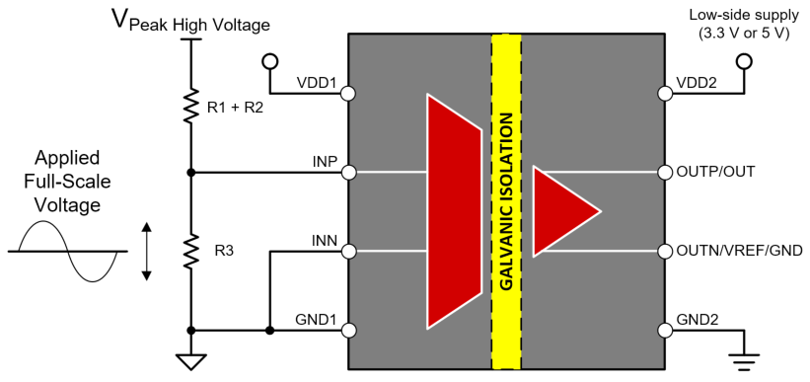
 |  |  |  |  |  |  |  |  |  |  |  |  |  |  |  |  |  |  |  |  |  |  |  | Differential with R3' | 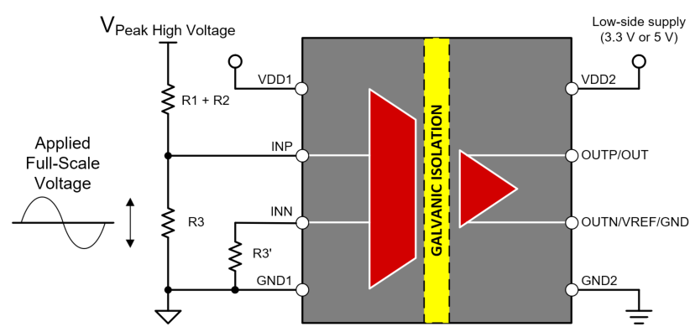
 |  |  |  |  |  |  |  |  |  |  |  |  |  |  |  |  |  |  |  |  |  |  |  | Integrated Resistor Divider | 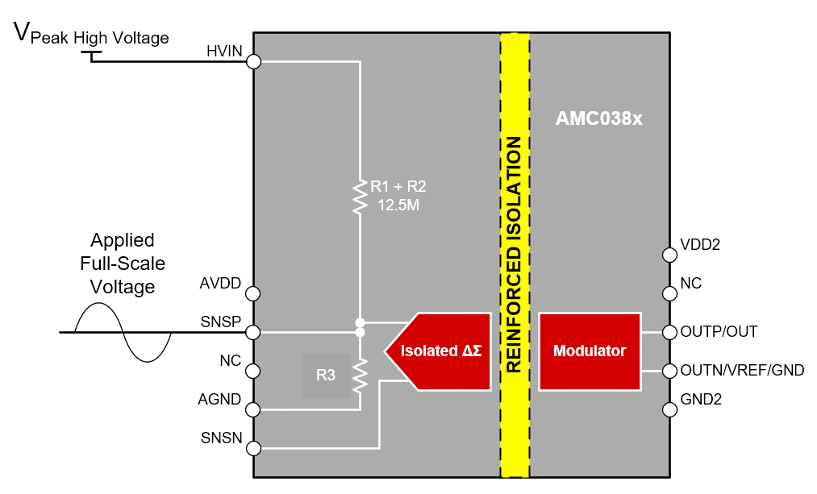
 |  |  |  |  |  |  |  |  |  |  |  |  |  |  |  |  |  |  |  |  |  |  |  | Single-Ended | 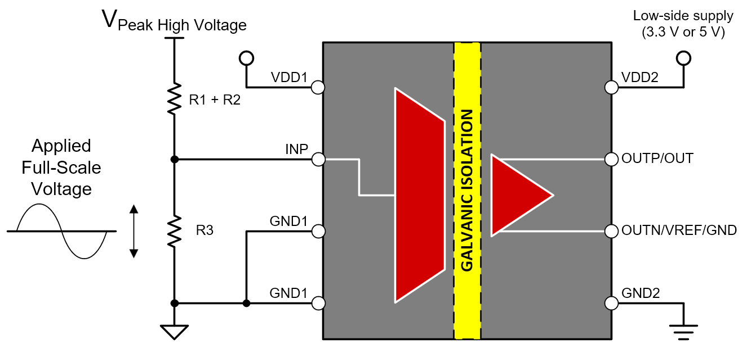

License
How to use this tool...

For any futher assistance on this tool, please post your question in the following forum - E2E Precision Data Converters Forum | Table of Contents
TEXAS INSTRUMENTS TEXT FILE LICENSE
Copyright (c) 2021 Texas Instruments Incorporated
All rights reserved not granted herein.
Limited License.
Texas Instruments Incorporated grants a world-wide, royalty-free, non-exclusive license under copyrights and patents it now or hereafter owns or controls to make, have made, use, import, offer to sell and sell ("Utilize") this software subject to the terms herein. With respect to the foregoing patent license, such license is granted solely to the extent that any such patent is necessary to Utilize the software alone. The patent license shall not apply to any combinations which include this software, other than combinations with devices manufactured by or for TI (“TI Devices”). No hardware patent is licensed hereunder.
Redistributions must preserve existing copyright notices and reproduce this license (including the above copyright notice and the disclaimer and (if applicable) source code license limitations below) in the documentation and/or other materials provided with the distribution
Redistribution and use in binary form, without modification, are permitted provided that the following conditions are met:
* No reverse engineering, decompilation, or disassembly of this software is permitted with respect to any software provided in binary form.
* any redistribution and use are licensed by TI for use only with TI Devices.
* Nothing shall obligate TI to provide you with source code for the software licensed and provided to you in object code.
If software source code is provided to you, modification and redistribution of the source code are permitted provided that the following conditions are met:
* any redistribution and use of the source code, including any resulting derivative works, are licensed by TI for use only with TI Devices.
* any redistribution and use of any object code compiled from the source code and any resulting derivative works, are licensed by TI for use only with TI Devices.
Neither the name of Texas Instruments Incorporated nor the names of its suppliers may be used to endorse or promote products derived from this software without specific prior written permission.
DISCLAIMER.
THIS SOFTWARE IS PROVIDED BY TI AND TI’S LICENSORS "AS IS" AND ANY EXPRESS OR IMPLIED WARRANTIES, INCLUDING, BUT NOT LIMITED TO, THE IMPLIED WARRANTIES OF MERCHANTABILITY AND FITNESS FOR A PARTICULAR PURPOSE ARE DISCLAIMED. IN NO EVENT SHALL TI AND TI’S LICENSORS BE LIABLE FOR ANY DIRECT, INDIRECT, INCIDENTAL, SPECIAL, EXEMPLARY, OR CONSEQUENTIAL DAMAGES (INCLUDING, BUT NOT LIMITED TO, PROCUREMENT OF SUBSTITUTE GOODS OR SERVICES; LOSS OF USE, DATA, OR PROFITS; OR BUSINESS INTERRUPTION) HOWEVER CAUSED AND ON ANY THEORY OF LIABILITY, WHETHER IN CONTRACT, STRICT LIABILITY, OR TORT (INCLUDING NEGLIGENCE OR OTHERWISE) ARISING IN ANY WAY OUT OF THE USE OF THIS SOFTWARE, EVEN IF ADVISED OF THE POSSIBILITY OF SUCH DAMAGE.

