Forward
 | = Input Box
 | = Computed value
 | = Lookup value

Step 1. Select fsw and inductance
 | Desired switching frequency, fsw | 450 | kHz |  |  |  | 450 | 500 | 550 | 600 | 700 | 1200
 | Minimum allowed effective inductance, LMIN | 6.80 | μH
 | Maximum allowed effective inductance, LMAX | 15.00 | μH
 | Minimum effective L for selected inductor | 10 | μH

Step 2: Forward input current clamp (pull ILIM pin low for no clamp)
Input current (IINDPM) limit clamp, ILIM <=3.3Amax | 1.5 | A
ILIM pin resistor value, RILIM | 2.22 | kΩ

Step 3. Forward mode duty cycle, power balance and ILpk feasability check
 | @VIN(MIN) | @VIN(MAX)
VIN | 5.00 | 20.00 | V
VBATREG | 8.40
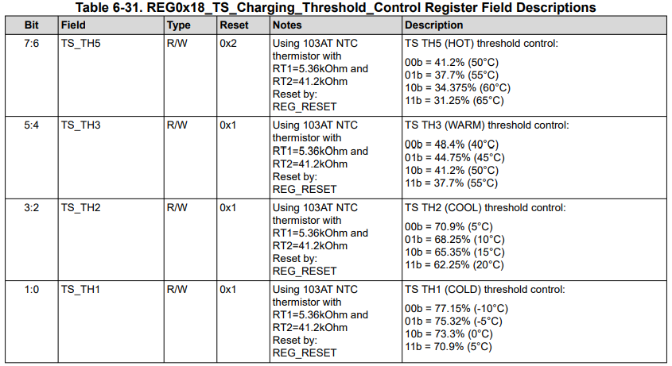
Duty Cycle in CCM (0 if buck-boost) | 0.40 | 0.42 | V
Desired ICHGdc+ISYSdc <= 3.3Adc max | 1.00 | 1.00 | A |  |  |  |  | 001
eff estimate from d/s curve | 0.90 | 0.93
IINavg <= IINDPM <= 3.3Adc max | 1.87 | 0.45 | A
Actual max ICHG+ISYS | 1.00 | 1.00 | A
Inductor ISAT>>ILpeak<=IINactual+40%*IINactual/2 | 2.09 | 0.99 | A

Step 4: Minimum effective capacitance after derating
Maximum desired VIN ripple voltage, ∆VIN | 250 | 250 | mV
Minimum VIN capacitance, CIN | 10.00 | 10.00 | μF
Maximum desired SYS ripple voltage, ∆VSYS | 250 | 250 | mV
Minimum SYS capacitance, CSYS | 15.00 | 15.00 | μF

Step 5: Thermistor qualification |  |  |  |  | Datasheet Equation Variables
T1=RTHCOLD for ICHG=0 & RNTC(COLD) | -5 | oC | 33.90 | k-ohm | RTHcold | If not a 103AT thermsitor, enter your RNTC values in green box.
T2=RTHHOT for ICHG=0 & RNTC(HOT) | 60 | oC | 3.02 | k-ohm | RTHhot | If not a 103AT thermsitor, enter your RNTC values in green box.
VT1 rising % (TCOLD) | 75.32 | % | 3.77 | V | VT(TS)=VT1 | Use dropdown box | 77.15 | 75.32 | 73.3 | 70.9
VT2 rising % (TCOOL) | 68.25 | % | 3.41 | V | VT(TS)=VT2 | Use dropdown box | 70.9 | 68.25 | 65.35 | 62.25
VT3 falling % (TWARM) | 44.8 | % | 2.24 | V | VT(TS)=VT3 | Use dropdown box | 48.4 | 44.8 | 41.2 | 37.7
VT5 falling % (THOT) | 34.375 | % | 1.72 | V | VT(TS)=VT5 | Use dropdown box | 41.2 | 37.7 | 34.375 | 31.25
RT1 | 5.24 | k-ohm |  |  | RT1
RT2 | 30.30 | k-ohm |  |  | RT2
RNTC(COOL) & T2=TCOOL | 17.94 | k-ohm | 10 | oC | na | If not a 103AT thermsitor, lookup temperatures in green box are not correct.
RNTC(WARM) & T3=TWARM | 4.95 | k-ohm | 45 | oC | na | If not a 103AT thermsitor, lookup temperatures in green box are not correct.

