Dual Output
UCC35131-Q1 DESIGN CALCULATOR TOOL: DUAL OUTPUT
Disclaimer
This product is designed as an aid for customers of Texas Instruments. No warranties, either expressed or implied, with respect to this software or its fitness for any particular purpose, are claimed by Texas Instruments or the author. The software is licensed solely on an "as is" basis. The entire risk as to its quality and performance is with the customer.

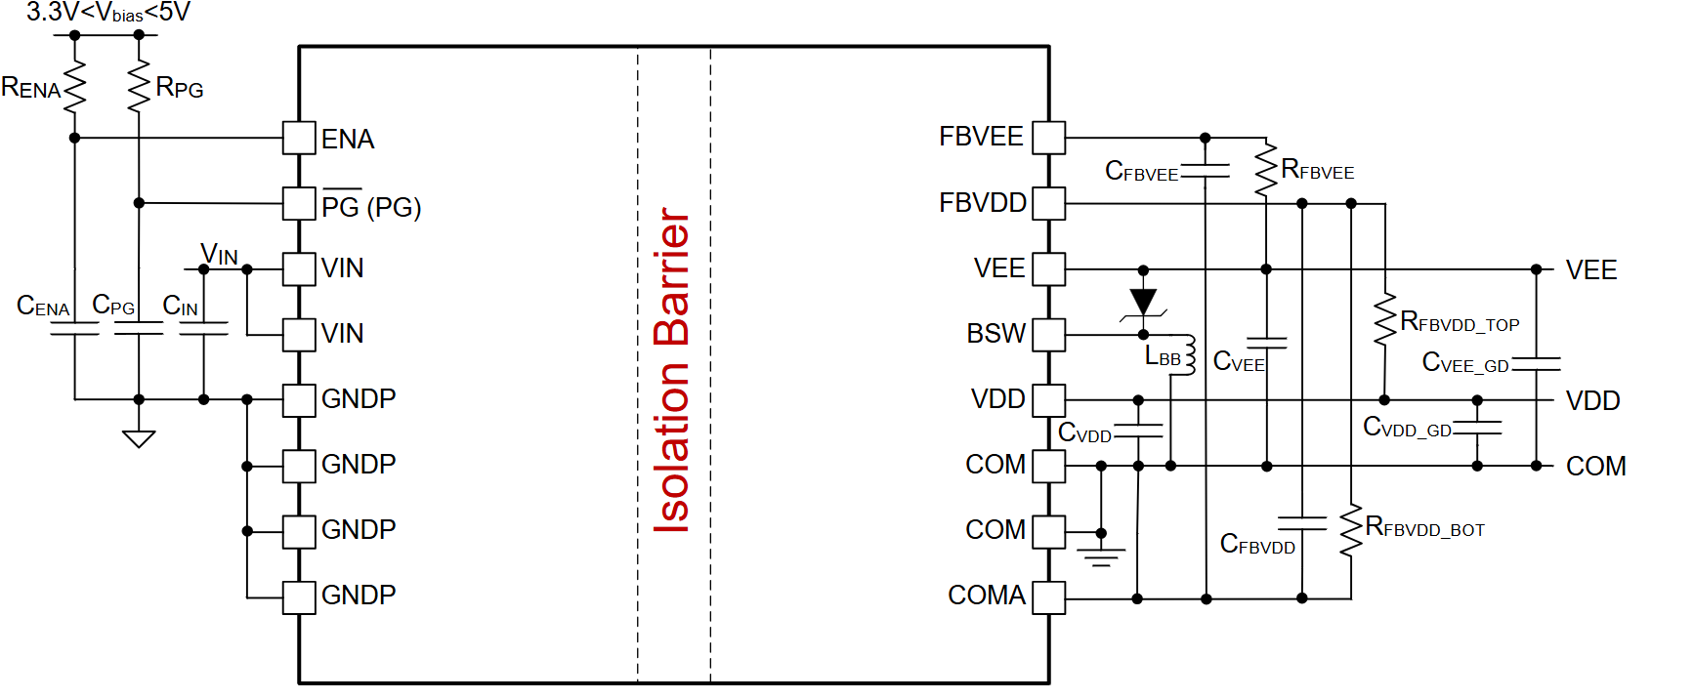
UCC35131-Q1 2.0W, 12V VIN, Isolated DC/DC Module
CLEAR ALL USER INPUT CELLS BEFORE STARTING A NEW DESIGN |  |  |  | VDD load current | 22 | mA
ALL GREEN CELLS ARE USER INPUTS; CELLS INTO RED MEANS ERROR ON USER INPUTS |  |  |  | VEE load current | 21 | mA
WHERE APPLICABLE, A RECOMMENDED VALUE IS GIVEN THAT WILL BE THE BEST CHOICE TO MEET THE GIVEN SPECIFICATION. IT IS IN THE BEST INTEREST OF THE USER TO USE A VALUE AS CLOSE AS POSSIBLE TO THE RECOMMENDED VALUE. FOR ACCURATE RESULTS, THE USER MUST ENTER THE ACTUAL VALUE USED IN THE APPROPRIATE CELL. |  |  |  | main power stage load current consdering 70% effciency of buck-boost | 36 | mA
DESIGN REQUIREMENTS

Differential voltage between VDD and COM, VDD - COM = | 15.0 | V
Differential voltage between COM and VEE, COM - VEE = | 7.0 | V
Total gate charge of power switch, Qgtot = | 1.2 | µC
Switching frequency of gate driver load, fSW = | 15 | kHz
Quiescent current of the gate driver on VDD, IQ_DRIVER_VDD = IQVCC2 = | 4 | mA | Includes the operating current of gate driver without switching
Quiescent current of other load on (VDD – COM) except gate driver, IQ_OTHER_VDD = | 0 | mA
Quiescent current of other load on VEE, IQ_DRIVER_VEE = | 3 | mA | Includes the operating current of gate driver without switching
Total quiescent current from (VDD-COM), IQ_VDD-COM = | 4 | mA
Bottom feedback resistor between FBVDD and COM, RFBVDD_BOT = | 2.4 | kΩ
Desired AC gate-switching ripple percentage between VDD and COM, %VPP_MAX = | 1 | % | Respect to VDD-COM
Desired AC gate-switching ripple percentage between COM and VEE, %VPP_MAX = | 5 | % | Respect to COM-VEE
Output power contribution from gate positive voltage swing VDD-COM switching | 0.27 | W
Output power contribution from gate negative voltage swing VEE-COM switching | 0.126 | W
Output current requirement of VEE regulator | 21 | mA | This value should be lower than the VEE-regulator output current capacity in the next row. Otherwise, an error will be highlighed in this cell.
Min. output current capacity of VEE regulator | 85.4 | mA | Result derived from curve-fit to simulation data. | BOM Components | Value | Unit
Output power contribution from gate driver switching, with 70% VEE-regulator effciency | 0.450 | W |  | CIN | 10 // 0.1 | µF
Output power contribution from gate driver quiescent current, with 70% VEE-regulator effciency | 0.090 | W |  | CVDD | 10 // 0.1 | µF
Total output power requirement, PO = | 0.540 | W | < Max. AVG power capability based on the SOA curves in the datasheet | CVDD_GD | 8.2 | µF
 |  |  |  | CVEE | 2.2 | µF
RECOMMENDED COMPONENT VALUE FROM DESIGN REQUIREMENTS |  |  |  | CVEE_GD | 6.8 | µF
 |  |  |  | CFBVDD | 470 | pF
Resistor Divider Design for VVDD-COM |  |  |  | CFBVEE | 10 | pF
Top feedback resistor between VDD and FBVDD, RFBVDD_TOP = | 12 | kΩ | determined by: RFBVDD_BOT*[(VDD-COM)/2.5-1], where 2.5V is internal reference voltage | CENA | 0.1 | µF
Decoupling Capacitor Design Close to Output Load (CVDD_GD, CVEE_GD) |  |  |  | CPG | 1 | µF
Recommended min. energy-storage capacitance between VDD and COM, at Gate Driver. CVDD_GD_min = | 8.0 | µF |  | LBB | 3.3 | µH
Selected CVDD_GD value, CVDD_GD = | 8.2 | µF | Choose closest standard value but higher than CVDD_GD_min | RFBVDD_TOP | 12 | kΩ
Recommended min. energy-storage capacitance between COM and VEE, at Gate Driver. CVEE_GD_min = | 3.4285714286 | µF |  | RFBVDD_BOT | 2.4 | kΩ
Selected CVEE_GD value, CVEE_GD = | 6.8 | µF | Choose closest standard value but higher than CVEE_GD_min | RFBVEE | 70.0 | kΩ
Maximum CVEE_GD value without triggering VEE soft-start time-out | 12.9 | µF | The chozen CVEE_GD needs to be lower than this value with >10% margin.
Resistor Selection for VCOM-VEE |  |  |  | RENA | 5.11 | kΩ
Feedback resistor between VEE and FBVEE, RFBVEE = | 70.0 | kΩ | determined by: 45kΩ/4.5V*(COM-VEE), where 90kΩ & 4.5V is internal resistor & reference voltage. | RPG | 10 | kΩ
Inductor Selection for LBB
Output inductor for COM-VEE regulator, LBB = | 3.3 | µH | Choose an indcutor with Isat ≥ 500mA
Saturation current limit of output inductor for COM-VEE regulator, Isat = | 800 | mA | Choose Isat ≥ 700mA

OTHER RECOMMENDED COMPONENT VALUE

Decoupling capacitor between VIN and GNDP, CIN = | 10 // 0.1 | µF | Place close to UCC35131-Q1. Recommend to choose 0402 package for the 0.1uF decoupling cap.
Decoupling capacitor between VDD and COM, CVDD = | 10 // 0.1 | µF
Decoupling capacitor between COM and VEE, CVEE = | 2.2 | µF | Place close to UCC35131-Q1. Recommend to choose a capacitor with SRF in 3MHz to 4MHz range, to provide a low-impedance path in a small loop for the BSW switching noise.
Filter capacitor between FBVDD and COMA, CFBVDD = | 470 | pF | Place close to UCC35131-Q1.
Filter capacitor between FBVEE and COMA, CFBVEE = | 10 | pF | Place close to UCC35131-Q1.

Note: Achieve the minimum required capacitance, careful attention should be paid to the applied DC voltage vs. capacitor rated working voltage, temperature, tolerance and dielectric type.

Vin UVLO Prog. & Startup Delay
INPUT UVLO PROGRAMMING & START-UP DELAY CALCULATOR TOOL
Disclaimer
This product is designed as an aid for customers of Texas Instruments. No warranties, either expressed or implied, with respect to this software or its fitness for any particular purpose, are claimed by Texas Instruments or the author. The software is licensed solely on an "as is" basis. The entire risk as to its quality and performance is with the customer.

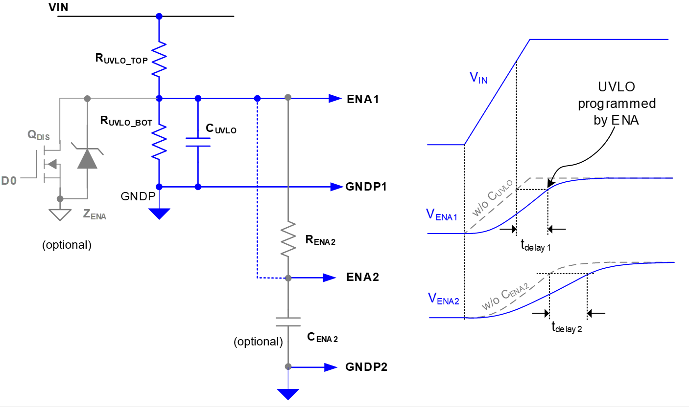
UCC35131-Q1 2.0W, 12V VIN, Isolated DC/DC Module
CLEAR ALL USER INPUT CELLS BEFORE STARTING A NEW DESIGN
ALL GREEN CELLS ARE USER INPUTS; CELLS INTO RED MEANS ERROR ON USER INPUTS
WHERE APPLICABLE, A RECOMMENDED VALUE IS GIVEN THAT WILL BE THE BEST CHOICE TO MEET THE GIVEN SPECIFICATION. IT IS IN THE BEST INTEREST OF THE USER TO USE A VALUE AS CLOSE AS POSSIBLE TO THE RECOMMENDED VALUE. FOR ACCURATE RESULTS, THE USER MUST ENTER THE ACTUAL VALUE USED IN THE APPROPRIATE CELL.
DESIGN REQUIREMENTS

Nominal Input Voltage, VIN_NOM = | 17.0 | V
Min. input voltage, VIN_MIN = | 15.3 | V
Max. input voltage, VIN_MAX = | 20.4 | V
Quiescent current allowance from the UVLO programmer resistors, IQ_UVLO = | 20.0 | uA
Start-up delay time by CUVLO, tdelay1 = | 1.0 | ms
Start-up delay time by CENA2, tdelay2 = | 2.5 | ms

ENA THRESHOLD SPECS

Rising Threshold
Min | 1.425 | V
Typ | 1.5 | V
Max | 1.575 | V
Falling Threshold
Min | 1.282 | V
Typ | 1.35 | V
Max | 1.418 | V

RECOMMENDED COMPONENT VALUE

Recommended RUVLO_TOP = | 761.6 | kΩ
Selected RUVLO_TOP value | 820.0 | kΩ | Choose closest standard value but higher than the calculated value above.
Recommended RUVLO_BOT = | 88.4 | kΩ
Selected RUVLO_BOT value | 100.0 | kΩ | Choose closest standard value but higher than the calculated value above.
Recommended CUVLO = | 12.6 | nF | Choose closest standard value
Recommended RENA2 = | 761.6 | kΩ
Selected RENA2 value | 820.0 | kΩ | Choose closest standard value but higher than the calculated value above.
Recommended CEMA2 = | 3.0 | nF | Choose closest standard value

ENA PIN VOLTAGE vs THRESHOLD CHECK for UVLO

Minimum ENA PIN voltage value at VIN_MIN, VENA_MIN = | 1.663 | V | This value should be higher than the max. ENA rising threshold (1.575V). Other wise, this cell will be flagged in red color.
Nominal ENA PIN voltage value at VIN_NOM, VENA_NOM = | 1.848 | V
Maximum ENA PIN voltage value at VIN_MAX, VENA_MAX = | 2.217 | V | This value should be lower than the abs. max. of ENA pin (5.5V). Otherwise, this cell will be flagged in red color.

Note: Achieve the minimum required capacitance, careful attention should be paid to the applied DC voltage vs. capacitor rated working voltage, temperature, tolerance and dielectric type.

