Power Circuit Design
UCG28824 DESIGN CALCULATOR TOOL
TI Literature Number: Version : Original
UCG28824 QR Flyback Controller
Please enter design parameters into |  | shaded | cells
Recommended Component Values are in GREEN
Be sure to enable editing before attempting to use this design calculator This spreadsheet guides the user through the design process of QR flyback DC/DC converter using UCG28824. User interaction is required in order to get best possible results. Enter the desired specifications where prompted, the highlighted cells are for user inputs; calculations for the design are based upon the inputs.

WHERE APLICABLE, A RECOMMENDED VALUE IS GIVEN THAT WILL BE THE BEST CHOICE TO MEET THE GIVEN SPECIFICATION. IT IS IN THE BEST INTEREST OF THE USER TO USE A VALUE AS CLOSE AS POSSIBLE TO THE SUGGESTED VALUE. FOR ACCURATE RESULTS, THE USER MUST ENTER THE ACTUAL VALUE USED IN THE DESIGN IN THE APPROPRIATE CELL.

DISCLAIMER This product is designed as an aid for customers of Texas Instruments. No warranties, either expresses or implied, with respect to this software or its fitness for any particular purpose, are claimed by Texas Instruments or the author. The software is licensed solely on an "as is" basis. The entire risk to its quality and performance is with the customer.

Device you are using |  | UCG28824-1 |  | Refer datasheet for detailed information

DESIGN SPECIFICATIONS

Design Parameter | Symbol | Values | Unit | Comment
OUTPUT PARAMETERS
Minimum output voltage | Vout_min | 14.000 | V | Enter the desired minimum output voltage of the converter
Maximum output voltage | Vout_max | 14.000 | V | Enter the desired maximum output voltage of the converter
Output over voltage protection point | Vovp | 18 | V | Enter required output OVP point
Maximum output power | Pout_max | 50.00 | W | Enter required maximum output power of converter
Calculated maximum output current | Iout_max | 3.57 | A | Calculated maximum value of output current
Target full load efficiency | η | 0.92 |  | Enter target efficiency at low line and maximum output power
Input power | Pin | 54.35 | W | Calculated input power
Maximum output voltage ripple | Vout_ripple | 100 | mV | Enter required maximum output voltage ripple

INPUT PARAMETERS
Minimum AC input voltage | Vin_min | 100.00 | Vac | Enter minimum ac input voltage
Maximum AC input voltage | Vin_max | 140.00 | Vac | Enter maximum ac input voltage
Minimum line frequency | fline_min | 47 | Hz | Enter minimum line frequency
Maximum line frequency | fline_max | 66 | Hz | Enter maximum line frequency

DESIGN CALCULATIONS

INPUT BULK CAPACITOR
Desired minimum bulk voltage at full load | Vbulk_min_desired | 80.00 | V | Enter minimum desired valley bulk voltage.
Recommended input bulk capacitance | Cbulk_recom | 58.79 | μF
Actual input bulk capacitance | Cbulk_actual | 60.00 | μF
Actual minimum bulk voltage at full load | Vbulk_min_actual | 81.70 | V | Acutal value of minimum valley bulk voltage
Minimum peak voltage rating of bulk capacitor | Vcbulk_peak | 227.69 | V | Including 15% margin
Minimum RMS current rating of bulk capacitor | Icbulk_rms | 0.79 | A
Minimum peak current rating of bulk capacitor | Icbulk_peak | 2.05 | A

FLYBACK STAGE
Maximum primary/secondary turns ratio | Nps_max | 25.86
Recommended primary/secondary turns ratio | Nps_recom | 23.00
Recommended TR value | TR_recom | 7.875 |  | Clamping at the max TR value.
Select TR value | TR_actual | 7.250 |  | Adjust TR value to match Nps_calc with Nps_sel as close as possible
Calculated primary/secondary turns ratio | Nps_calc | 10.07 |  | Calculated based on TR and Vovp settings
Selected primary/secondary turns ratio | Nps_sel | 10.00
Actual OVP point | Vovp_actual | 18.13 | V | It has 8% tolerance
Maximum duty ratio | Dmax | 0.63
Primary side maximum peak current | Ipk_max | 2.11 | A
Recommended peak current setting | Ipk_set_recom | 2.40 | A
Peak current setting of the device | Ipk_set | 2.40 | A | Select Ipk_set higher than Ipk_max (refer datasheet to select appropriate value)
Clamp switching frequency of the device | Fclamp | 140 | kHz | Select maximum switching frequency
Desired minimum switching frequency at low line and full load | Fsw_desired_LLFL | 70 | kHz | Enter the desired nominal switching frequency
Recommended magnetizing inductance | Lm_recom | 349.85 | μH | Min. inductance is clamped at 190 µH and max. inductance is clamped at 550 µH for UCG28824.
Minimum magnetizing inductance | Lm_min | 190.00 | μH
Maximum magnetizing inductance | Lm_max | 550.00 | μH
Actual magnetizing inductance | Lm_actual | 400 | μH | Enter the actual value of the magnetizing inductance used
Actual minimum switching frequency at low line and full load | Fsw_actual_LLFL | 61 | kHz

FLYBACK TRANSFORMER
Magnetizing inductance | Lm_actual | 400.00 | μH
Primary side leakage inductance | Llk | 12 | μH | Enter the expected leakage inducance (should be below 3% of Lm_actual)
Select transformer core area | Acore | 64.00 | mm2 | Enter the effective cross-sectional area of the core
Desired maximum operating core flux density | Bmax | 0.28 | T | Enter a value lesser than the saturation flux density of the core
Number of turns of the primary winding | Np | 53.6
Number of turns of the secondary winding | Ns | 5.4
Primary winding peak voltage stress | Vpri | 227.69 | V | Including 15% margin
Primary winding peak current stress | Ipri_pk | 2.11 | A
Primary winding RMS current stress | Ipri_rms | 0.97 | A
Secondary winding peak voltage stress | Vsec | 22.77 | V | Including 15% margin
Secondary winding peak current stress | Isec_pk | 21.07 | A
Secondary winding RMS current stress | Isec_rms | 7.38 | A

This values are for initial design parameters, fine tuning is required for optimised efficiency at light load and full load condition.
SNUBBER CIRCUIT (RCD)
Worst case overshoot voltage across primary side switch | Vos | 150.00 | V
Voltage across snubber capacitor | Vsn | 290.00 | V
Worst case ripple in snubber capacitor | ΔVsn | 20 | V
Worst case power dissipation in the snubber circuit | Psn | 3.15 | W
Percentage power recovered | p | 80.00 | %
Recommended snubber resistance | Rsn_recom | 133.40 | kΩ
Recommended snubber capacitance | Csn_recom | 8.88 | nF

FLYBACK OUTPUT RECTIFIER DIODE/SYNCHRONOUS RECTIFIER
Peak voltage stress of SR FET/diode | Vds_peak | 67.60 | V | Including 15% margin
Peak current stress of SR FET/diode | Id_peak | 21.07 | A
RMS current stress of SR FET/diode | Id_rms | 7.38 | A
Average current stress of SR FET/diode | Id_avg | 3.57 | A

OUTPUT CAPCITOR SELECTION
Maximum output voltage ripple | Vout_ripple | 100 | mV
Transient overshoot and undershoot voltage | Vovershoot | 0.50 | V | Enter the desired overshoot and undershoot value of Vout due to dynamic change in load
Recommended crossover frequency | fc_recom | 3061.16 | Hz
Used crossover frequency | fc_used | 2000 | Hz | Enter the targeted value of crossover frequency.
Approx response time to regulate output voltage | T_response | 181.33 | us
Recommended output capacitor | Cout_recom | 1230 | uF
Used output capacitor | Cout_actual | 1000 | uF | Enter the actual value of output capacitors used
Peak voltage stress of output capacitor | Vcout_peak | 16.1 | V | Including 15% margin
Peak current stress of output capacitor | Icout_peak | 17.50 | A | Use a combination of capacitors that will meet this Peak current stress
RMS current stress of output capacitor | Icout_rms | 6.46 | A | Use a combination of capacitors that will meet this ripple current stress
Maximum ESR of output capacitor | Resr_max. | 4.75 | mΩ
ESR used | Resr_actual | 10 | mΩ | Enter the actual value of ESR of output capacitor

Compensator Circuit Design
OPTOCOUPLER FEEDBACK(Only for fixed Vout)
Note: This is theoretical calculation based on ideal components. Fine tuning may be needed in the actual system
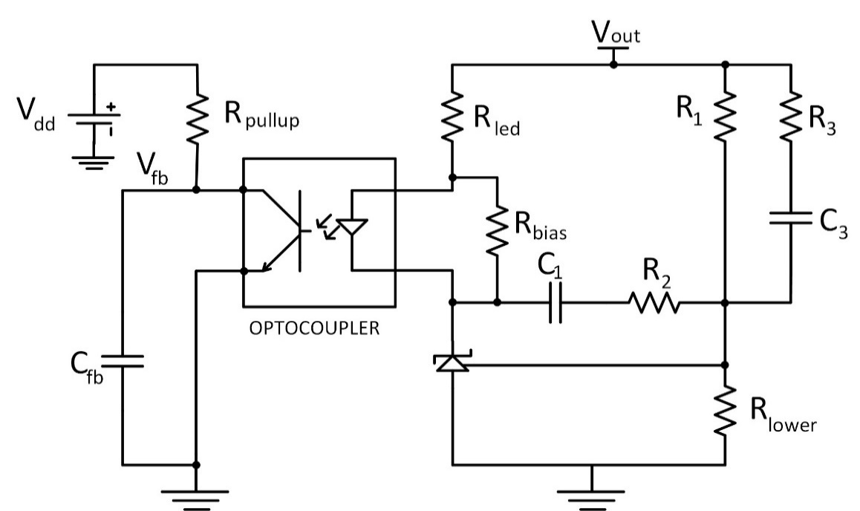

Figure (1): Compensator circuit

Forward Voltage of an Optocoupler | Vf(opto) | 1.00 | V | Enter the forward voltage drop of an optocoupler used
Saturation Voltage of an Optocoupler | Vce(sat) | 100.00 | mV | Enter the collector-emitter saturation voltage of an optocoupler used
Pull-up Resistor Value | Rpullup | 60.00 | kΩ | Fixed inside the device
Minimum Value of Current Transfer Ratio of an Optocoupler | CTR(min) | 0.40 |  | Enter the minimum CTR value based upon optocoupler characterisation done
Select Shunt Voltage Regulator |  | TL431 |  | Select the desired shunt regulator
Reference Voltage of Selected Shunt Regulator | Vref | 2.50 | V
Maximum Value of LED Resistor(Refer Figure(1)) | Rled(max) | 16.26 | kΩ
Minimum Required Bias Current for Shunt Regulator | Ibias | 0.50 | mA | Enter the bias current of used shunt regulator (TLV431/TL431 or other)
Bias Resistor Value to Provide Bias Current to Shunt Regulator | Rbias | 2.00 | kΩ

Plant Transfer Function
Pole Due to Load Resistor and Output Capacitor | Fp(plant) | 40.60 | Hz
Zero Due to Resr and Output Capacitor | Fz(plant) | 15.92 | kHz
Targeted Phase Margin | PM | 70.00 | degree
Gain at Desired Cross Over Frequency (in dB) of Plant Transfer Function | H(fc(used)) | -5.00 |  | Enter measured controlled to output gain at desired crossover frequency of plant transfer function
Phase at Desired Cross Over Frequency (in degree) of Plant Transfer Function | arg[H(fc(used))] | -87.00 | degree | Enter measured phase at desired crossover frequency of plant transfer function
LED Resistor(Refer Figure (1)) | Rled | 2.00 | kΩ | Enter actual value of Rled used; should be less than Rled(max)

Compensation Transfer function
Mid-band Gain at Desired Cross Over Frequency (in dB) of Compensator Transfer Function | |G(fc(used))| | 5.00
Absolute Value of Mid-band Gain at Desired Cross Over Frequency of Compensator Transfer Function | |G(fc)| | 1.78
Required Boost at fc(used) | Boost | 67.00 | degree
First Pole /Low-Frequency Pole of an Optocoupler | fopto | 3.00 | kHz | Enter the low frequency pole of an optocoupler based upon optocoupler characterisation done
Optocoupler Capacitance | Copto | 884.19 | pF
Feedback Node Capacitance | Cfb | 330.00 | pF | Enter the FB node capacitor value (minimum 100pF capacitor is required to cancel noise coupling between FB node and GND)
Total Capacitor at Feedback Node | Cp | 1214.19 | pF
First Pole of Compensator Due to R3 and C3 | fp1 | 14.75 | kHz
First Zero of Compensator Due to R2 and C1 | fz1 | 610.36 | Hz
Second Pole of Compensator Due to Rpullup and Cp | fp2 | 2.18 | kHz
Second Zero of Compensator Due to (R1+R3) and C3 | fz2 | 2.18 | kHz
Upper Resistor(R1) Value of Resistor Divider to Make Vref | R1 | 100.00 | kΩ | Enter the desired value of upper resistor R1 of the resistor divider(refer figure(1))
Recommended Lower Resistor(Rlower) Value of Resistor Divider to Make Vref | Rlower(recom) | 21.74 | kΩ
Actual Lower Resistor(Rlower) Value of Resistor Divider to Make Vref | Rlower | 100.00 | kΩ | Enter the actual value of lower resistor(Rlower) used in resistor divider circuit(refer figure(1))
Recommended Value of Resistor R2 | R2(recom) | 120.46 | kΩ
Actual Value of Resistor R2 | R2 | 49.90 | kΩ | Enter the actual value of resistor R2 used (refer figure (1)); select approx. same value as the recommended value
Recommended Value of Capacitor C1 | C1(recom) | 5.23 | nF
Actual Value of Capacitor C1 | C1 | 22.00 | nF | Enter the actual value of capacitor C1 used (refer figure (1)); select higher value than the recommended value
Pole at Origin Due to R1 and C1 | fp0 | 72.34 | Hz
Recommended Value of Resistor R3 | R3(recom) | 17.39 | kΩ
Actual Value of Resistor R3 | R3 | 10.00 | kΩ | Enter the actual value of resistor R3 used (refer figure (1)); select lower value than the recommended value
Recommended Value of Capacitor C3 | C3(recom) | 662.29 | pF
Actual Value of Capacitor C3 | C3 | 680.00 | pF | Enter the actual value of capacitor C3 used (refer figure (1))

Final values of poles and zero of Compensator
Pole at Origin Due to R1 and C1 | fp0 | 72.34 | Hz | Warning! If cells become red, please readjust compensator values entered above to have optimised values.
First Zero of Compensator Due to R2 and C1 | fz1 | 144.98 | Hz
Second Zero of Compensator Due to (R1+R3) and C3 | fz2 | 2.13 | kHz
Second Pole of compensator Due to Rpullup and Cp | fp2 | 2.18 | kHz
First Pole of Compensator Due to R3 and C3 | fp1 | 23.41 | kHz

Schematics
30µF
30µF
8.88nF
133.4kΩ
10:1
1000µF
680pF
22nF
100kΩ
330pF
10kΩ
100kΩ
49.9kΩ
2kΩ
2kΩ
22.6kΩ
28.7kΩ
14.3kΩ
39.2kΩ
100.00 Vac to
Vout
+
_
Line
Neutral
140.00 Vac
47 Hz to
66 Hz
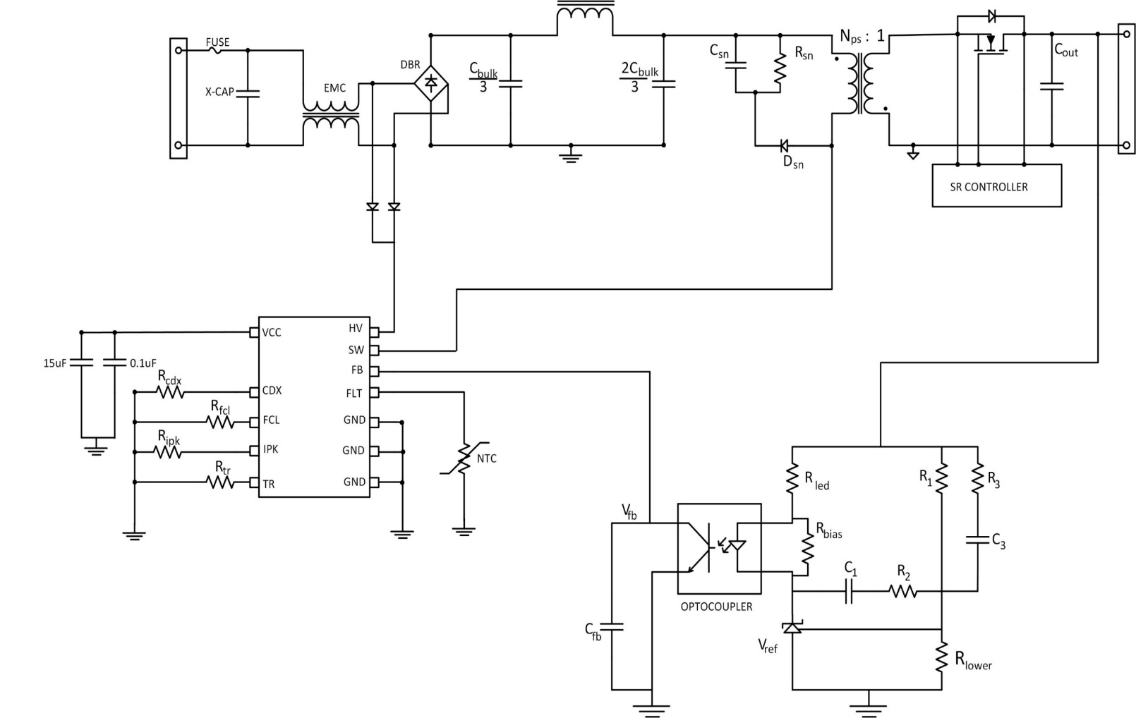
$$\frac{C_{bulk}}{2}$$
$$\frac{C_{bulk}}{2}$$

44µF

UCG28824-1

Please go to "Power Circuit Design" and "Controller Circuit Design" sheets for calculations!

 | UCG28824? | 1
 | Shape Visible? | 0
 | Rlower | 100kΩ
 | Cbulk/3 | 30µF
 | 2Cbulk/3 | 30µF
 | Csn | 8.88nF
 | Rsn | 133.4kΩ
 | Nps | 10:1
 | Cout | 1000µF
 | Rcdx | 22.6kΩ
 | Rfcl | 28.7kΩ
 | Ripk | 14.3kΩ
 | Rtr | 39.2kΩ
 | Cfb | 330pF
 | Rled | 2kΩ
 | Rbias | 2kΩ
 | C1 | 22nF
 | R2 | 49.9kΩ
 | R1 | 100kΩ
 | R3 | 10kΩ
 | C3 | 680pF

