Instructions
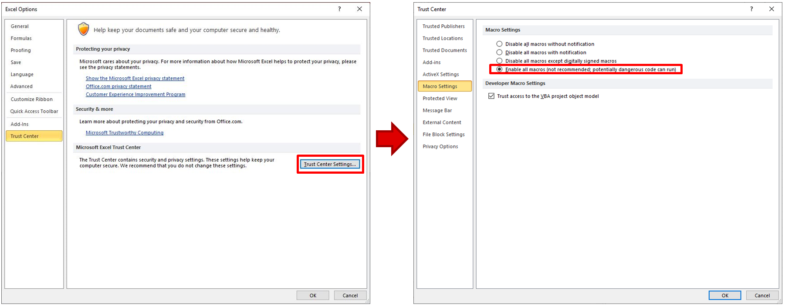
 | LMR51450 Quick Start Tool Instructions

1. Please ensure all macros are enabled:

Quick Start
 | LMR51440 Quick Start Tool

About |  |  | =User Input |  | =TI Recommend | Terms of use

 | Efficiency - % | Efficiency - %
0.0001 | 58.953882256 | 58.953882256
0.00011 | 61.055540817 | 61.055540817
0.00012 | 62.924880405 | 62.924880405
0.00013 | 64.598401846 | 64.598401846
0.00014 | 66.105340053 | 66.105340053
0.00015 | 67.46938627 | 67.46938627
0.00016 | 68.709942624 | 68.709942624
0.00017 | 69.843050733 | 69.843050733
0.00018 | 70.882089075 | 70.882089075
0.00019 | 71.838303611 | 71.838303611
0.0002 | 72.721216407 | 72.721216407
0.00021 | 73.53894376 | 73.53894376
0.00022 | 74.298446389 | 74.298446389
0.00023 | 75.005728022 | 75.005728022
0.00024 | 75.6659944 | 75.6659944
0.00025 | 76.283781591 | 76.283781591
0.00026 | 76.863060321 | 76.863060321
0.00027 | 77.407321385 | 77.407321385
0.00028 | 77.919646034 | 77.919646034
0.00029 | 78.402764322 | 78.402764322
0.0003 | 78.859103754 | 78.859103754
0.00031 | 79.29083007 | 79.29083007
0.00032 | 79.699881603 | 79.699881603
0.00033 | 80.087998361 | 80.087998361
0.00034 | 80.456746758 | 80.456746758
0.00035 | 80.807540743 | 80.807540743
0.00036 | 81.141659899 | 81.141659899
0.00037 | 81.460265043 | 81.460265043
0.00038 | 81.764411686 | 81.764411686
0.00039 | 82.055061713 | 82.055061713
0.0004 | 82.333093538 | 82.333093538
0.00041 | 82.599310966 | 82.599310966
0.00042 | 82.854450949 | 82.854450949
0.00043 | 83.099190396 | 83.099190396
0.00044 | 83.334152164 | 83.334152164
0.00045 | 83.55991035 | 83.55991035
0.00046 | 83.776994969 | 83.776994969
0.00047 | 83.985896106 | 83.985896106
0.00048 | 84.187067605 | 84.187067605
0.00049 | 84.380930364 | 84.380930364
0.0005 | 84.567875262 | 84.567875262
0.00051 | 84.748265797 | 84.748265797
0.00052 | 84.922440438 | 84.922440438
0.00053 | 85.090714742 | 85.090714742
0.00054 | 85.253383263 | 85.253383263
0.00055 | 85.410721272 | 85.410721272
0.00056 | 85.562986303 | 85.562986303
0.00057 | 85.710419566 | 85.710419566
0.00058 | 85.853247218 | 85.853247218
0.00059 | 85.991681517 | 85.991681517
...
Components Calculation |  |  |  | Key Performance |  |  | Output Diagrams
STEP 1: Input Basic Operating Specifications |  |  |  | A. Thermal and Efficiency Performance |  |  | OUTPUT 1: Schematic | OUTPUT 2: Efficiency Curve
Nominal Input Voltage - V |  | 12.0 |  | Ambient Temperature - ºC |  | 25.0
Output Voltage - V |  | 5.0 |  | Junction-to-Ambient Thermal Resistance - ºC/W |  | 23.0
Applied Load - A |  | 4.0 |  | Efficiency @ Applied Load |  | 95.48
Target Switching Frequency - KHz |  | 500.0 |  | Junction Tempetature - ºC |  | 54.4
 |  |  |  | Top Case Tempetature - ºC |  | 46.3
STEP 2: Choose Input Capacitor - CIN
Recommended Maximum Input Ripple Voltage - mV |  | 60.0 |  | B. Loss Distribution
Recommended Input Capacitor - uF |  | 10.0 |  | IC Loss - mW |  | 1277.9
Actual Input Capacitor - uF |  | 100.0 |  | Inductor Loss - mW |  | 116.5
Actual ESR of Input Capacitor - mΩ |  | 10.0
Estimated Input Ripple Voltage - mV |  | 42.8

STEP 3: Choose Output Inductor - LOUT |  |  |  | C. Loop Stability Performance
Inductor Ripple Current Ratio @ Maximum Load |  | 0.2 ~ 0.6 |  | Bandwidth - kHz |  | 29.9
Recommended Output Inductance - uH |  | 3.5 |  | Phase Margin - Deg |  | 59.3
Actual Output Inductance - uH |  | 5.6 |  | Gain Margin - dB |  | 23.0
Actual DCR of Output Inductor - mΩ |  | 2.7
Estimated Inductor Ripple Current Ratio @ Maximum Load |  | 0.26

 | Gain | Phase
1000 | 32.63344582 | 88.755220924
2000 | 26.327438038 | 83.604039637
3000 | 22.453146186 | 80.647491196
4000 | 19.624514699 | 78.842355391
5000 | 17.410555576 | 77.680718057
6000 | 15.606299978 | 76.848620039
7000 | 14.092362743 | 76.167585272
8000 | 12.792322447 | 75.543298923
9000 | 11.654703201 | 74.928707842
10000 | 10.643593395 | 74.301910947
11000 | 9.7332112581 | 73.653990297
12000 | 8.9045765673 | 72.982559089
13000 | 8.1433987501 | 72.28839588
14000 | 7.4386991317 | 71.573704749
15000 | 6.7818898792 | 70.841225823
16000 | 6.1661442429 | 70.093790225
17000 | 5.5859568446 | 69.334107199
18000 | 5.0368306053 | 68.564671988
19000 | 4.5150497574 | 67.787735656
20000 | 4.0175124801 | 67.005305726
21000 | 3.5416055643 | 66.219161165
22000 | 3.0851091947 | 65.430873095
23000 | 2.6461236467 | 64.641826816
24000 | 2.2230121598 | 63.853242991
25000 | 1.8143559112 | 63.066197026
26000 | 1.4189181535 | 62.281636337
27000 | 1.0356153738 | 61.500395501
28000 | 0.66349389017 | 60.723209432
29000 | 0.30171070254 | 59.950724811
30000 | -0.050482297935 | 59.183509964
31000 | -0.39375144275 | 58.422063436
32000 | -0.72869225041 | 57.666821424
33000 | -1.0558386504 | 56.91816425
34000 | -1.3756707881 | 56.176422028
35000 | -1.6886216644 | 55.441879623
36000 | -1.9950828129 | 54.714781039
37000 | -2.2954091757 | 53.99533329
38000 | -2.5899233105 | 53.283709856
39000 | -2.8789190348 | 52.580053763
40000 | -3.1626645943 | 51.884480349
41000 | -3.4414054273 | 51.197079759
42000 | -3.7153665854 | 50.517919199
43000 | -3.9847548583 | 49.847044984
44000 | -4.2497606452 | 49.1844844
45000 | -4.5105596069 | 48.530247411
46000 | -4.7673141285 | 47.884328216
47000 | -5.0201746161 | 47.246706681
48000 | -5.2692806503 | 46.617349658
49000 | -5.5147620135 | 45.996212195
50000 | -5.7567396069 | 45.383238658
...
IC | 1277.9037493
Inductor | 116.52514409
STEP 4: Choose Output Capacitor |  |  |  |  |  |  | OUTPUT 3: Bode Diagram | OUTPUT 4: Power Loss Distribution @ Applied Load
Recommended Output Capacitor - uF |  | 60.0
Actual Output Capacitor - uF |  | 60.0
Actual ESR of Output Capacitor - mΩ |  | 15.0
Estimated Output Voltage Ripple - mV |  | 20.0

STEP 5: Feedback
Low-side Feedback Resistor - kΩ |  | 10.20
High-side Feedback Resistor - kΩ |  | 53.55
Feedforward Capacitor - pF |  | 33.00

STEP6: RT Resistor
Recommended RT Resistor - kΩ |  | 31.22

Option: EMI Filter
Maximum Allowed Nosie Level - dBuV |  | 50.00
Filter Inductor Lf- uH |  | 10.00
Recommended Minimum Filter Capacitor Cf - uF |  | 1.02
Recommended Minimum Damping Capacitor Cd - uF |  | 400.00
Recommended ESR of Damping Capacitor - mΩ |  | 316.23

