TPS3704 Calc
User Input
Calculated Resistor
Worst Case Result

Tps3704 Adjustable Varient Resistor Calculator

 |  |  |  |  | Notes

 | Isense | 350 | nA
user input | Vsense |  | V |  | Select value 0.8V or 0.4V

user input | Isense Multiplier |  |  |  | At least 50*Isense
 | Desired Current | 0.00E+00 | A
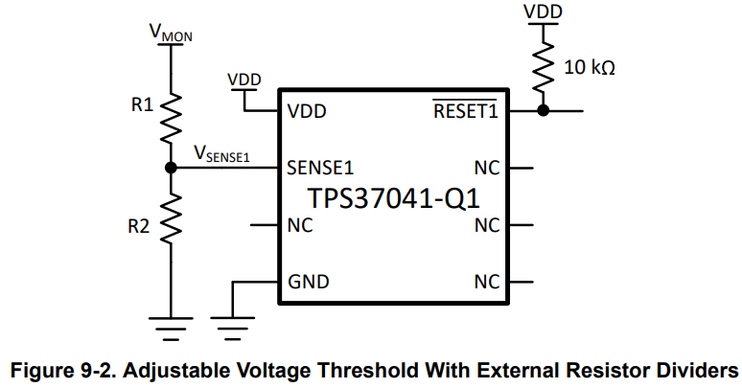
 | R2 | #DIV/0! | Ω |  | Calculated R2 value
user input | Selected R2 Value |  | Ω |  | Based on calculated R2 value please indicate selected resistor value
user input | Selected R2 Tolerance |  | % |  | Please indicate tolerance of selected R2 resistance

user input | VMON |  | V |  | Voltage at monitored rail

 | Thresholds%
user input | Vit+ |  | % |  | Based on part selection
user input | Vit- |  | % |  | Based on part selection

 | Vsense Voltage Threshold Accuracy
 | Vsense OV max |  | 0 | V | OV Max is 1% higher than Vsense OV Due to Change in Temperature |  |  | Accuracy Band Across -40℃ to 125℃
 | Vsense OV |  | 0 | V | Vsense OV plus 4% tolerance set point
 | Vsense OV min |  | 0 | V | OV Min is 1% lower than Vsense OV Due to Change in Temperature

 | Vsense |  | 0 | V

 | Vsense UV min |  | 0 | V | UV Max is 1% higher than Vsense OV Due to Change in Temperature |  |  | Accuracy Band Across -40℃ to 125℃
 | Vsense UV |  | 0 | V | Vsense UV 4% tolerance set point
 | Vsense UV max |  | 0 | V | UV Min is 1% lower than Vsense OV Due to Change in Temperature

 | R1 | #DIV/0! | Ω |  | Calculated R1 value
 | Selected R1 Value |  | Ω |  | Based on calculated R1 value please indicate selected resistor value
 | Selected R2 Tolerance |  | % |  | Please indicate tolerance of selected R1 resistance

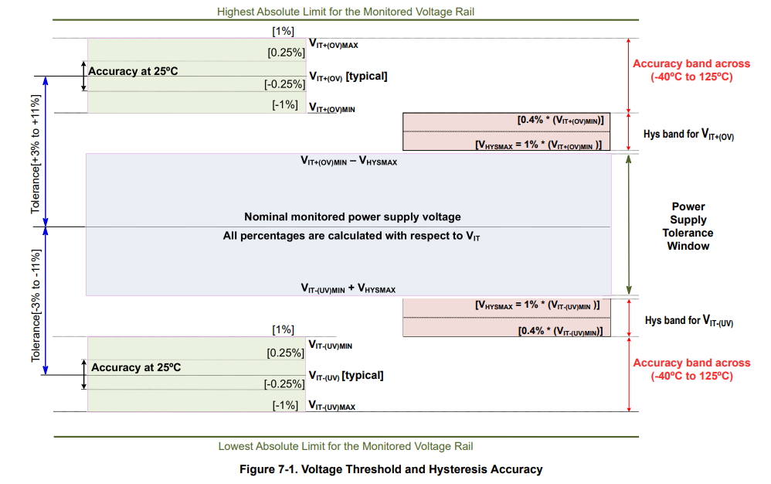
 | Vmon Voltage Threshold Accuracy Considering Resistor Tolerance

 |  | R1 R2 nominal | R1+ R2+ | R1- R2+ | R1+ R2- | R1- R2- | R+ = R nominal + (Tolerance%*R)
 | Vmon OV max | #DIV/0! | #DIV/0! | #DIV/0! | #DIV/0! | #DIV/0!
 | Vmon OV | #DIV/0! | #DIV/0! | #DIV/0! | #DIV/0! | #DIV/0!
 | Vmon OV min | #DIV/0! | #DIV/0! | #DIV/0! | #DIV/0! | #DIV/0!

 |  |  |  |  |  |  | R- = R nominal - (Tolerance%*R)
 | Vmon UV min | #DIV/0! | #DIV/0! | #DIV/0! | #DIV/0! | #DIV/0!
 | Vmon UV | #DIV/0! | #DIV/0! | #DIV/0! | #DIV/0! | #DIV/0!
 | Vmon UV max | #DIV/0! | #DIV/0! | #DIV/0! | #DIV/0! | #DIV/0!

Note: To obtain a "Power Supply Tolerance Window" plug in "Vmon OV min" and "Vmon UV max” into the "OV min" and "UV max" cells of the "TPS3704 Voltage Threshold Accuracy and Tolerance Calculator" spreadsheet. The spreadsheet can be found on the Texas Instruments TPS3704 webpage under "Design tools & simulation". https://www.ti.com/product/TPS3704-Q1#design-tools-simulation

12V Example
User Input
Calculated Resistor
Worst Case Result

Tps3704 Adjustable Varient Resistor Calculator

 |  |  |  |  | Notes

 | Isense | 350 | nA
user input | Vsense | 0.8 | V |  | Select value 0.8V or 0.4V

user input | Isense Multiplier | 640 |  |  | At least 50*Isense
 | Desired Current | 2.24E-04 | A

 | R2 | 3571.4285714 | Ω |  | Calculated R2 value
user input | Selected R2 Value | 3570 | Ω |  | Based on calculated R2 value please indicate selected resistor value
user input | Selected R2 Tolerance | 1 | % |  | Please indicate tolerance of selected R2 resistance

user input | VMON | 12 | V |  | Voltage at monitored rail

 | Thresholds%
user input | Vit+ | 4 | % |  | Based on part selection
user input | Vit- | 4 | % |  | Based on part selection

 | Vsense Voltage Threshold Accuracy
 | Vsense OV max |  | 0.84032 | V | OV Max is 1% higher than Vsense OV Due to Change in Temperature |  |  | Accuracy Band Across -40℃ to 125℃
 | Vsense OV |  | 0.832 | V | Vsense OV plus 4% tolerance set point
 | Vsense OV min |  | 0.82368 | V | OV Min is 1% lower than Vsense OV Due to Change in Temperature

 | Vsense |  | 0.8 | V

 | Vsense UV min |  | 0.77568 | V | UV Max is 1% higher than Vsense OV Due to Change in Temperature |  |  | Accuracy Band Across -40℃ to 125℃
 | Vsense UV |  | 0.768 | V | Vsense UV 4% tolerance set point
 | Vsense UV max |  | 0.76032 | V | UV Min is 1% lower than Vsense OV Due to Change in Temperature

 | R1 | 50000 | Ω |  | Calculated R1 value
 | Selected R1 Value | 49900 | Ω |  | Based on calculated R1 value please indicate selected resistor value
 | Selected R2 Tolerance | 1 | % |  | Please indicate tolerance of selected R1 resistance

 | Vmon Voltage Threshold Accuracy Considering Resistor Tolerance

 |  | R1 R2 nominal | R1+ R2+ | R1- R2+ | R1+ R2- | R1- R2- | R+ = R nominal + (Tolerance%*R)
 | Vmon OV max | 12.5859693 | 12.5859693 | 12.353382185 | 12.823255144 | 12.5859693
 | Vmon OV | 12.461355742 | 12.461355742 | 12.23107147 | 12.696292222 | 12.461355742
 | Vmon OV min | 12.336742185 | 12.336742185 | 12.108760755 | 12.5693293 | 12.336742185

 |  |  |  |  |  |  | R- = R nominal - (Tolerance%*R)
 | Vmon UV min | 11.617817815 | 11.617817815 | 11.403122017 | 11.836850902 | 11.617817815
 | Vmon UV | 11.502789916 | 11.502789916 | 11.290219819 | 11.719654359 | 11.502789916
 | Vmon UV max | 11.387762017 | 11.387762017 | 11.17731762 | 11.602457815 | 11.387762017

Note: To obtain a "Power Supply Tolerance Window" plug in "Vmon OV min" and "Vmon UV max” into the "OV min" and "UV max" cells of the "TPS3704 Voltage Threshold Accuracy and Tolerance Calculator" spreadsheet. The spreadsheet can be found on the Texas Instruments TPS3704 webpage under "Design tools & simulation". https://www.ti.com/product/TPS3704-Q1#design-tools-simulation

3.3V Example
User Input
Calculated Resistor
Worst Case Result

Tps3704 Adjustable Varient Resistor Calculator

 |  |  |  |  | Notes

 | Isense | 350 | nA
user input | Vsense | 0.8 | V |  | Select value 0.8V or 0.4V

user input | Isense Multiplier | 142 |  |  | At least 50*Isense
 | Desired Current | 4.97E-05 | A

 | R2 | 16096.579477 | Ω |  | Calculated R2 value
user input | Selected R2 Value | 16000 | Ω |  | Based on calculated R2 value please indicate selected resistor value
user input | Selected R2 Tolerance | 0.1 | % |  | Please indicate tolerance of selected R2 resistance

user input | VMON | 3.3 | V |  | Voltage at monitored rail

 | Thresholds%
user input | Vit+ | 4 | % |  | Based on part selection
user input | Vit- | 4 | % |  | Based on part selection

 | Vsense Voltage Threshold Accuracy
 | Vsense OV max |  | 0.84032 | V | OV Max is 1% higher than Vsense OV Due to Change in Temperature |  |  | Accuracy Band Across -40℃ to 125℃
 | Vsense OV |  | 0.832 | V | Vsense OV plus 4% tolerance set point
 | Vsense OV min |  | 0.82368 | V | OV Min is 1% lower than Vsense OV Due to Change in Temperature

 | Vsense |  | 0.8 | V

 | Vsense UV min |  | 0.77568 | V | UV Max is 1% higher than Vsense OV Due to Change in Temperature |  |  | Accuracy Band Across -40℃ to 125℃
 | Vsense UV |  | 0.768 | V | Vsense UV 4% tolerance set point
 | Vsense UV max |  | 0.76032 | V | UV Min is 1% lower than Vsense OV Due to Change in Temperature

 | R1 | 50301.810865 | Ω |  | Calculated R1 value
 | Selected R1 Value | 50500 | Ω |  | Based on calculated R1 value please indicate selected resistor value
 | Selected R2 Tolerance | 0.1 | % |  | Please indicate tolerance of selected R1 resistance

 | Vmon Voltage Threshold Accuracy Considering Resistor Tolerance R(1%)

 |  | R1 R2 nominal | R1+ R2+ | R1- R2+ | R1+ R2- | R1- R2- | R+ = R nominal + (Tolerance%*R)
 | Vmon OV max | 3.49258 | 3.49258 | 3.4872807792 | 3.4978898298 | 3.49258
 | Vmon OV | 3.458 | 3.458 | 3.4527532468 | 3.4632572573 | 3.458
 | Vmon OV min | 3.42342 | 3.42342 | 3.4182257143 | 3.4286246847 | 3.42342

 |  |  |  |  |  |  | R- = R nominal - (Tolerance%*R)
 | Vmon UV min | 3.22392 | 3.22392 | 3.2190284116 | 3.2288213814 | 3.22392
 | Vmon UV | 3.192 | 3.192 | 3.1871568432 | 3.1968528529 | 3.192
 | Vmon UV max | 3.16008 | 3.16008 | 3.1552852747 | 3.1648843243 | 3.16008

Note: To obtain a "Power Supply Tolerance Window" plug in "Vmon OV min" and "Vmon UV max” into the "OV min" and "UV max" cells of the "TPS3704 Voltage Threshold Accuracy and Tolerance Calculator" spreadsheet. The spreadsheet can be found on the Texas Instruments TPS3704 webpage under "Design tools & simulation". https://www.ti.com/product/TPS3704-Q1#design-tools-simulation

