User's_Page
 |  |  |  | TPS61287 Boost Converter Design Tool
 |  |  |  |  | User's Input |  |  | ABOUT |  | Terms of Use
Step 1: Operating Specifications
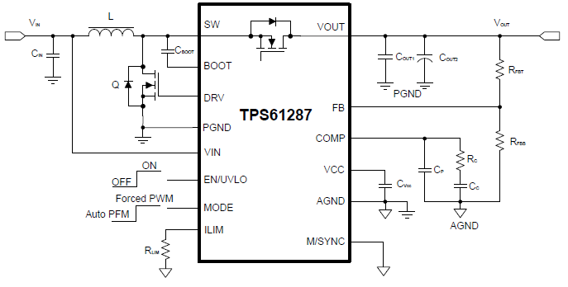
 |  |  | Description | Value | Units |  | Vin that makes the ILp2p max, V1 |  |  | 11.25
 |  |  | Input minimum voltage, VIN_min | 3 | V |  | Vin that makes the ILp2p ratio max, V2 |  |  | 15
 |  |  | Input nominal voltage, VIN_nom | 3.6 | V |  | Duty when VIN = V1 |  |  | 0.5
 |  |  | Input maximum voltage, VIN_max | 4.2 | V |  | Duty when VIN = V2 |  |  | 0.33333333333
 |  |  | Output voltage, VOUT | 18 | V |  | Inductor peak-to-peak current at V1, ILp2p_1 |  |  | 5.3267045455
 |  |  | Maximum actual output current, IOUT_act_max | 2 | A |  | Inductor peak-to-peak current at V2, ILp2p_2 |  |  | 4.7348484848
 |  |  | Assumed Efficiency, η | 80 | % |  | Input current when VIN = V2 |  |  | 3
 |  |  | Switching frequency, f | 0.32 | MHz |  | Input current when VIN = VIN_max |  |  | 10.714285714
 |  |  | Set nominal valley switching current limit, Ilimit_nom | 20 | A |  |  |  | Maximum inductor peak current@VIN_min, ILpeak_max | 16.23 | A
 |  |  | Programmable valley current limit resistor, RILIM | 20.0 | kΩ |  | Calculate the maximum input average current, IIN_max |  |  | 15 | A
 |  |  | Minimum duty cycle, Dmin | 0.81 | - |  | Calculate the minimum input average current, IIN_min |  |  | 10.714285714 | A
 |  |  | Nominal duty cycle, Dnom | 0.84 | - |  |  |  | Inductor peak-to-peak current at VIN_min, ILp2p_act_min | 2.46 | A
 |  |  | Maximum duty cycle, Dmax | 0.87 | - |  |  |  | Inductor peak-to-peak current at VIN_nom, ILp2p_act_nom | 2.86 | A
 |  |  | Maximum calculated output current @VIN_min, IOUT_cal_max | 2.83 | A |  |  |  | Inductor peak-to-peak current at VIN_max, ILp2p_act_max | 3.23 | A
 |  |  |  |  |  |  |  |  | Nominal inductor RMS current, ILrms_act_nom | 12.53 | A
Inductor Current Waveform
Step 2: Inductor Selection
 |  |  | Input nominal average current, IIN_nom | 12.50 | A
 |  |  | Selected recommended inductor peak-to-peak current ratio, ILp2p_ratio | 20 | % |  | time | IL
 |  |  | Calculated maximum inductor peak-to-peak current ripple based on the max ratio, ILp2p_cal | 2.50 | A |  | 0 | 11.068181818
 |  |  | Recommended inductance value, Lcal | 3.78 | μH |  | 2.625 | 12.5
 |  |  | Selected inductance, L | 3.3 | μH |  | 3.125 | 11.068181818
 |  |  | Inductor DCR, RL_DCR | 7.5 | mΩ |  | 5.75 | 12.5
 |  |  | Inductor peak-to-peak current at @VIN_nom, ILp2p_act | 2.9 | A |  | 6.25 | 11.068181818

Step 3: Output Capacitor Selection
 |  |  | Maximum acceptable output voltage ripple, VOUT_p2p_max | 180 | mV
 |  |  | Recommended minimum effective output capacitance, COUT_cal_min@VIN_min | 30 | μF | Pay attention to the ceramic capacitors (MLCC) DC bias effect. |  |  |  | Pay attention that the electrolytic capacitor ESR increases much with temperature reducing.
 |  |  | Selected effective output capacitance of MLCC capacitors, COUT_MLCC | 60 | μF | Here is an example of the GRM31CD71H106KE11. |  |  |  | Here is an example of the EEETC1V221P.
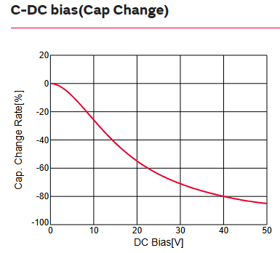
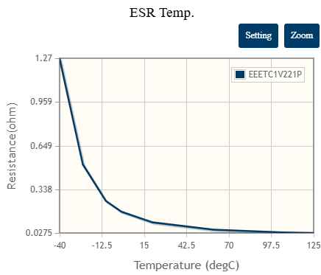
 |  |  | Total ESR of output MLCC capacitors, RESR_MLCC | 1 | mΩ
 |  |  | Selected effective output capacitance of electrolytic capacitor, COUT_elec | 100 | μF
 |  |  | Total ESR of output electrolytic capacitors, RESR_elec | 40 | mΩ
 |  |  | Output Capacitor RMS Current, ICOUT_rms | 4.47 | A

Step 4: Input Capacitor Selection
 |  |  | Maximum acceptable input voltage ripple, VIN_p2p_max | 100 | mV
 |  |  | Recommended minimum input capacitance, CIN_cal_min | 11.19 | µF
 |  |  | Input capacitance, CIN_act | 10.00 | µF
 |  |  | RMS current of the input capacitor, ICIN_rms | 0.83 | A

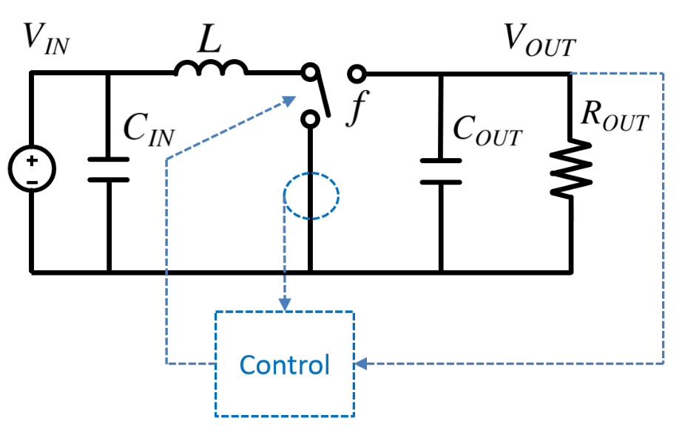
Step 5: Feedback and Compensation Design
Power Stage
 |  |  | Selected inductance, L | 3.3 | μH
 |  |  | Load resistance, ROUT | 9 | Ω
 |  |  | Total effective output capacitance, COUT | 160.0 | μF
 |  |  | Switching frequency, fsw | 0.320 | MHz
 |  |  | Duty cycle in steady-state, D | 0.87 | -
 |  |  | DC gain of power stage, APS | 0.6 | Ω
 |  |  | Right-half-plane zero of power stage, zRHP | 7.7 | kHz
 |  |  | Small pole of power stage, psmall | 221.8 | Hz
 |  |  | Large pole of power stage, plarge | 117.7 | kHz
Feedback, EA and Compensation
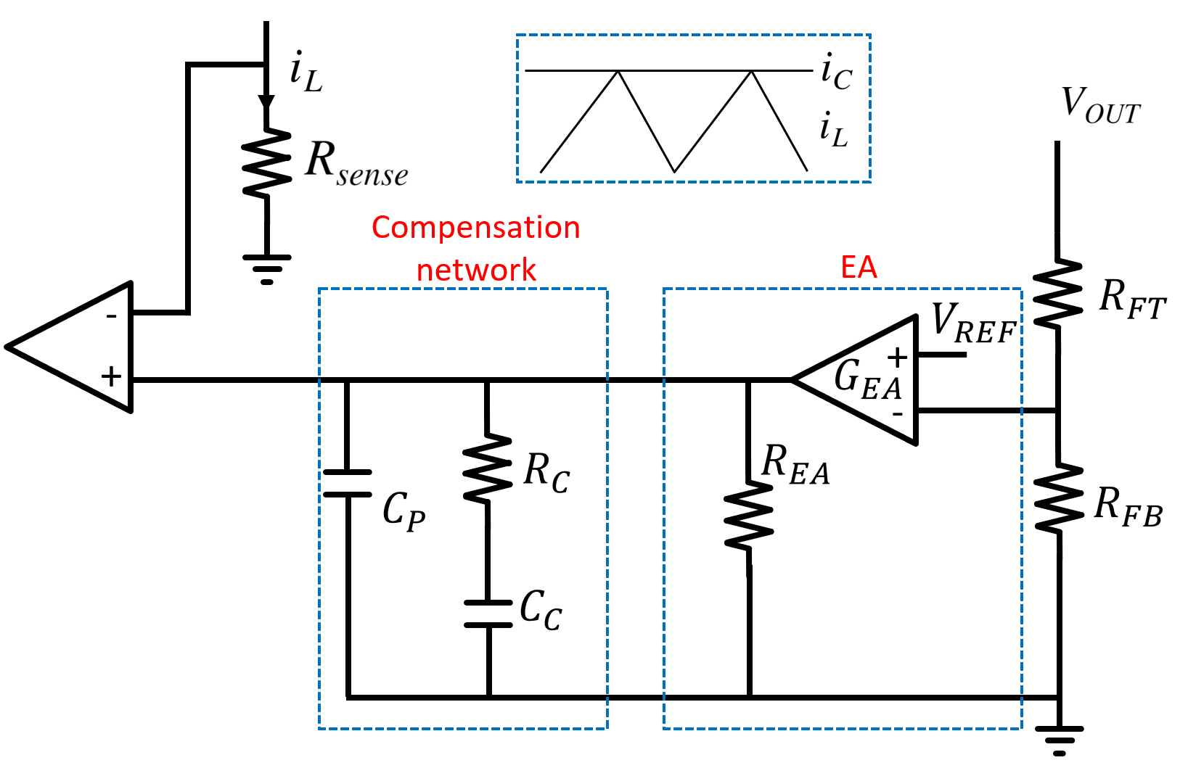
 |  |  | Output voltage, VOUT | 18.0 | V
 |  |  | Reference voltage, VREF | 1.0 | V
 |  |  | Transconductance of the amplifier, GEA | 180 | μS
 |  |  | Output resistance of the amplifier, REA | 100 | MΩ
 |  |  | Equivalent sense resistor, Rsense | 0.050 | Ω
 |  |  | DC gain of EA, AEA | 20000 | 1/Ω
 |  |  | Main pole of EA, pEA | 0.1 | Hz
 |  |  | Zero of compensation, zcomp | 144.7 | Hz
 |  |  | Pole of compensation, pcomp | 31.8 | kHz
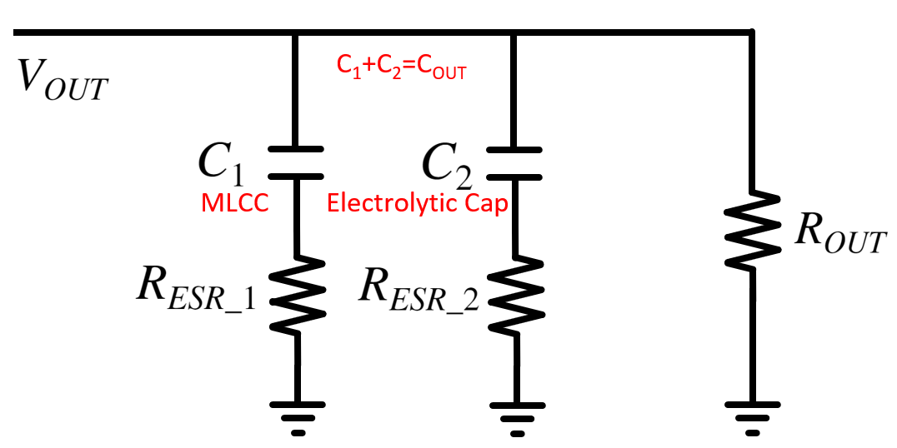
Zeros and pole from Cout ESR
 |  |  | Selected effective output capacitance of MLCC capacitors, COUT_MLCC | 60 | μF
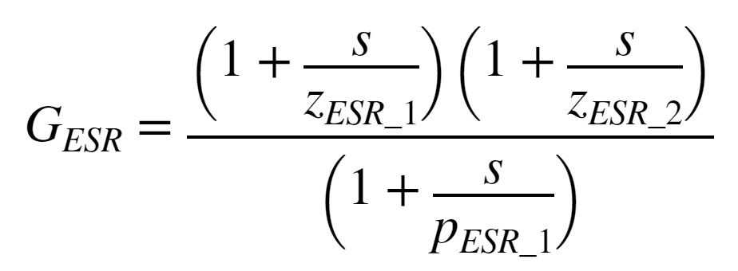
 |  |  | Total ESR of output MLCC capacitors, RESR_MLCC | 1 | mΩ
 |  |  | Selected effective output capacitance of electrolytic capacitor, COUT_MLCC | 100 | μF
 |  |  | ESR of output electrolytic capacitors, COUT_elec | 40 | mΩ
 |  |  | Zero 1 of COUT ESR, zESR_1 | 39.8 | kHz
 |  |  | Zero 2 of COUT ESR, zESR_2 | 2652.6 | kHz
 |  |  | Pole of COUT ESR, pESR | 66.3 | kHz
Zeros and pole from feedforward (optional)
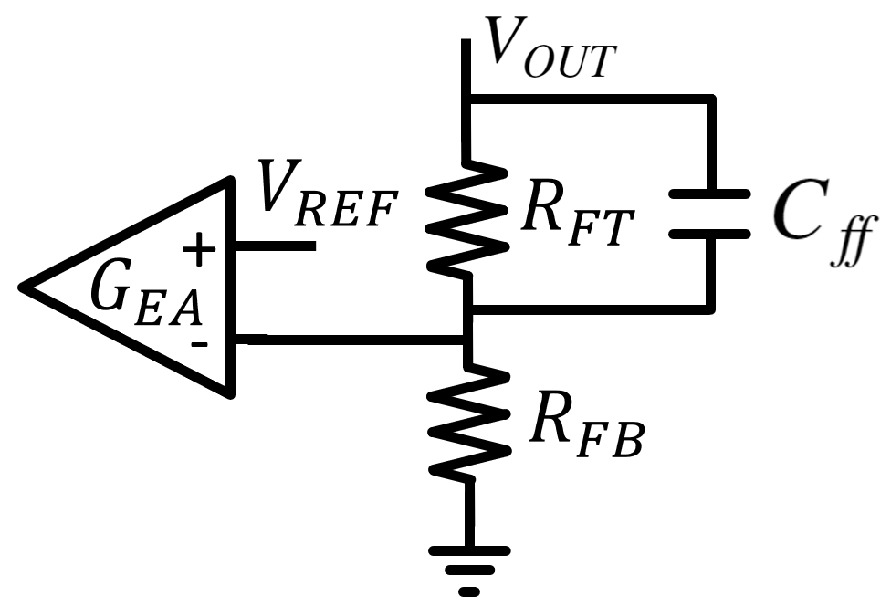
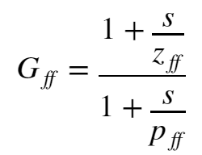
 |  |  | Feedback top resistor, RFBT | 243.1 | kΩ
 |  |  | Feedback bottom resistor, RFBB | 14.3 | kΩ
 |  |  | Feedforward capacitor, Cff |  | pF
 |  |  | Zero of feedforward, zff |  | kHz
 |  |  | Pole of feedforward, pff |  | kHz
Overall bode plot
Bode Plot, VIN = VIN_min
 | Gain |  | PM1 |  | GM3 |  | Gain Margin |  | Phase - (-180) |  | Phase Margin |  | PM3 |  | GM1
100 | 19.620574781 | 100 | 0 | 16033.516449 | -15.093564087 | 16033.516449 | 0 | 100 | 99.509897029 | 1333.6098106 | 0 | 1333.6098106 | 81.196641924 | 1000000 | 0
102 | 19.451829487 | 1333.6098106 | 0 | 100 | -15.093564087 | 16033.516449 | -15.093564087 | 102 | 99.60913987 | 1333.6098106 | 81.196641924 | 1000000 | 81.196641924 | 16033.516449 | 0
105 | 19.283799739 |  |  |  |  |  |  | 105 | 99.705181593
107 | 19.116476261 |  |  |  |  |  |  | 107 | 99.79779524
110 | 18.949847917 |  |  |  |  |  |  | 110 | 99.886753237
112 | 18.783901673 |  |  |  |  |  |  | 112 | 99.971828184
115 | 18.618622574 |  |  |  |  |  |  | 115 | 100.05279369
117 | 18.453993718 |  |  |  |  |  |  | 117 | 100.12942522
120 | 18.289996255 |  |  |  |  |  |  | 120 | 100.20150102
123 | 18.126609386 |  |  |  |  |  |  | 123 | 100.26880296
126 | 17.96381038 |  |  |  |  |  |  | 126 | 100.33111751
129 | 17.801574596 |  |  |  |  |  |  | 129 | 100.38823665
132 | 17.639875528 |  |  |  |  |  |  | 132 | 100.43995878
135 | 17.478684845 |  |  |  |  |  |  | 135 | 100.48608968
138 | 17.317972464 |  |  |  |  |  |  | 138 | 100.52644336
141 | 17.157706615 |  |  |  |  |  |  | 141 | 100.56084298
145 | 16.997853936 |  |  |  |  |  |  | 145 | 100.58912168
148 | 16.838379562 |  |  |  |  |  |  | 148 | 100.6111234
151 | 16.679247243 |  |  |  |  |  |  | 151 | 100.62670363
155 | 16.520419459 |  |  |  |  |  |  | 155 | 100.63573012
158 | 16.361857548 |  |  |  |  |  |  | 158 | 100.63808353
162 | 16.20352185 |  |  |  |  |  |  | 162 | 100.63365801
166 | 16.045371847 |  |  |  |  |  |  | 166 | 100.62236169
170 | 15.887366322 |  |  |  |  |  |  | 170 | 100.60411709
174 | 15.729463515 |  |  |  |  |  |  | 174 | 100.5788615
178 | 15.571621285 |  |  |  |  |  |  | 178 | 100.54654719
182 | 15.413797283 |  |  |  |  |  |  | 182 | 100.50714158
186 | 15.255949112 |  |  |  |  |  |  | 186 | 100.46062732
191 | 15.098034503 |  |  |  |  |  |  | 191 | 100.40700223
195 | 14.940011481 |  |  |  |  |  |  | 195 | 100.34627923
200 | 14.781838528 |  |  |  |  |  |  | 200 | 100.27848607
204 | 14.623474749 |  |  |  |  |  |  | 204 | 100.20366507
209 | 14.464880028 |  |  |  |  |  |  | 209 | 100.12187272
214 | 14.306015177 |  |  |  |  |  |  | 214 | 100.03317918
219 | 14.146842085 |  |  |  |  |  |  | 219 | 99.937667771
224 | 13.987323849 |  |  |  |  |  |  | 224 | 99.83543433
229 | 13.8274249 |  |  |  |  |  |  | 229 | 99.726586523
234 | 13.667111124 |  |  |  |  |  |  | 234 | 99.611243096
240 | 13.506349964 |  |  |  |  |  |  | 240 | 99.48953308
245 | 13.345110514 |  |  |  |  |  |  | 245 | 99.361594939
251 | 13.183363605 |  |  |  |  |  |  | 251 | 99.227575693
257 | 13.021081873 |  |  |  |  |  |  | 257 | 99.087630003
263 | 12.858239816 |  |  |  |  |  |  | 263 | 98.941919244
269 | 12.694813844 |  |  |  |  |  |  | 269 | 98.790610557
275 | 12.530782312 |  |  |  |  |  |  | 275 | 98.633875904
282 | 12.366125541 |  |  |  |  |  |  | 282 | 98.471891113
288 | 12.200825831 |  |  |  |  |  |  | 288 | 98.304834947
295 | 12.034867457 |  |  |  |  |  |  | 295 | 98.132888182
302 | 11.868236666 |  |  |  |  |  |  | 302 | 97.956232699
309 | 11.700921646 |  |  |  |  |  |  | 309 | 97.77505062
...
 |  |  | Suggested Bandwidth @Vin(min), VOUT(max),IOUT(max), fCO_calc | 1.5 | kHz
 |  |  | Selected Bandwidth @Vin(min), VOUT(max),IOUT(max), fCO | 1.5 | kHz

 |  | Calculated |  | Selected
 | RC | 56.5 | kΩ | 50.0 | kΩ
 | CC | 14.4 | nF | 22.0 | nF
 | CP | 128.0 | pF | 100.0 | pF

 |  |  | Calculated crossover frequency, fc | 1.3 | kHz
 |  |  | Phase Margin, PM | 81 | ˚
 |  |  | Gain Margin, GM | -15.1 | dB

Step 6: UVLO Resistor Divider Selection (optional, please refer to datasheet section 6.3.3)
 |  |  | Sourcing current at the EN/UVLO pin, IEN/UVLO | 5.3 | μA
 |  |  | UVLO rising threshold at the EN/UVLO, VUVLO_RISE | 1.23 | V
 |  |  | Desired voltage On, VUVLO_ON |  | V
 |  |  | Desired voltage OFF, VUVLO_OFF |  | V
 |  |  | Calculated top UVLO resistor value, RUVT_CALC |  | kΩ
 |  |  | Selected top UVLO resistor value, RUVT |  | kΩ
 |  |  | Calculated bottom UVLO Resistor, RUVB_CALC |  | kΩ | VIN_min | 3 | V
 |  |  | Selected bottom UVLO resistor value, RUVB |  | kΩ | VOUT |  | V
 |  |  | Actual voltage On, VUVLO_ON |  | V | IOUT_act_max | 2 | A
 |  |  | Actual voltage Off, VUVLO_OFF |  | V

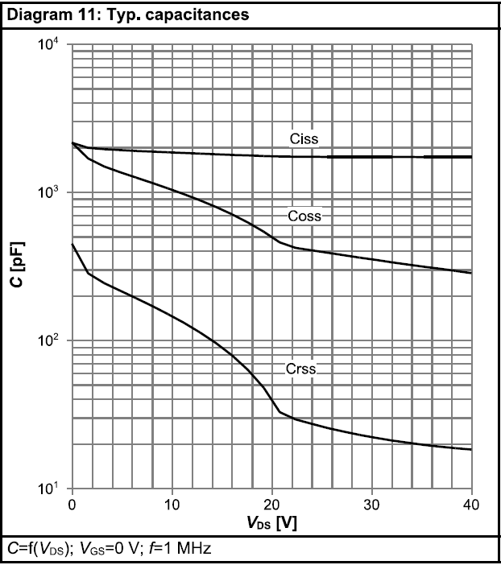
Step 7: Low-Side MOSFET Selection
 |  |  | On-State resistance, RDS(on) | 7 | mΩ
 |  |  | Total gate charge, QG | 9 | nC
 |  |  | Gate resistance, RG | 0.8 | Ω
 |  |  | External gate resistance on PCB, RG_PCB | 0 | Ω
 |  |  | Input capacitance at Vds=0V, Ciss_0V | 2000 | pF
 |  |  | Input capacitance at Vds=Vout, Ciss_Vout | 1800 | pF
 |  |  | Output capacitance at Vds=0V, Coss_0V | 2200 | pF
 |  |  | Output capacitance at Vds=Vout, Coss_Vout | 500 | pF
 |  |  | Reverse transfer capacitance at Vds=0V, Crss_0V | 450 | pF
 |  |  | Reverse transfer capacitance at Vds=Vout, Crss_Vout | 40 | pF
 |  |  | Low side FET gate driving voltage, VLS_gate | 5.1 | V
 |  |  | Gate-Source Threshold Voltage, VGS(TH) | 1.2 | V
 |  |  | Gate plateau voltage / miller voltage, Vplateau | 2.5 | V

 |  |  | LS-GATE off to HS-GATE on deadtime, tDLH | 30.0 | ns
 |  |  | Calculated low side off time, toff_gate (smaller than deadtime, tDLH and suggest to leave 20% margin) | 19.2 | ns

Step 8: Efficiency Analyzer
 |  |  | Default EVM Inductor DC loss, Ploss_inductor_DC | 1177 | mW
 |  |  | Actually used inductor DC loss, Ploss_act_inductor_DC |  | mW
 |  |  | Default EVM Inductor AC loss, Ploss_inductor_AC | 63 | mW
 |  |  | Actually used inductor AC loss, Ploss_act_inductor_AC |  | mW
 |  |  | Low-side MOSFET power loss, Ploss_LS_FET | 1142 | mW
 |  |  | IC power loss, Ploss_IC | 1716 | mW

 |  |  | Low-side MOSFET Junction-to-ambient thermal resistance, RƟJA_FET | 60 | °C/W
 |  |  | Low-side MOSFET junction temperature rise | 68.5 | °C
 |  |  | IC Junction-to-ambient thermal resistance, RƟJA_IC | 36.6 | °C/W
 |  |  | IC junction temperature rise | 62.8 | °C

 |  |  | Calculated efficiency on PWM@VIN_nom, VOUT, IOUT_MAX, ηcal | 89.8 | %

Important Notice and Disclaimer
About this tool...
© Copyright 2025 Texas Instruments Incorporated. All rights reserved.

Version Number | 1.2

IMPORTANT NOTICE AND DISCLAIMER
TI PROVIDES TECHNICAL AND RELIABILITY DATA (INCLUDING DATA SHEETS), DESIGN RESOURCES (INCLUDING REFERENCE DESIGNS), APPLICATION OR OTHER DESIGN ADVICE, WEB TOOLS, SAFETY INFORMATION, AND OTHER RESOURCES “AS IS” AND WITH ALL FAULTS, AND DISCLAIMS ALL WARRANTIES, EXPRESS AND IMPLIED, INCLUDING WITHOUT LIMITATION ANY IMPLIED WARRANTIES OF MERCHANTABILITY, FITNESS FOR A PARTICULAR PURPOSE OR NON-INFRINGEMENT OF THIRD PARTY INTELLECTUAL PROPERTY RIGHTS.
These resources are intended for skilled developers designing with TI products. You are solely responsible for (1) selecting the appropriate TI products for your application, (2) designing, validating and testing your application, and (3) ensuring your application meets applicable standards, and any other safety, security, regulatory or other requirements.
These resources are subject to change without notice. TI grants you permission to use these resources only for development of an application that uses the TI products described in the resource. Other reproduction and display of these resources is prohibited. No license is granted to any other TI intellectual property right or to any third party intellectual property right. TI disclaims responsibility for, and you will fully indemnify TI and its representatives against, any claims, damages, costs, losses, and liabilities arising out of your use of these resources.
TI’s products are provided subject to TI’s Terms of Sale or other applicable terms available either on ti.com or provided in conjunction with such TI products. TI’s provision of these resources does not expand or otherwise alter TI’s applicable warranties or warranty disclaimers for TI products.
TI objects to and rejects any additional or different terms you may have proposed.
Mailing Address: Texas Instruments, Post Office Box 655303, Dallas, Texas 75265
Copyright © 2025, Texas Instruments Incorporated

IMPORTANT:
1. Do not delete this worksheet!
2. Redistributions must retain the above copyright and the following disclaimer.

Version History
Version | Change List Description
1.0 | Initial Release
1.1 | Fix the issue that the RG_PCB is not considered in the last version. Edit the note of dead time and suggest to leave 20% margin on dead time estimation.
1.2 | Fix the issue that the user input cell G80 is lock.

