Vin UVLO Prog. & Startup Delay
INPUT UVLO PROGRAMMING & START-UP DELAY CALCULATOR TOOL
Disclaimer
This product is designed as an aid for customers of Texas Instruments. No warranties, either expressed or implied, with respect to this software or its fitness for any particular purpose, are claimed by Texas Instruments or the author. The software is licensed solely on an "as is" basis. The entire risk as to its quality and performance is with the customer.

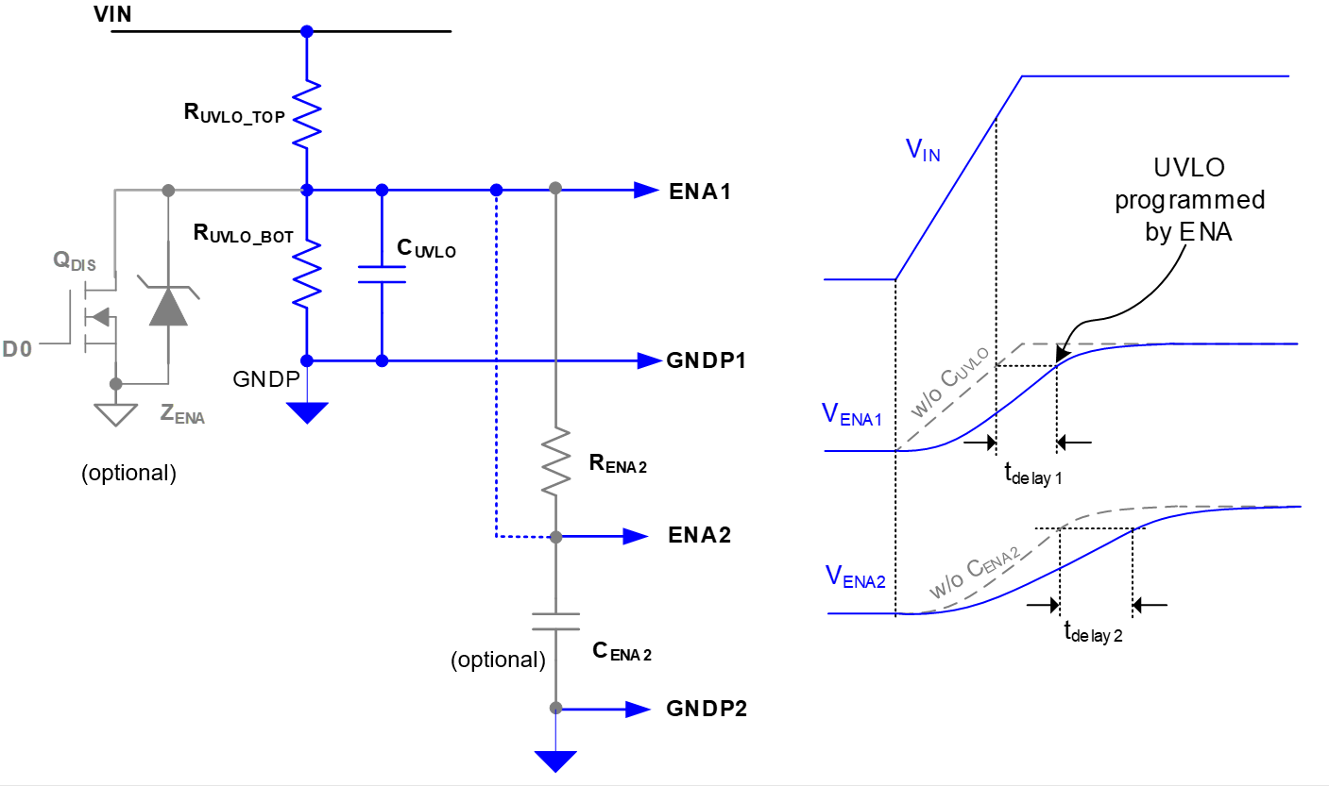
UCC34141x-Q1 1.5W, 12V VIN, Isolated DC/DC Module
CLEAR ALL USER INPUT CELLS BEFORE STARTING A NEW DESIGN
ALL GREEN CELLS ARE USER INPUTS; CELLS INTO RED MEANS ERROR ON USER INPUTS
WHERE APPLICABLE, A RECOMMENDED VALUE IS GIVEN THAT WILL BE THE BEST CHOICE TO MEET THE GIVEN SPECIFICATION. IT IS IN THE BEST INTEREST OF THE USER TO USE A VALUE AS CLOSE AS POSSIBLE TO THE RECOMMENDED VALUE. FOR ACCURATE RESULTS, THE USER MUST ENTER THE ACTUAL VALUE USED IN THE APPROPRIATE CELL.
DESIGN REQUIREMENTS

Nominal Input Voltage, VIN_NOM = | 17.0 | V
Min. input voltage, VIN_MIN = | 15.3 | V
Max. input voltage, VIN_MAX = | 20.4 | V
Quiescent current allowance from the UVLO programmer resistors, IQ_UVLO = | 20.0 | uA
Start-up delay time by CUVLO, tdelay1 = | 1.0 | ms
Start-up delay time by CENA2, tdelay2 = | 2.5 | ms

ENA THRESHOLD SPECS

Rising Threshold
Min | 1.425 | V
Typ | 1.5 | V
Max | 1.575 | V
Falling Threshold
Min | 1.282 | V
Typ | 1.35 | V
Max | 1.418 | V

RECOMMENDED COMPONENT VALUE

Recommended RUVLO_TOP = | 761.6 | kΩ
Selected RUVLO_TOP value | 820.0 | kΩ | Choose closest standard value higher than or equal to the calculated value above.
Recommended RUVLO_BOT = | 88.4 | kΩ
Selected RUVLO_BOT value | 100.0 | kΩ | Choose closest standard value higher than or equal to the calculated value above.
Recommended CUVLO = | 12.6 | nF | Choose closest standard value
Recommended RENA2 = | 761.6 | kΩ
Selected RENA2 value | 820.0 | kΩ | Choose closest standard value higher than or equal to the calculated value above.
Recommended CEMA2 = | 3.0 | nF | Choose closest standard value

ENA PIN VOLTAGE vs THRESHOLD CHECK for UVLO

Minimum ENA PIN voltage value at VIN_MIN, VENA_MIN = | 1.663 | V | This value should be higher than the max. ENA rising threshold (1.575V). Other wise, this cell will be flagged in red color.
Nominal ENA PIN voltage value at VIN_NOM, VENA_NOM = | 1.848 | V
Maximum ENA PIN voltage value at VIN_MAX, VENA_MAX = | 2.217 | V | This value should be lower than the abs. max. of ENA pin (5.5V). Otherwise, this cell will be flagged in red color.

Note: Achieve the minimum required capacitance, careful attention should be paid to the applied DC voltage vs. capacitor rated working voltage, temperature, tolerance and dielectric type.

